RILPL2 _multivariate
Reported by Tex Li-Hsing Chi. tex@gate.sinica.edu.tw 2019-08-16

Table 2. The clinicopathological features of HNSCC cohort and RILPL2 expression. (Chi square test)
Cutoff at -0.255 (49.8%)
 |  | RILPL2 expression |  | RILPL2 expression |  | (Optimised)
 | Features | Low | (%) | High | (%) | Case no | P-value | Remark | Matthews
Gender | Female | 156 | 37.6 | 150 | 36.1 | 415 | 0.5222 | 0 | 0
2 | Male | 51 | 12.3 | 58 | 14
Age at diagnosis | <=65y | 142 | 34.2 | 132 | 31.8 | 415 | 0.3167 | 0 | 0
4 | >65y | 65 | 15.7 | 76 | 18.3
Clinical T Status | T1+T2 | 72 | 17.3 | 77 | 18.6 | 415 | 0.7095 | 0 | 0
6 | T3+T4 | 135 | 32.5 | 131 | 31.6
Clinical N Status | N0 | 110 | 26.5 | 106 | 25.5 | 415 | 0.7294 | 0 | 0
8 | N1-3 | 97 | 23.4 | 102 | 24.6
Clinical M Status | M0 | 206 | 49.6 | 206 | 49.6 | 415 | 1 | 0 | 0
10 | M1 | 1 | 0.2 | 2 | 0.5
Clinical Stage | Stage I+II | 53 | 12.8 | 49 | 11.8 | 415 | 0.7113 | 0 | 0
12 | Stage III+IV | 154 | 37.1 | 159 | 38.3
Surgical Margin status | Negative | 159 | 38.3 | 159 | 38.3 | 415 | 1 | 0 | 0
14 | Positive | 48 | 11.6 | 49 | 11.8
Tobacco Exposure | Low | 82 | 19.8 | 79 | 19 | 415 | 0.763 | 0 | 0
16 | High | 125 | 30.1 | 129 | 31.1

Table 3. Univariate/Multivariate Cox's proportional hazards regression analyses on OS time of RILPL2 gene expression in HNSCC

 |  | Univariate |  |  |  | Multivariate
 | Features | HR | CI95%(L) | CI95%(H) | P-value | HR | CI95%(L) | CI95%(H) | P-value
1 | Female | 1 |  |  |  | 1
Gender | Male | 1.157 | 0.843 | 1.587 | 0.367 | 1.189 | 0.85 | 1.663 | 0.313
11 | <=65y | 1 |  |  |  | 1
Age at diagnosis | >65y | 1.329 | 0.99 | 1.784 | 0.058 | 1.398 | 1.029 | 1.9 | 0.032
12 | T1+T2 | 1 |  |  |  | 1
Clinical T Status | T3+T4 | 1.409 | 1.028 | 1.931 | 0.033 | 2.159 | 1.14 | 4.09 | 0.018
13 | N0 | 1 |  |  |  | 1
Clinical N Status | N1-3 | 1.185 | 0.89 | 1.577 | 0.246 | 1.24 | 0.869 | 1.769 | 0.236
14 | M0 | 1 |  |  |  | 1
Clinical M Status | M1 | 4.097 | 1.009 | 16.644 | 0.049 | 9.406 | 2.052 | 43.12 | 0.004
15 | Stage I+II | 1 |  |  |  | 1
Clinical Stage | Stage III+IV | 1.245 | 0.882 | 1.759 | 0.213 | 0.515 | 0.24 | 1.108 | 0.09
16 | Negative | 1 |  |  |  | 1
Surgical Margin status | Positive | 1.591 | 1.155 | 2.191 | 0.004 | 1.687 | 1.22 | 2.332 | 0.002
17 | Low | 1 |  |  |  | 1
Tobacco Exposure | High | 1.364 | 1.008 | 1.844 | 0.044 | 1.465 | 1.062 | 2.021 | 0.02
18 | Low | 1 |  |  |  | 1
RNAseq(z-score) | High | 0.867 | 0.651 | 1.155 | 0.33 | 0.857 | 0.641 | 1.144 | 0.295

Table 4. Univariate/Multivariate Cox's proportional hazards regression analyses on RFS time of RILPL2 gene expression in HNSCC

 |  | Univariate |  |  |  | Multivariate
 | Features | HR | CI95%(L) | CI95%(H) | P-value | HR | CI95%(L) | CI95%(H) | P-value
1 | Female | 1 |  |  |  | 1
Gender | Male | 1.157 | 0.843 | 1.587 | 0.367 | 1.189 | 0.85 | 1.663 | 0.313
11 | <=65y | 1 |  |  |  | 1
Age at diagnosis | >65y | 1.329 | 0.99 | 1.784 | 0.058 | 1.398 | 1.029 | 1.9 | 0.032
12 | T1+T2 | 1 |  |  |  | 1
Clinical T Status | T3+T4 | 1.409 | 1.028 | 1.931 | 0.033 | 2.159 | 1.14 | 4.09 | 0.018
13 | N0 | 1 |  |  |  | 1
Clinical N Status | N1-3 | 1.185 | 0.89 | 1.577 | 0.246 | 1.24 | 0.869 | 1.769 | 0.236
14 | M0 | 1 |  |  |  | 1
Clinical M Status | M1 | 4.097 | 1.009 | 16.644 | 0.049 | 9.406 | 2.052 | 43.12 | 0.004
15 | Stage I+II | 1 |  |  |  | 1
Clinical Stage | Stage III+IV | 1.245 | 0.882 | 1.759 | 0.213 | 0.515 | 0.24 | 1.108 | 0.09
16 | Negative | 1 |  |  |  | 1
Surgical Margin status | Positive | 1.591 | 1.155 | 2.191 | 0.004 | 1.687 | 1.22 | 2.332 | 0.002
17 | Low | 1 |  |  |  | 1
Tobacco Exposure | High | 1.364 | 1.008 | 1.844 | 0.044 | 1.465 | 1.062 | 2.021 | 0.02
18 | Low | 1 |  |  |  | 1
RNAseq(z-score) | High | 0.867 | 0.651 | 1.155 | 0.33 | 0.857 | 0.641 | 1.144 | 0.295

Kaplan-Meier survival estimate: Cutoff at -0.255 (49.8%)



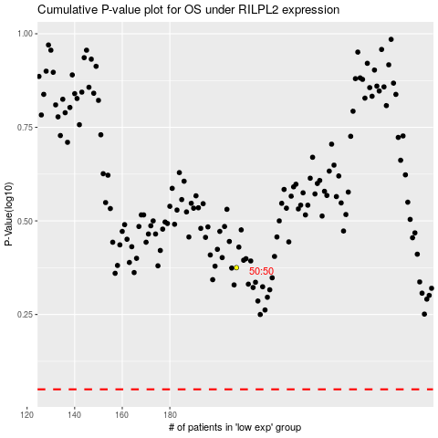

 |  |  |  |  |  | cases_OS | p_OS | rank | exp
 |  |  |  |  |  |  | cases_RFS | p_RFS | rank | exp

