RIMBP2 _multivariate
Reported by Tex Li-Hsing Chi. tex@gate.sinica.edu.tw 2019-08-16

Table 2. The clinicopathological features of HNSCC cohort and RIMBP2 expression. (Chi square test)
Cutoff at -0.321 (50.0%)
 |  | RIMBP2 expression |  | RIMBP2 expression |  | (Optimised)
 | Features | Low | (%) | High | (%) | Case no | P-value | Remark | Matthews
Gender | Female | 153 | 36.9 | 153 | 36.9 | 415 | 1 | 0 | 0
2 | Male | 54 | 13 | 55 | 13.3
Age at diagnosis | <=65y | 143 | 34.5 | 131 | 31.6 | 415 | 0.2269 | 0 | 0
4 | >65y | 64 | 15.4 | 77 | 18.6
Clinical T Status | T1+T2 | 69 | 16.6 | 80 | 19.3 | 415 | 0.3239 | 0 | 0
6 | T3+T4 | 138 | 33.3 | 128 | 30.8
Clinical N Status | N0 | 96 | 23.1 | 120 | 28.9 | 415 | 0.0272 | 1 | 0
8 | N1-3 | 111 | 26.7 | 88 | 21.2
Clinical M Status | M0 | 206 | 49.6 | 206 | 49.6 | 415 | 1 | 0 | 0
10 | M1 | 1 | 0.2 | 2 | 0.5
Clinical Stage | Stage I+II | 40 | 9.6 | 62 | 14.9 | 415 | 0.018 | 1 | 0
12 | Stage III+IV | 167 | 40.2 | 146 | 35.2
Surgical Margin status | Negative | 159 | 38.3 | 159 | 38.3 | 415 | 1 | 0 | 0
14 | Positive | 48 | 11.6 | 49 | 11.8
Tobacco Exposure | Low | 88 | 21.2 | 73 | 17.6 | 415 | 0.1314 | 0 | 0
16 | High | 119 | 28.7 | 135 | 32.5

Table 3. Univariate/Multivariate Cox's proportional hazards regression analyses on OS time of RIMBP2 gene expression in HNSCC

 |  | Univariate |  |  |  | Multivariate
 | Features | HR | CI95%(L) | CI95%(H) | P-value | HR | CI95%(L) | CI95%(H) | P-value
1 | Female | 1 |  |  |  | 1
Gender | Male | 1.157 | 0.843 | 1.587 | 0.367 | 1.2 | 0.859 | 1.676 | 0.286
11 | <=65y | 1 |  |  |  | 1
Age at diagnosis | >65y | 1.329 | 0.99 | 1.784 | 0.058 | 1.397 | 1.026 | 1.901 | 0.034
12 | T1+T2 | 1 |  |  |  | 1
Clinical T Status | T3+T4 | 1.409 | 1.028 | 1.931 | 0.033 | 2.208 | 1.168 | 4.176 | 0.015
13 | N0 | 1 |  |  |  | 1
Clinical N Status | N1-3 | 1.185 | 0.89 | 1.577 | 0.246 | 1.236 | 0.865 | 1.765 | 0.245
14 | M0 | 1 |  |  |  | 1
Clinical M Status | M1 | 4.097 | 1.009 | 16.644 | 0.049 | 9.486 | 2.067 | 43.538 | 0.004
15 | Stage I+II | 1 |  |  |  | 1
Clinical Stage | Stage III+IV | 1.245 | 0.882 | 1.759 | 0.213 | 0.502 | 0.234 | 1.078 | 0.077
16 | Negative | 1 |  |  |  | 1
Surgical Margin status | Positive | 1.591 | 1.155 | 2.191 | 0.004 | 1.67 | 1.208 | 2.307 | 0.002
17 | Low | 1 |  |  |  | 1
Tobacco Exposure | High | 1.364 | 1.008 | 1.844 | 0.044 | 1.459 | 1.057 | 2.013 | 0.021
18 | Low | 1 |  |  |  | 1
RNAseq(z-score) | High | 0.993 | 0.745 | 1.324 | 0.964 | 0.962 | 0.717 | 1.29 | 0.794

Table 4. Univariate/Multivariate Cox's proportional hazards regression analyses on RFS time of RIMBP2 gene expression in HNSCC

 |  | Univariate |  |  |  | Multivariate
 | Features | HR | CI95%(L) | CI95%(H) | P-value | HR | CI95%(L) | CI95%(H) | P-value
1 | Female | 1 |  |  |  | 1
Gender | Male | 1.157 | 0.843 | 1.587 | 0.367 | 1.2 | 0.859 | 1.676 | 0.286
11 | <=65y | 1 |  |  |  | 1
Age at diagnosis | >65y | 1.329 | 0.99 | 1.784 | 0.058 | 1.397 | 1.026 | 1.901 | 0.034
12 | T1+T2 | 1 |  |  |  | 1
Clinical T Status | T3+T4 | 1.409 | 1.028 | 1.931 | 0.033 | 2.208 | 1.168 | 4.176 | 0.015
13 | N0 | 1 |  |  |  | 1
Clinical N Status | N1-3 | 1.185 | 0.89 | 1.577 | 0.246 | 1.236 | 0.865 | 1.765 | 0.245
14 | M0 | 1 |  |  |  | 1
Clinical M Status | M1 | 4.097 | 1.009 | 16.644 | 0.049 | 9.486 | 2.067 | 43.538 | 0.004
15 | Stage I+II | 1 |  |  |  | 1
Clinical Stage | Stage III+IV | 1.245 | 0.882 | 1.759 | 0.213 | 0.502 | 0.234 | 1.078 | 0.077
16 | Negative | 1 |  |  |  | 1
Surgical Margin status | Positive | 1.591 | 1.155 | 2.191 | 0.004 | 1.67 | 1.208 | 2.307 | 0.002
17 | Low | 1 |  |  |  | 1
Tobacco Exposure | High | 1.364 | 1.008 | 1.844 | 0.044 | 1.459 | 1.057 | 2.013 | 0.021
18 | Low | 1 |  |  |  | 1
RNAseq(z-score) | High | 0.993 | 0.745 | 1.324 | 0.964 | 0.962 | 0.717 | 1.29 | 0.794

Kaplan-Meier survival estimate: Cutoff at -0.321 (50.0%)



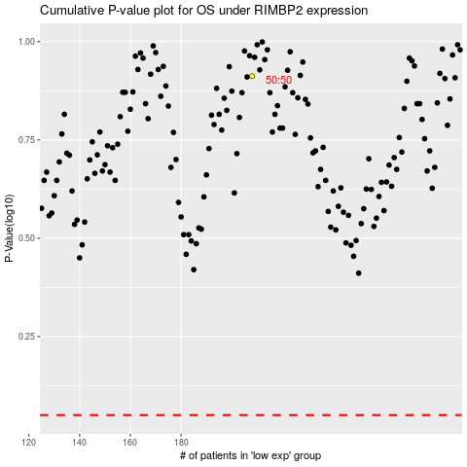

 |  |  |  |  |  | cases_OS | p_OS | rank | exp
 |  |  |  |  |  |  | cases_RFS | p_RFS | rank | exp

