RIMBP3C _multivariate
Reported by Tex Li-Hsing Chi. tex@gate.sinica.edu.tw 2019-08-16

Table 2. The clinicopathological features of HNSCC cohort and RIMBP3C expression. (Chi square test)
Cutoff at -0.226 (49.8%)
 |  | RIMBP3C expression |  | RIMBP3C expression |  | (Optimised)
 | Features | Low | (%) | High | (%) | Case no | P-value | Remark | Matthews
Gender | Female | 151 | 36.4 | 155 | 37.3 | 415 | 0.8007 | 0 | 0
2 | Male | 56 | 13.5 | 53 | 12.8
Age at diagnosis | <=65y | 133 | 32 | 141 | 34 | 415 | 0.5111 | 0 | 0
4 | >65y | 74 | 17.8 | 67 | 16.1
Clinical T Status | T1+T2 | 59 | 14.2 | 90 | 21.7 | 415 | 0.0024 | 1 | 0
6 | T3+T4 | 148 | 35.7 | 118 | 28.4
Clinical N Status | N0 | 93 | 22.4 | 123 | 29.6 | 415 | 0.0051 | 1 | 0
8 | N1-3 | 114 | 27.5 | 85 | 20.5
Clinical M Status | M0 | 206 | 49.6 | 206 | 49.6 | 415 | 1 | 0 | 0
10 | M1 | 1 | 0.2 | 2 | 0.5
Clinical Stage | Stage I+II | 40 | 9.6 | 62 | 14.9 | 415 | 0.018 | 1 | 0
12 | Stage III+IV | 167 | 40.2 | 146 | 35.2
Surgical Margin status | Negative | 155 | 37.3 | 163 | 39.3 | 415 | 0.4187 | 0 | 0
14 | Positive | 52 | 12.5 | 45 | 10.8
Tobacco Exposure | Low | 81 | 19.5 | 80 | 19.3 | 415 | 0.9199 | 0 | 0
16 | High | 126 | 30.4 | 128 | 30.8

Table 3. Univariate/Multivariate Cox's proportional hazards regression analyses on OS time of RIMBP3C gene expression in HNSCC

 |  | Univariate |  |  |  | Multivariate
 | Features | HR | CI95%(L) | CI95%(H) | P-value | HR | CI95%(L) | CI95%(H) | P-value
1 | Female | 1 |  |  |  | 1
Gender | Male | 1.157 | 0.843 | 1.587 | 0.367 | 1.191 | 0.852 | 1.665 | 0.307
11 | <=65y | 1 |  |  |  | 1
Age at diagnosis | >65y | 1.329 | 0.99 | 1.784 | 0.058 | 1.386 | 1.019 | 1.883 | 0.037
12 | T1+T2 | 1 |  |  |  | 1
Clinical T Status | T3+T4 | 1.409 | 1.028 | 1.931 | 0.033 | 2.175 | 1.149 | 4.117 | 0.017
13 | N0 | 1 |  |  |  | 1
Clinical N Status | N1-3 | 1.185 | 0.89 | 1.577 | 0.246 | 1.21 | 0.842 | 1.738 | 0.302
14 | M0 | 1 |  |  |  | 1
Clinical M Status | M1 | 4.097 | 1.009 | 16.644 | 0.049 | 9.744 | 2.118 | 44.818 | 0.003
15 | Stage I+II | 1 |  |  |  | 1
Clinical Stage | Stage III+IV | 1.245 | 0.882 | 1.759 | 0.213 | 0.503 | 0.234 | 1.079 | 0.078
16 | Negative | 1 |  |  |  | 1
Surgical Margin status | Positive | 1.591 | 1.155 | 2.191 | 0.004 | 1.68 | 1.215 | 2.322 | 0.002
17 | Low | 1 |  |  |  | 1
Tobacco Exposure | High | 1.364 | 1.008 | 1.844 | 0.044 | 1.461 | 1.06 | 2.014 | 0.02
18 | Low | 1 |  |  |  | 1
RNAseq(z-score) | High | 0.843 | 0.632 | 1.123 | 0.242 | 0.898 | 0.663 | 1.215 | 0.485

Table 4. Univariate/Multivariate Cox's proportional hazards regression analyses on RFS time of RIMBP3C gene expression in HNSCC

 |  | Univariate |  |  |  | Multivariate
 | Features | HR | CI95%(L) | CI95%(H) | P-value | HR | CI95%(L) | CI95%(H) | P-value
1 | Female | 1 |  |  |  | 1
Gender | Male | 1.157 | 0.843 | 1.587 | 0.367 | 1.191 | 0.852 | 1.665 | 0.307
11 | <=65y | 1 |  |  |  | 1
Age at diagnosis | >65y | 1.329 | 0.99 | 1.784 | 0.058 | 1.386 | 1.019 | 1.883 | 0.037
12 | T1+T2 | 1 |  |  |  | 1
Clinical T Status | T3+T4 | 1.409 | 1.028 | 1.931 | 0.033 | 2.175 | 1.149 | 4.117 | 0.017
13 | N0 | 1 |  |  |  | 1
Clinical N Status | N1-3 | 1.185 | 0.89 | 1.577 | 0.246 | 1.21 | 0.842 | 1.738 | 0.302
14 | M0 | 1 |  |  |  | 1
Clinical M Status | M1 | 4.097 | 1.009 | 16.644 | 0.049 | 9.744 | 2.118 | 44.818 | 0.003
15 | Stage I+II | 1 |  |  |  | 1
Clinical Stage | Stage III+IV | 1.245 | 0.882 | 1.759 | 0.213 | 0.503 | 0.234 | 1.079 | 0.078
16 | Negative | 1 |  |  |  | 1
Surgical Margin status | Positive | 1.591 | 1.155 | 2.191 | 0.004 | 1.68 | 1.215 | 2.322 | 0.002
17 | Low | 1 |  |  |  | 1
Tobacco Exposure | High | 1.364 | 1.008 | 1.844 | 0.044 | 1.461 | 1.06 | 2.014 | 0.02
18 | Low | 1 |  |  |  | 1
RNAseq(z-score) | High | 0.843 | 0.632 | 1.123 | 0.242 | 0.898 | 0.663 | 1.215 | 0.485

Kaplan-Meier survival estimate: Cutoff at -0.226 (49.8%)



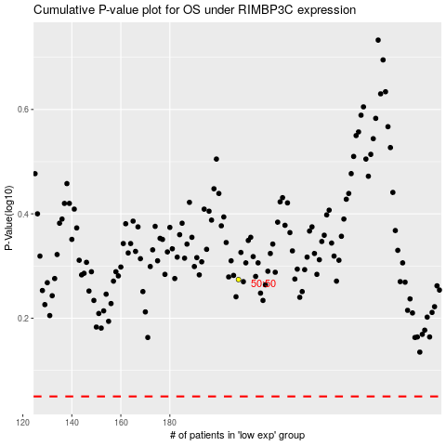

 |  |  |  |  |  | cases_OS | p_OS | rank | exp
 |  |  |  |  |  |  | cases_RFS | p_RFS | rank | exp

