RIMKLB _multivariate
Reported by Tex Li-Hsing Chi. tex@gate.sinica.edu.tw 2019-08-16

Table 2. The clinicopathological features of HNSCC cohort and RIMKLB expression. (Chi square test)
Cutoff at -0.137 (50.0%)
 |  | RIMKLB expression |  | RIMKLB expression |  | (Optimised)
 | Features | Low | (%) | High | (%) | Case no | P-value | Remark | Matthews
Gender | Female | 151 | 36.4 | 155 | 37.3 | 415 | 0.8007 | 0 | 0
2 | Male | 56 | 13.5 | 53 | 12.8
Age at diagnosis | <=65y | 138 | 33.3 | 136 | 32.8 | 415 | 0.8634 | 0 | 0
4 | >65y | 69 | 16.6 | 72 | 17.3
Clinical T Status | T1+T2 | 78 | 18.8 | 71 | 17.1 | 415 | 0.5152 | 0 | 0
6 | T3+T4 | 129 | 31.1 | 137 | 33
Clinical N Status | N0 | 100 | 24.1 | 116 | 28 | 415 | 0.1548 | 0 | 0
8 | N1-3 | 107 | 25.8 | 92 | 22.2
Clinical M Status | M0 | 205 | 49.4 | 207 | 49.9 | 415 | 0.6232 | 0 | 0
10 | M1 | 2 | 0.5 | 1 | 0.2
Clinical Stage | Stage I+II | 52 | 12.5 | 50 | 12 | 415 | 0.8871 | 0 | 0
12 | Stage III+IV | 155 | 37.3 | 158 | 38.1
Surgical Margin status | Negative | 160 | 38.6 | 158 | 38.1 | 415 | 0.8167 | 0 | 0
14 | Positive | 47 | 11.3 | 50 | 12
Tobacco Exposure | Low | 66 | 15.9 | 95 | 22.9 | 415 | 0.0048 | 1 | 0
16 | High | 141 | 34 | 113 | 27.2

Table 3. Univariate/Multivariate Cox's proportional hazards regression analyses on OS time of RIMKLB gene expression in HNSCC

 |  | Univariate |  |  |  | Multivariate
 | Features | HR | CI95%(L) | CI95%(H) | P-value | HR | CI95%(L) | CI95%(H) | P-value
1 | Female | 1 |  |  |  | 1
Gender | Male | 1.157 | 0.843 | 1.587 | 0.367 | 1.187 | 0.848 | 1.66 | 0.317
11 | <=65y | 1 |  |  |  | 1
Age at diagnosis | >65y | 1.329 | 0.99 | 1.784 | 0.058 | 1.376 | 1.011 | 1.871 | 0.042
12 | T1+T2 | 1 |  |  |  | 1
Clinical T Status | T3+T4 | 1.409 | 1.028 | 1.931 | 0.033 | 2.188 | 1.157 | 4.135 | 0.016
13 | N0 | 1 |  |  |  | 1
Clinical N Status | N1-3 | 1.185 | 0.89 | 1.577 | 0.246 | 1.209 | 0.846 | 1.728 | 0.297
14 | M0 | 1 |  |  |  | 1
Clinical M Status | M1 | 4.097 | 1.009 | 16.644 | 0.049 | 9.206 | 2.009 | 42.191 | 0.004
15 | Stage I+II | 1 |  |  |  | 1
Clinical Stage | Stage III+IV | 1.245 | 0.882 | 1.759 | 0.213 | 0.522 | 0.243 | 1.123 | 0.096
16 | Negative | 1 |  |  |  | 1
Surgical Margin status | Positive | 1.591 | 1.155 | 2.191 | 0.004 | 1.695 | 1.227 | 2.343 | 0.001
17 | Low | 1 |  |  |  | 1
Tobacco Exposure | High | 1.364 | 1.008 | 1.844 | 0.044 | 1.418 | 1.026 | 1.96 | 0.034
18 | Low | 1 |  |  |  | 1
RNAseq(z-score) | High | 0.791 | 0.593 | 1.055 | 0.11 | 0.807 | 0.603 | 1.081 | 0.15

Table 4. Univariate/Multivariate Cox's proportional hazards regression analyses on RFS time of RIMKLB gene expression in HNSCC

 |  | Univariate |  |  |  | Multivariate
 | Features | HR | CI95%(L) | CI95%(H) | P-value | HR | CI95%(L) | CI95%(H) | P-value
1 | Female | 1 |  |  |  | 1
Gender | Male | 1.157 | 0.843 | 1.587 | 0.367 | 1.187 | 0.848 | 1.66 | 0.317
11 | <=65y | 1 |  |  |  | 1
Age at diagnosis | >65y | 1.329 | 0.99 | 1.784 | 0.058 | 1.376 | 1.011 | 1.871 | 0.042
12 | T1+T2 | 1 |  |  |  | 1
Clinical T Status | T3+T4 | 1.409 | 1.028 | 1.931 | 0.033 | 2.188 | 1.157 | 4.135 | 0.016
13 | N0 | 1 |  |  |  | 1
Clinical N Status | N1-3 | 1.185 | 0.89 | 1.577 | 0.246 | 1.209 | 0.846 | 1.728 | 0.297
14 | M0 | 1 |  |  |  | 1
Clinical M Status | M1 | 4.097 | 1.009 | 16.644 | 0.049 | 9.206 | 2.009 | 42.191 | 0.004
15 | Stage I+II | 1 |  |  |  | 1
Clinical Stage | Stage III+IV | 1.245 | 0.882 | 1.759 | 0.213 | 0.522 | 0.243 | 1.123 | 0.096
16 | Negative | 1 |  |  |  | 1
Surgical Margin status | Positive | 1.591 | 1.155 | 2.191 | 0.004 | 1.695 | 1.227 | 2.343 | 0.001
17 | Low | 1 |  |  |  | 1
Tobacco Exposure | High | 1.364 | 1.008 | 1.844 | 0.044 | 1.418 | 1.026 | 1.96 | 0.034
18 | Low | 1 |  |  |  | 1
RNAseq(z-score) | High | 0.791 | 0.593 | 1.055 | 0.11 | 0.807 | 0.603 | 1.081 | 0.15

Kaplan-Meier survival estimate: Cutoff at -0.137 (50.0%)



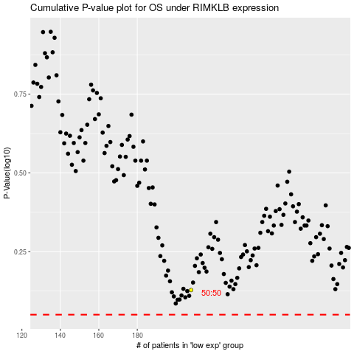

 |  |  |  |  |  | cases_OS | p_OS | rank | exp
 |  |  |  |  |  |  | cases_RFS | p_RFS | rank | exp

