RIMS1 _multivariate
Reported by Tex Li-Hsing Chi. tex@gate.sinica.edu.tw 2019-08-16

Table 2. The clinicopathological features of HNSCC cohort and RIMS1 expression. (Chi square test)
Cutoff at -0.32 (49.8%)
 |  | RIMS1 expression |  | RIMS1 expression |  | (Optimised)
 | Features | Low | (%) | High | (%) | Case no | P-value | Remark | Matthews
Gender | Female | 159 | 38.3 | 147 | 35.4 | 415 | 0.1905 | 0 | 0
2 | Male | 48 | 11.6 | 61 | 14.7
Age at diagnosis | <=65y | 138 | 33.3 | 136 | 32.8 | 415 | 0.8634 | 0 | 0
4 | >65y | 69 | 16.6 | 72 | 17.3
Clinical T Status | T1+T2 | 64 | 15.4 | 85 | 20.5 | 415 | 0.0445 | 1 | 0
6 | T3+T4 | 143 | 34.5 | 123 | 29.6
Clinical N Status | N0 | 109 | 26.3 | 107 | 25.8 | 415 | 0.8812 | 0 | 0
8 | N1-3 | 98 | 23.6 | 101 | 24.3
Clinical M Status | M0 | 205 | 49.4 | 207 | 49.9 | 415 | 0.6232 | 0 | 0
10 | M1 | 2 | 0.5 | 1 | 0.2
Clinical Stage | Stage I+II | 46 | 11.1 | 56 | 13.5 | 415 | 0.3182 | 0 | 0
12 | Stage III+IV | 161 | 38.8 | 152 | 36.6
Surgical Margin status | Negative | 157 | 37.8 | 161 | 38.8 | 415 | 0.729 | 0 | 0
14 | Positive | 50 | 12 | 47 | 11.3
Tobacco Exposure | Low | 81 | 19.5 | 80 | 19.3 | 415 | 0.9199 | 0 | 0
16 | High | 126 | 30.4 | 128 | 30.8

Table 3. Univariate/Multivariate Cox's proportional hazards regression analyses on OS time of RIMS1 gene expression in HNSCC

 |  | Univariate |  |  |  | Multivariate
 | Features | HR | CI95%(L) | CI95%(H) | P-value | HR | CI95%(L) | CI95%(H) | P-value
1 | Female | 1 |  |  |  | 1
Gender | Male | 1.157 | 0.843 | 1.587 | 0.367 | 1.199 | 0.858 | 1.675 | 0.288
11 | <=65y | 1 |  |  |  | 1
Age at diagnosis | >65y | 1.329 | 0.99 | 1.784 | 0.058 | 1.388 | 1.02 | 1.887 | 0.037
12 | T1+T2 | 1 |  |  |  | 1
Clinical T Status | T3+T4 | 1.409 | 1.028 | 1.931 | 0.033 | 2.218 | 1.171 | 4.201 | 0.014
13 | N0 | 1 |  |  |  | 1
Clinical N Status | N1-3 | 1.185 | 0.89 | 1.577 | 0.246 | 1.238 | 0.867 | 1.767 | 0.24
14 | M0 | 1 |  |  |  | 1
Clinical M Status | M1 | 4.097 | 1.009 | 16.644 | 0.049 | 9.497 | 2.069 | 43.588 | 0.004
15 | Stage I+II | 1 |  |  |  | 1
Clinical Stage | Stage III+IV | 1.245 | 0.882 | 1.759 | 0.213 | 0.502 | 0.234 | 1.078 | 0.077
16 | Negative | 1 |  |  |  | 1
Surgical Margin status | Positive | 1.591 | 1.155 | 2.191 | 0.004 | 1.677 | 1.213 | 2.318 | 0.002
17 | Low | 1 |  |  |  | 1
Tobacco Exposure | High | 1.364 | 1.008 | 1.844 | 0.044 | 1.449 | 1.051 | 1.997 | 0.024
18 | Low | 1 |  |  |  | 1
RNAseq(z-score) | High | 1.022 | 0.767 | 1.362 | 0.881 | 1.047 | 0.783 | 1.4 | 0.755

Table 4. Univariate/Multivariate Cox's proportional hazards regression analyses on RFS time of RIMS1 gene expression in HNSCC

 |  | Univariate |  |  |  | Multivariate
 | Features | HR | CI95%(L) | CI95%(H) | P-value | HR | CI95%(L) | CI95%(H) | P-value
1 | Female | 1 |  |  |  | 1
Gender | Male | 1.157 | 0.843 | 1.587 | 0.367 | 1.199 | 0.858 | 1.675 | 0.288
11 | <=65y | 1 |  |  |  | 1
Age at diagnosis | >65y | 1.329 | 0.99 | 1.784 | 0.058 | 1.388 | 1.02 | 1.887 | 0.037
12 | T1+T2 | 1 |  |  |  | 1
Clinical T Status | T3+T4 | 1.409 | 1.028 | 1.931 | 0.033 | 2.218 | 1.171 | 4.201 | 0.014
13 | N0 | 1 |  |  |  | 1
Clinical N Status | N1-3 | 1.185 | 0.89 | 1.577 | 0.246 | 1.238 | 0.867 | 1.767 | 0.24
14 | M0 | 1 |  |  |  | 1
Clinical M Status | M1 | 4.097 | 1.009 | 16.644 | 0.049 | 9.497 | 2.069 | 43.588 | 0.004
15 | Stage I+II | 1 |  |  |  | 1
Clinical Stage | Stage III+IV | 1.245 | 0.882 | 1.759 | 0.213 | 0.502 | 0.234 | 1.078 | 0.077
16 | Negative | 1 |  |  |  | 1
Surgical Margin status | Positive | 1.591 | 1.155 | 2.191 | 0.004 | 1.677 | 1.213 | 2.318 | 0.002
17 | Low | 1 |  |  |  | 1
Tobacco Exposure | High | 1.364 | 1.008 | 1.844 | 0.044 | 1.449 | 1.051 | 1.997 | 0.024
18 | Low | 1 |  |  |  | 1
RNAseq(z-score) | High | 1.022 | 0.767 | 1.362 | 0.881 | 1.047 | 0.783 | 1.4 | 0.755

Kaplan-Meier survival estimate: Cutoff at -0.32 (49.8%)



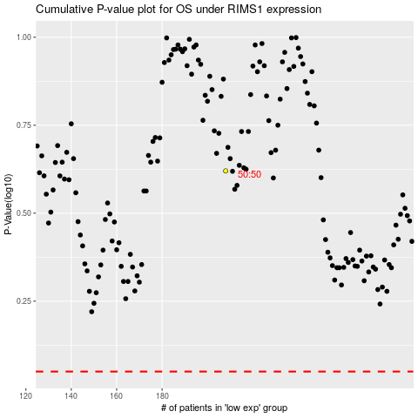

 |  |  |  |  |  | cases_OS | p_OS | rank | exp
 |  |  |  |  |  |  | cases_RFS | p_RFS | rank | exp

