RIMS3 _multivariate
Reported by Tex Li-Hsing Chi. tex@gate.sinica.edu.tw 2019-08-16

Table 2. The clinicopathological features of HNSCC cohort and RIMS3 expression. (Chi square test)
Cutoff at -0.337 (50.0%)
 |  | RIMS3 expression |  | RIMS3 expression |  | (Optimised)
 | Features | Low | (%) | High | (%) | Case no | P-value | Remark | Matthews
Gender | Female | 159 | 38.3 | 147 | 35.4 | 415 | 0.1905 | 0 | 0
2 | Male | 48 | 11.6 | 61 | 14.7
Age at diagnosis | <=65y | 139 | 33.5 | 135 | 32.5 | 415 | 0.7044 | 0 | 0
4 | >65y | 68 | 16.4 | 73 | 17.6
Clinical T Status | T1+T2 | 74 | 17.8 | 75 | 18.1 | 415 | 1 | 0 | 0
6 | T3+T4 | 133 | 32 | 133 | 32
Clinical N Status | N0 | 102 | 24.6 | 114 | 27.5 | 415 | 0.3031 | 0 | 0
8 | N1-3 | 105 | 25.3 | 94 | 22.7
Clinical M Status | M0 | 206 | 49.6 | 206 | 49.6 | 415 | 1 | 0 | 0
10 | M1 | 1 | 0.2 | 2 | 0.5
Clinical Stage | Stage I+II | 46 | 11.1 | 56 | 13.5 | 415 | 0.3182 | 0 | 0
12 | Stage III+IV | 161 | 38.8 | 152 | 36.6
Surgical Margin status | Negative | 160 | 38.6 | 158 | 38.1 | 415 | 0.8167 | 0 | 0
14 | Positive | 47 | 11.3 | 50 | 12
Tobacco Exposure | Low | 68 | 16.4 | 93 | 22.4 | 415 | 0.0156 | 1 | 0
16 | High | 139 | 33.5 | 115 | 27.7

Table 3. Univariate/Multivariate Cox's proportional hazards regression analyses on OS time of RIMS3 gene expression in HNSCC

 |  | Univariate |  |  |  | Multivariate
 | Features | HR | CI95%(L) | CI95%(H) | P-value | HR | CI95%(L) | CI95%(H) | P-value
1 | Female | 1 |  |  |  | 1
Gender | Male | 1.157 | 0.843 | 1.587 | 0.367 | 1.222 | 0.874 | 1.708 | 0.241
11 | <=65y | 1 |  |  |  | 1
Age at diagnosis | >65y | 1.329 | 0.99 | 1.784 | 0.058 | 1.409 | 1.037 | 1.915 | 0.028
12 | T1+T2 | 1 |  |  |  | 1
Clinical T Status | T3+T4 | 1.409 | 1.028 | 1.931 | 0.033 | 2.226 | 1.178 | 4.207 | 0.014
13 | N0 | 1 |  |  |  | 1
Clinical N Status | N1-3 | 1.185 | 0.89 | 1.577 | 0.246 | 1.228 | 0.861 | 1.753 | 0.257
14 | M0 | 1 |  |  |  | 1
Clinical M Status | M1 | 4.097 | 1.009 | 16.644 | 0.049 | 10.309 | 2.239 | 47.463 | 0.003
15 | Stage I+II | 1 |  |  |  | 1
Clinical Stage | Stage III+IV | 1.245 | 0.882 | 1.759 | 0.213 | 0.496 | 0.231 | 1.064 | 0.072
16 | Negative | 1 |  |  |  | 1
Surgical Margin status | Positive | 1.591 | 1.155 | 2.191 | 0.004 | 1.692 | 1.224 | 2.338 | 0.001
17 | Low | 1 |  |  |  | 1
Tobacco Exposure | High | 1.364 | 1.008 | 1.844 | 0.044 | 1.426 | 1.034 | 1.966 | 0.03
18 | Low | 1 |  |  |  | 1
RNAseq(z-score) | High | 0.832 | 0.624 | 1.11 | 0.211 | 0.795 | 0.592 | 1.067 | 0.126

Table 4. Univariate/Multivariate Cox's proportional hazards regression analyses on RFS time of RIMS3 gene expression in HNSCC

 |  | Univariate |  |  |  | Multivariate
 | Features | HR | CI95%(L) | CI95%(H) | P-value | HR | CI95%(L) | CI95%(H) | P-value
1 | Female | 1 |  |  |  | 1
Gender | Male | 1.157 | 0.843 | 1.587 | 0.367 | 1.222 | 0.874 | 1.708 | 0.241
11 | <=65y | 1 |  |  |  | 1
Age at diagnosis | >65y | 1.329 | 0.99 | 1.784 | 0.058 | 1.409 | 1.037 | 1.915 | 0.028
12 | T1+T2 | 1 |  |  |  | 1
Clinical T Status | T3+T4 | 1.409 | 1.028 | 1.931 | 0.033 | 2.226 | 1.178 | 4.207 | 0.014
13 | N0 | 1 |  |  |  | 1
Clinical N Status | N1-3 | 1.185 | 0.89 | 1.577 | 0.246 | 1.228 | 0.861 | 1.753 | 0.257
14 | M0 | 1 |  |  |  | 1
Clinical M Status | M1 | 4.097 | 1.009 | 16.644 | 0.049 | 10.309 | 2.239 | 47.463 | 0.003
15 | Stage I+II | 1 |  |  |  | 1
Clinical Stage | Stage III+IV | 1.245 | 0.882 | 1.759 | 0.213 | 0.496 | 0.231 | 1.064 | 0.072
16 | Negative | 1 |  |  |  | 1
Surgical Margin status | Positive | 1.591 | 1.155 | 2.191 | 0.004 | 1.692 | 1.224 | 2.338 | 0.001
17 | Low | 1 |  |  |  | 1
Tobacco Exposure | High | 1.364 | 1.008 | 1.844 | 0.044 | 1.426 | 1.034 | 1.966 | 0.03
18 | Low | 1 |  |  |  | 1
RNAseq(z-score) | High | 0.832 | 0.624 | 1.11 | 0.211 | 0.795 | 0.592 | 1.067 | 0.126

Kaplan-Meier survival estimate: Cutoff at -0.337 (50.0%)



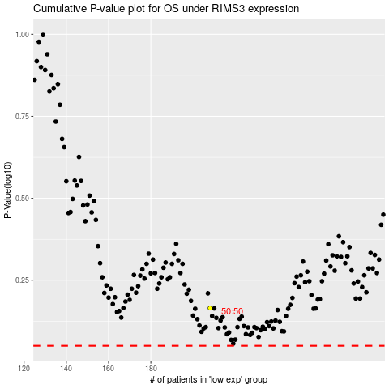

 |  |  |  |  |  | cases_OS | p_OS | rank | exp
 |  |  |  |  |  |  | cases_RFS | p_RFS | rank | exp

