RIMS4 _multivariate
Reported by Tex Li-Hsing Chi. tex@gate.sinica.edu.tw 2019-08-16

Table 2. The clinicopathological features of HNSCC cohort and RIMS4 expression. (Chi square test)
Cutoff at -0.247 (49.8%)
 |  | RIMS4 expression |  | RIMS4 expression |  | (Optimised)
 | Features | Low | (%) | High | (%) | Case no | P-value | Remark | Matthews
Gender | Female | 151 | 36.4 | 155 | 37.3 | 415 | 0.8007 | 0 | 0
2 | Male | 56 | 13.5 | 53 | 12.8
Age at diagnosis | <=65y | 136 | 32.8 | 138 | 33.3 | 415 | 0.9719 | 0 | 0
4 | >65y | 71 | 17.1 | 70 | 16.9
Clinical T Status | T1+T2 | 75 | 18.1 | 74 | 17.8 | 415 | 0.9707 | 0 | 0
6 | T3+T4 | 132 | 31.8 | 134 | 32.3
Clinical N Status | N0 | 107 | 25.8 | 109 | 26.3 | 415 | 0.9624 | 0 | 0
8 | N1-3 | 100 | 24.1 | 99 | 23.9
Clinical M Status | M0 | 205 | 49.4 | 207 | 49.9 | 415 | 0.6232 | 0 | 0
10 | M1 | 2 | 0.5 | 1 | 0.2
Clinical Stage | Stage I+II | 49 | 11.8 | 53 | 12.8 | 415 | 0.7535 | 0 | 0
12 | Stage III+IV | 158 | 38.1 | 155 | 37.3
Surgical Margin status | Negative | 158 | 38.1 | 160 | 38.6 | 415 | 0.9081 | 0 | 0
14 | Positive | 49 | 11.8 | 48 | 11.6
Tobacco Exposure | Low | 87 | 21 | 74 | 17.8 | 415 | 0.1911 | 0 | 0
16 | High | 120 | 28.9 | 134 | 32.3

Table 3. Univariate/Multivariate Cox's proportional hazards regression analyses on OS time of RIMS4 gene expression in HNSCC

 |  | Univariate |  |  |  | Multivariate
 | Features | HR | CI95%(L) | CI95%(H) | P-value | HR | CI95%(L) | CI95%(H) | P-value
1 | Female | 1 |  |  |  | 1
Gender | Male | 1.157 | 0.843 | 1.587 | 0.367 | 1.206 | 0.863 | 1.686 | 0.272
11 | <=65y | 1 |  |  |  | 1
Age at diagnosis | >65y | 1.329 | 0.99 | 1.784 | 0.058 | 1.392 | 1.024 | 1.892 | 0.035
12 | T1+T2 | 1 |  |  |  | 1
Clinical T Status | T3+T4 | 1.409 | 1.028 | 1.931 | 0.033 | 2.231 | 1.178 | 4.225 | 0.014
13 | N0 | 1 |  |  |  | 1
Clinical N Status | N1-3 | 1.185 | 0.89 | 1.577 | 0.246 | 1.246 | 0.873 | 1.778 | 0.226
14 | M0 | 1 |  |  |  | 1
Clinical M Status | M1 | 4.097 | 1.009 | 16.644 | 0.049 | 9.436 | 2.058 | 43.258 | 0.004
15 | Stage I+II | 1 |  |  |  | 1
Clinical Stage | Stage III+IV | 1.245 | 0.882 | 1.759 | 0.213 | 0.498 | 0.232 | 1.07 | 0.074
16 | Negative | 1 |  |  |  | 1
Surgical Margin status | Positive | 1.591 | 1.155 | 2.191 | 0.004 | 1.687 | 1.219 | 2.334 | 0.002
17 | Low | 1 |  |  |  | 1
Tobacco Exposure | High | 1.364 | 1.008 | 1.844 | 0.044 | 1.467 | 1.063 | 2.025 | 0.02
18 | Low | 1 |  |  |  | 1
RNAseq(z-score) | High | 0.977 | 0.733 | 1.303 | 0.876 | 0.904 | 0.676 | 1.209 | 0.497

Table 4. Univariate/Multivariate Cox's proportional hazards regression analyses on RFS time of RIMS4 gene expression in HNSCC

 |  | Univariate |  |  |  | Multivariate
 | Features | HR | CI95%(L) | CI95%(H) | P-value | HR | CI95%(L) | CI95%(H) | P-value
1 | Female | 1 |  |  |  | 1
Gender | Male | 1.157 | 0.843 | 1.587 | 0.367 | 1.206 | 0.863 | 1.686 | 0.272
11 | <=65y | 1 |  |  |  | 1
Age at diagnosis | >65y | 1.329 | 0.99 | 1.784 | 0.058 | 1.392 | 1.024 | 1.892 | 0.035
12 | T1+T2 | 1 |  |  |  | 1
Clinical T Status | T3+T4 | 1.409 | 1.028 | 1.931 | 0.033 | 2.231 | 1.178 | 4.225 | 0.014
13 | N0 | 1 |  |  |  | 1
Clinical N Status | N1-3 | 1.185 | 0.89 | 1.577 | 0.246 | 1.246 | 0.873 | 1.778 | 0.226
14 | M0 | 1 |  |  |  | 1
Clinical M Status | M1 | 4.097 | 1.009 | 16.644 | 0.049 | 9.436 | 2.058 | 43.258 | 0.004
15 | Stage I+II | 1 |  |  |  | 1
Clinical Stage | Stage III+IV | 1.245 | 0.882 | 1.759 | 0.213 | 0.498 | 0.232 | 1.07 | 0.074
16 | Negative | 1 |  |  |  | 1
Surgical Margin status | Positive | 1.591 | 1.155 | 2.191 | 0.004 | 1.687 | 1.219 | 2.334 | 0.002
17 | Low | 1 |  |  |  | 1
Tobacco Exposure | High | 1.364 | 1.008 | 1.844 | 0.044 | 1.467 | 1.063 | 2.025 | 0.02
18 | Low | 1 |  |  |  | 1
RNAseq(z-score) | High | 0.977 | 0.733 | 1.303 | 0.876 | 0.904 | 0.676 | 1.209 | 0.497

Kaplan-Meier survival estimate: Cutoff at -0.247 (49.8%)



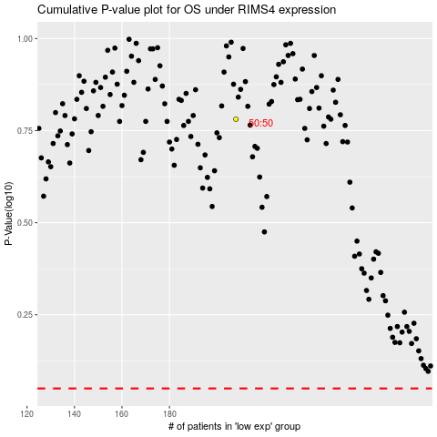

 |  |  |  |  |  | cases_OS | p_OS | rank | exp
 |  |  |  |  |  |  | cases_RFS | p_RFS | rank | exp

