RIN1 _multivariate
Reported by Tex Li-Hsing Chi. tex@gate.sinica.edu.tw 2019-08-16

Table 2. The clinicopathological features of HNSCC cohort and RIN1 expression. (Chi square test)
Cutoff at -0.182 (49.8%)
 |  | RIN1 expression |  | RIN1 expression |  | (Optimised)
 | Features | Low | (%) | High | (%) | Case no | P-value | Remark | Matthews
Gender | Female | 168 | 40.5 | 138 | 33.3 | 415 | 9e-04 | 1 | 0
2 | Male | 39 | 9.4 | 70 | 16.9
Age at diagnosis | <=65y | 142 | 34.2 | 132 | 31.8 | 415 | 0.3167 | 0 | 0
4 | >65y | 65 | 15.7 | 76 | 18.3
Clinical T Status | T1+T2 | 65 | 15.7 | 84 | 20.2 | 415 | 0.0711 | 0 | 0
6 | T3+T4 | 142 | 34.2 | 124 | 29.9
Clinical N Status | N0 | 102 | 24.6 | 114 | 27.5 | 415 | 0.3031 | 0 | 0
8 | N1-3 | 105 | 25.3 | 94 | 22.7
Clinical M Status | M0 | 206 | 49.6 | 206 | 49.6 | 415 | 1 | 0 | 0
10 | M1 | 1 | 0.2 | 2 | 0.5
Clinical Stage | Stage I+II | 36 | 8.7 | 66 | 15.9 | 415 | 0.001 | 1 | 0
12 | Stage III+IV | 171 | 41.2 | 142 | 34.2
Surgical Margin status | Negative | 155 | 37.3 | 163 | 39.3 | 415 | 0.4187 | 0 | 0
14 | Positive | 52 | 12.5 | 45 | 10.8
Tobacco Exposure | Low | 74 | 17.8 | 87 | 21 | 415 | 0.227 | 0 | 0
16 | High | 133 | 32 | 121 | 29.2

Table 3. Univariate/Multivariate Cox's proportional hazards regression analyses on OS time of RIN1 gene expression in HNSCC

 |  | Univariate |  |  |  | Multivariate
 | Features | HR | CI95%(L) | CI95%(H) | P-value | HR | CI95%(L) | CI95%(H) | P-value
1 | Female | 1 |  |  |  | 1
Gender | Male | 1.157 | 0.843 | 1.587 | 0.367 | 1.202 | 0.857 | 1.686 | 0.286
11 | <=65y | 1 |  |  |  | 1
Age at diagnosis | >65y | 1.329 | 0.99 | 1.784 | 0.058 | 1.392 | 1.024 | 1.892 | 0.035
12 | T1+T2 | 1 |  |  |  | 1
Clinical T Status | T3+T4 | 1.409 | 1.028 | 1.931 | 0.033 | 2.203 | 1.164 | 4.17 | 0.015
13 | N0 | 1 |  |  |  | 1
Clinical N Status | N1-3 | 1.185 | 0.89 | 1.577 | 0.246 | 1.241 | 0.869 | 1.772 | 0.234
14 | M0 | 1 |  |  |  | 1
Clinical M Status | M1 | 4.097 | 1.009 | 16.644 | 0.049 | 9.421 | 2.042 | 43.472 | 0.004
15 | Stage I+II | 1 |  |  |  | 1
Clinical Stage | Stage III+IV | 1.245 | 0.882 | 1.759 | 0.213 | 0.504 | 0.233 | 1.091 | 0.082
16 | Negative | 1 |  |  |  | 1
Surgical Margin status | Positive | 1.591 | 1.155 | 2.191 | 0.004 | 1.672 | 1.209 | 2.311 | 0.002
17 | Low | 1 |  |  |  | 1
Tobacco Exposure | High | 1.364 | 1.008 | 1.844 | 0.044 | 1.453 | 1.054 | 2.002 | 0.023
18 | Low | 1 |  |  |  | 1
RNAseq(z-score) | High | 1.035 | 0.775 | 1.382 | 0.815 | 0.997 | 0.736 | 1.35 | 0.983

Table 4. Univariate/Multivariate Cox's proportional hazards regression analyses on RFS time of RIN1 gene expression in HNSCC

 |  | Univariate |  |  |  | Multivariate
 | Features | HR | CI95%(L) | CI95%(H) | P-value | HR | CI95%(L) | CI95%(H) | P-value
1 | Female | 1 |  |  |  | 1
Gender | Male | 1.157 | 0.843 | 1.587 | 0.367 | 1.202 | 0.857 | 1.686 | 0.286
11 | <=65y | 1 |  |  |  | 1
Age at diagnosis | >65y | 1.329 | 0.99 | 1.784 | 0.058 | 1.392 | 1.024 | 1.892 | 0.035
12 | T1+T2 | 1 |  |  |  | 1
Clinical T Status | T3+T4 | 1.409 | 1.028 | 1.931 | 0.033 | 2.203 | 1.164 | 4.17 | 0.015
13 | N0 | 1 |  |  |  | 1
Clinical N Status | N1-3 | 1.185 | 0.89 | 1.577 | 0.246 | 1.241 | 0.869 | 1.772 | 0.234
14 | M0 | 1 |  |  |  | 1
Clinical M Status | M1 | 4.097 | 1.009 | 16.644 | 0.049 | 9.421 | 2.042 | 43.472 | 0.004
15 | Stage I+II | 1 |  |  |  | 1
Clinical Stage | Stage III+IV | 1.245 | 0.882 | 1.759 | 0.213 | 0.504 | 0.233 | 1.091 | 0.082
16 | Negative | 1 |  |  |  | 1
Surgical Margin status | Positive | 1.591 | 1.155 | 2.191 | 0.004 | 1.672 | 1.209 | 2.311 | 0.002
17 | Low | 1 |  |  |  | 1
Tobacco Exposure | High | 1.364 | 1.008 | 1.844 | 0.044 | 1.453 | 1.054 | 2.002 | 0.023
18 | Low | 1 |  |  |  | 1
RNAseq(z-score) | High | 1.035 | 0.775 | 1.382 | 0.815 | 0.997 | 0.736 | 1.35 | 0.983

Kaplan-Meier survival estimate: Cutoff at -0.182 (49.8%)



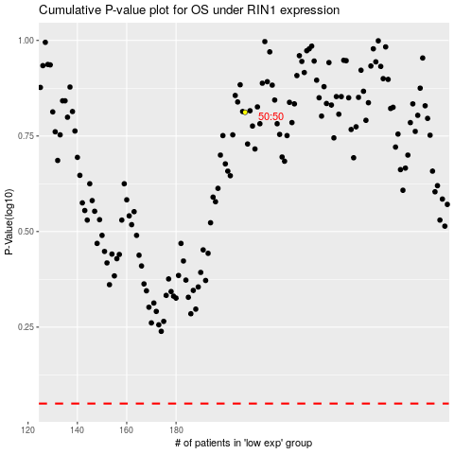

 |  |  |  |  |  | cases_OS | p_OS | rank | exp
 |  |  |  |  |  |  | cases_RFS | p_RFS | rank | exp

