RIN2 _multivariate
Reported by Tex Li-Hsing Chi. tex@gate.sinica.edu.tw 2019-08-16

Table 2. The clinicopathological features of HNSCC cohort and RIN2 expression. (Chi square test)
Cutoff at -0.063 (49.8%)
 |  | RIN2 expression |  | RIN2 expression |  | (Optimised)
 | Features | Low | (%) | High | (%) | Case no | P-value | Remark | Matthews
Gender | Female | 155 | 37.3 | 151 | 36.4 | 415 | 0.6768 | 0 | 0
2 | Male | 52 | 12.5 | 57 | 13.7
Age at diagnosis | <=65y | 133 | 32 | 141 | 34 | 415 | 0.5111 | 0 | 0
4 | >65y | 74 | 17.8 | 67 | 16.1
Clinical T Status | T1+T2 | 70 | 16.9 | 79 | 19 | 415 | 0.4343 | 0 | 0
6 | T3+T4 | 137 | 33 | 129 | 31.1
Clinical N Status | N0 | 96 | 23.1 | 120 | 28.9 | 415 | 0.0272 | 1 | 0
8 | N1-3 | 111 | 26.7 | 88 | 21.2
Clinical M Status | M0 | 207 | 49.9 | 205 | 49.4 | 415 | 0.2482 | 0 | 0
10 | M1 | 0 | 0 | 3 | 0.7
Clinical Stage | Stage I+II | 42 | 10.1 | 60 | 14.5 | 415 | 0.0561 | 0 | 0
12 | Stage III+IV | 165 | 39.8 | 148 | 35.7
Surgical Margin status | Negative | 158 | 38.1 | 160 | 38.6 | 415 | 0.9081 | 0 | 0
14 | Positive | 49 | 11.8 | 48 | 11.6
Tobacco Exposure | Low | 76 | 18.3 | 85 | 20.5 | 415 | 0.4207 | 0 | 0
16 | High | 131 | 31.6 | 123 | 29.6

Table 3. Univariate/Multivariate Cox's proportional hazards regression analyses on OS time of RIN2 gene expression in HNSCC

 |  | Univariate |  |  |  | Multivariate
 | Features | HR | CI95%(L) | CI95%(H) | P-value | HR | CI95%(L) | CI95%(H) | P-value
1 | Female | 1 |  |  |  | 1
Gender | Male | 1.157 | 0.843 | 1.587 | 0.367 | 1.201 | 0.86 | 1.678 | 0.282
11 | <=65y | 1 |  |  |  | 1
Age at diagnosis | >65y | 1.329 | 0.99 | 1.784 | 0.058 | 1.395 | 1.025 | 1.899 | 0.034
12 | T1+T2 | 1 |  |  |  | 1
Clinical T Status | T3+T4 | 1.409 | 1.028 | 1.931 | 0.033 | 2.204 | 1.165 | 4.166 | 0.015
13 | N0 | 1 |  |  |  | 1
Clinical N Status | N1-3 | 1.185 | 0.89 | 1.577 | 0.246 | 1.246 | 0.869 | 1.786 | 0.231
14 | M0 | 1 |  |  |  | 1
Clinical M Status | M1 | 4.097 | 1.009 | 16.644 | 0.049 | 9.284 | 2.006 | 42.964 | 0.004
15 | Stage I+II | 1 |  |  |  | 1
Clinical Stage | Stage III+IV | 1.245 | 0.882 | 1.759 | 0.213 | 0.505 | 0.235 | 1.083 | 0.079
16 | Negative | 1 |  |  |  | 1
Surgical Margin status | Positive | 1.591 | 1.155 | 2.191 | 0.004 | 1.669 | 1.207 | 2.308 | 0.002
17 | Low | 1 |  |  |  | 1
Tobacco Exposure | High | 1.364 | 1.008 | 1.844 | 0.044 | 1.455 | 1.056 | 2.006 | 0.022
18 | Low | 1 |  |  |  | 1
RNAseq(z-score) | High | 0.995 | 0.747 | 1.326 | 0.974 | 1.023 | 0.761 | 1.376 | 0.881

Table 4. Univariate/Multivariate Cox's proportional hazards regression analyses on RFS time of RIN2 gene expression in HNSCC

 |  | Univariate |  |  |  | Multivariate
 | Features | HR | CI95%(L) | CI95%(H) | P-value | HR | CI95%(L) | CI95%(H) | P-value
1 | Female | 1 |  |  |  | 1
Gender | Male | 1.157 | 0.843 | 1.587 | 0.367 | 1.201 | 0.86 | 1.678 | 0.282
11 | <=65y | 1 |  |  |  | 1
Age at diagnosis | >65y | 1.329 | 0.99 | 1.784 | 0.058 | 1.395 | 1.025 | 1.899 | 0.034
12 | T1+T2 | 1 |  |  |  | 1
Clinical T Status | T3+T4 | 1.409 | 1.028 | 1.931 | 0.033 | 2.204 | 1.165 | 4.166 | 0.015
13 | N0 | 1 |  |  |  | 1
Clinical N Status | N1-3 | 1.185 | 0.89 | 1.577 | 0.246 | 1.246 | 0.869 | 1.786 | 0.231
14 | M0 | 1 |  |  |  | 1
Clinical M Status | M1 | 4.097 | 1.009 | 16.644 | 0.049 | 9.284 | 2.006 | 42.964 | 0.004
15 | Stage I+II | 1 |  |  |  | 1
Clinical Stage | Stage III+IV | 1.245 | 0.882 | 1.759 | 0.213 | 0.505 | 0.235 | 1.083 | 0.079
16 | Negative | 1 |  |  |  | 1
Surgical Margin status | Positive | 1.591 | 1.155 | 2.191 | 0.004 | 1.669 | 1.207 | 2.308 | 0.002
17 | Low | 1 |  |  |  | 1
Tobacco Exposure | High | 1.364 | 1.008 | 1.844 | 0.044 | 1.455 | 1.056 | 2.006 | 0.022
18 | Low | 1 |  |  |  | 1
RNAseq(z-score) | High | 0.995 | 0.747 | 1.326 | 0.974 | 1.023 | 0.761 | 1.376 | 0.881

Kaplan-Meier survival estimate: Cutoff at -0.063 (49.8%)

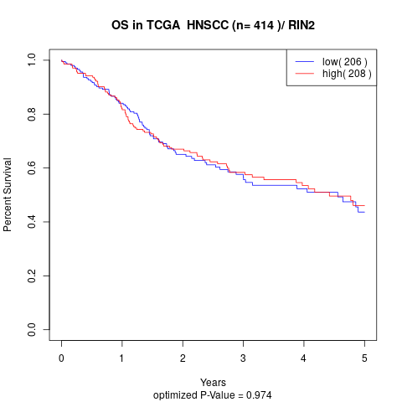

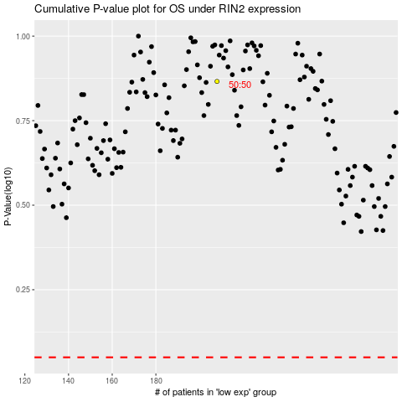

 |  |  |  |  |  | cases_OS | p_OS | rank | exp
 |  |  |  |  |  |  | cases_RFS | p_RFS | rank | exp

