RIN3 _multivariate
Reported by Tex Li-Hsing Chi. tex@gate.sinica.edu.tw 2019-08-16

Table 2. The clinicopathological features of HNSCC cohort and RIN3 expression. (Chi square test)
Cutoff at 0.033 (50.0%)
 |  | RIN3 expression |  | RIN3 expression |  | (Optimised)
 | Features | Low | (%) | High | (%) | Case no | P-value | Remark | Matthews
Gender | Female | 166 | 40 | 140 | 33.7 | 415 | 0.0041 | 1 | 0
2 | Male | 41 | 9.9 | 68 | 16.4
Age at diagnosis | <=65y | 152 | 36.6 | 122 | 29.4 | 415 | 0.0021 | 1 | 0
4 | >65y | 55 | 13.3 | 86 | 20.7
Clinical T Status | T1+T2 | 71 | 17.1 | 78 | 18.8 | 415 | 0.5638 | 0 | 0
6 | T3+T4 | 136 | 32.8 | 130 | 31.3
Clinical N Status | N0 | 109 | 26.3 | 107 | 25.8 | 415 | 0.8812 | 0 | 0
8 | N1-3 | 98 | 23.6 | 101 | 24.3
Clinical M Status | M0 | 205 | 49.4 | 207 | 49.9 | 415 | 0.6232 | 0 | 0
10 | M1 | 2 | 0.5 | 1 | 0.2
Clinical Stage | Stage I+II | 46 | 11.1 | 56 | 13.5 | 415 | 0.3182 | 0 | 0
12 | Stage III+IV | 161 | 38.8 | 152 | 36.6
Surgical Margin status | Negative | 151 | 36.4 | 167 | 40.2 | 415 | 0.0828 | 0 | 0
14 | Positive | 56 | 13.5 | 41 | 9.9
Tobacco Exposure | Low | 64 | 15.4 | 97 | 23.4 | 415 | 0.0012 | 1 | 0
16 | High | 143 | 34.5 | 111 | 26.7

Table 3. Univariate/Multivariate Cox's proportional hazards regression analyses on OS time of RIN3 gene expression in HNSCC

 |  | Univariate |  |  |  | Multivariate
 | Features | HR | CI95%(L) | CI95%(H) | P-value | HR | CI95%(L) | CI95%(H) | P-value
1 | Female | 1 |  |  |  | 1
Gender | Male | 1.157 | 0.843 | 1.587 | 0.367 | 1.199 | 0.858 | 1.676 | 0.287
11 | <=65y | 1 |  |  |  | 1
Age at diagnosis | >65y | 1.329 | 0.99 | 1.784 | 0.058 | 1.382 | 1.013 | 1.885 | 0.041
12 | T1+T2 | 1 |  |  |  | 1
Clinical T Status | T3+T4 | 1.409 | 1.028 | 1.931 | 0.033 | 2.198 | 1.162 | 4.157 | 0.015
13 | N0 | 1 |  |  |  | 1
Clinical N Status | N1-3 | 1.185 | 0.89 | 1.577 | 0.246 | 1.235 | 0.864 | 1.764 | 0.247
14 | M0 | 1 |  |  |  | 1
Clinical M Status | M1 | 4.097 | 1.009 | 16.644 | 0.049 | 9.438 | 2.058 | 43.275 | 0.004
15 | Stage I+II | 1 |  |  |  | 1
Clinical Stage | Stage III+IV | 1.245 | 0.882 | 1.759 | 0.213 | 0.508 | 0.236 | 1.093 | 0.083
16 | Negative | 1 |  |  |  | 1
Surgical Margin status | Positive | 1.591 | 1.155 | 2.191 | 0.004 | 1.674 | 1.212 | 2.314 | 0.002
17 | Low | 1 |  |  |  | 1
Tobacco Exposure | High | 1.364 | 1.008 | 1.844 | 0.044 | 1.461 | 1.058 | 2.017 | 0.021
18 | Low | 1 |  |  |  | 1
RNAseq(z-score) | High | 1.043 | 0.781 | 1.393 | 0.774 | 1.045 | 0.775 | 1.408 | 0.774

Table 4. Univariate/Multivariate Cox's proportional hazards regression analyses on RFS time of RIN3 gene expression in HNSCC

 |  | Univariate |  |  |  | Multivariate
 | Features | HR | CI95%(L) | CI95%(H) | P-value | HR | CI95%(L) | CI95%(H) | P-value
1 | Female | 1 |  |  |  | 1
Gender | Male | 1.157 | 0.843 | 1.587 | 0.367 | 1.199 | 0.858 | 1.676 | 0.287
11 | <=65y | 1 |  |  |  | 1
Age at diagnosis | >65y | 1.329 | 0.99 | 1.784 | 0.058 | 1.382 | 1.013 | 1.885 | 0.041
12 | T1+T2 | 1 |  |  |  | 1
Clinical T Status | T3+T4 | 1.409 | 1.028 | 1.931 | 0.033 | 2.198 | 1.162 | 4.157 | 0.015
13 | N0 | 1 |  |  |  | 1
Clinical N Status | N1-3 | 1.185 | 0.89 | 1.577 | 0.246 | 1.235 | 0.864 | 1.764 | 0.247
14 | M0 | 1 |  |  |  | 1
Clinical M Status | M1 | 4.097 | 1.009 | 16.644 | 0.049 | 9.438 | 2.058 | 43.275 | 0.004
15 | Stage I+II | 1 |  |  |  | 1
Clinical Stage | Stage III+IV | 1.245 | 0.882 | 1.759 | 0.213 | 0.508 | 0.236 | 1.093 | 0.083
16 | Negative | 1 |  |  |  | 1
Surgical Margin status | Positive | 1.591 | 1.155 | 2.191 | 0.004 | 1.674 | 1.212 | 2.314 | 0.002
17 | Low | 1 |  |  |  | 1
Tobacco Exposure | High | 1.364 | 1.008 | 1.844 | 0.044 | 1.461 | 1.058 | 2.017 | 0.021
18 | Low | 1 |  |  |  | 1
RNAseq(z-score) | High | 1.043 | 0.781 | 1.393 | 0.774 | 1.045 | 0.775 | 1.408 | 0.774

Kaplan-Meier survival estimate: Cutoff at 0.033 (50.0%)



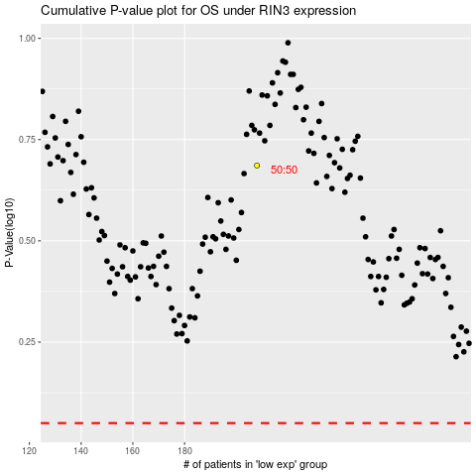

 |  |  |  |  |  | cases_OS | p_OS | rank | exp
 |  |  |  |  |  |  | cases_RFS | p_RFS | rank | exp

