RINT1 _multivariate
Reported by Tex Li-Hsing Chi. tex@gate.sinica.edu.tw 2019-08-16

Table 2. The clinicopathological features of HNSCC cohort and RINT1 expression. (Chi square test)
Cutoff at -0.132 (49.8%)
 |  | RINT1 expression |  | RINT1 expression |  | (Optimised)
 | Features | Low | (%) | High | (%) | Case no | P-value | Remark | Matthews
Gender | Female | 146 | 35.2 | 160 | 38.6 | 415 | 0.1714 | 0 | 0
2 | Male | 61 | 14.7 | 48 | 11.6
Age at diagnosis | <=65y | 140 | 33.7 | 134 | 32.3 | 415 | 0.5574 | 0 | 0
4 | >65y | 67 | 16.1 | 74 | 17.8
Clinical T Status | T1+T2 | 87 | 21 | 62 | 14.9 | 415 | 0.0127 | 1 | 0
6 | T3+T4 | 120 | 28.9 | 146 | 35.2
Clinical N Status | N0 | 103 | 24.8 | 113 | 27.2 | 415 | 0.4047 | 0 | 0
8 | N1-3 | 104 | 25.1 | 95 | 22.9
Clinical M Status | M0 | 205 | 49.4 | 207 | 49.9 | 415 | 0.6232 | 0 | 0
10 | M1 | 2 | 0.5 | 1 | 0.2
Clinical Stage | Stage I+II | 57 | 13.7 | 45 | 10.8 | 415 | 0.1998 | 0 | 0
12 | Stage III+IV | 150 | 36.1 | 163 | 39.3
Surgical Margin status | Negative | 151 | 36.4 | 167 | 40.2 | 415 | 0.0828 | 0 | 0
14 | Positive | 56 | 13.5 | 41 | 9.9
Tobacco Exposure | Low | 96 | 23.1 | 65 | 15.7 | 415 | 0.0018 | 1 | 0
16 | High | 111 | 26.7 | 143 | 34.5

Table 3. Univariate/Multivariate Cox's proportional hazards regression analyses on OS time of RINT1 gene expression in HNSCC

 |  | Univariate |  |  |  | Multivariate
 | Features | HR | CI95%(L) | CI95%(H) | P-value | HR | CI95%(L) | CI95%(H) | P-value
1 | Female | 1 |  |  |  | 1
Gender | Male | 1.157 | 0.843 | 1.587 | 0.367 | 1.217 | 0.871 | 1.7 | 0.249
11 | <=65y | 1 |  |  |  | 1
Age at diagnosis | >65y | 1.329 | 0.99 | 1.784 | 0.058 | 1.381 | 1.016 | 1.877 | 0.039
12 | T1+T2 | 1 |  |  |  | 1
Clinical T Status | T3+T4 | 1.409 | 1.028 | 1.931 | 0.033 | 2.169 | 1.147 | 4.101 | 0.017
13 | N0 | 1 |  |  |  | 1
Clinical N Status | N1-3 | 1.185 | 0.89 | 1.577 | 0.246 | 1.277 | 0.893 | 1.827 | 0.181
14 | M0 | 1 |  |  |  | 1
Clinical M Status | M1 | 4.097 | 1.009 | 16.644 | 0.049 | 9.893 | 2.155 | 45.421 | 0.003
15 | Stage I+II | 1 |  |  |  | 1
Clinical Stage | Stage III+IV | 1.245 | 0.882 | 1.759 | 0.213 | 0.496 | 0.231 | 1.064 | 0.072
16 | Negative | 1 |  |  |  | 1
Surgical Margin status | Positive | 1.591 | 1.155 | 2.191 | 0.004 | 1.71 | 1.236 | 2.366 | 0.001
17 | Low | 1 |  |  |  | 1
Tobacco Exposure | High | 1.364 | 1.008 | 1.844 | 0.044 | 1.418 | 1.028 | 1.956 | 0.033
18 | Low | 1 |  |  |  | 1
RNAseq(z-score) | High | 1.231 | 0.921 | 1.646 | 0.161 | 1.243 | 0.922 | 1.677 | 0.154

Table 4. Univariate/Multivariate Cox's proportional hazards regression analyses on RFS time of RINT1 gene expression in HNSCC

 |  | Univariate |  |  |  | Multivariate
 | Features | HR | CI95%(L) | CI95%(H) | P-value | HR | CI95%(L) | CI95%(H) | P-value
1 | Female | 1 |  |  |  | 1
Gender | Male | 1.157 | 0.843 | 1.587 | 0.367 | 1.217 | 0.871 | 1.7 | 0.249
11 | <=65y | 1 |  |  |  | 1
Age at diagnosis | >65y | 1.329 | 0.99 | 1.784 | 0.058 | 1.381 | 1.016 | 1.877 | 0.039
12 | T1+T2 | 1 |  |  |  | 1
Clinical T Status | T3+T4 | 1.409 | 1.028 | 1.931 | 0.033 | 2.169 | 1.147 | 4.101 | 0.017
13 | N0 | 1 |  |  |  | 1
Clinical N Status | N1-3 | 1.185 | 0.89 | 1.577 | 0.246 | 1.277 | 0.893 | 1.827 | 0.181
14 | M0 | 1 |  |  |  | 1
Clinical M Status | M1 | 4.097 | 1.009 | 16.644 | 0.049 | 9.893 | 2.155 | 45.421 | 0.003
15 | Stage I+II | 1 |  |  |  | 1
Clinical Stage | Stage III+IV | 1.245 | 0.882 | 1.759 | 0.213 | 0.496 | 0.231 | 1.064 | 0.072
16 | Negative | 1 |  |  |  | 1
Surgical Margin status | Positive | 1.591 | 1.155 | 2.191 | 0.004 | 1.71 | 1.236 | 2.366 | 0.001
17 | Low | 1 |  |  |  | 1
Tobacco Exposure | High | 1.364 | 1.008 | 1.844 | 0.044 | 1.418 | 1.028 | 1.956 | 0.033
18 | Low | 1 |  |  |  | 1
RNAseq(z-score) | High | 1.231 | 0.921 | 1.646 | 0.161 | 1.243 | 0.922 | 1.677 | 0.154

Kaplan-Meier survival estimate: Cutoff at -0.132 (49.8%)



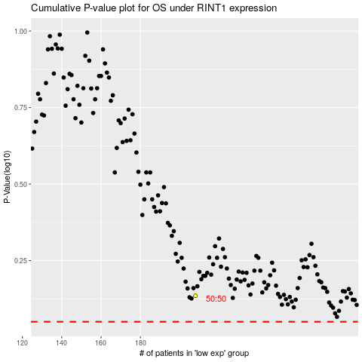

 |  |  |  |  |  | cases_OS | p_OS | rank | exp
 |  |  |  |  |  |  | cases_RFS | p_RFS | rank | exp

