RIOK2 _multivariate
Reported by Tex Li-Hsing Chi. tex@gate.sinica.edu.tw 2019-08-16

Table 2. The clinicopathological features of HNSCC cohort and RIOK2 expression. (Chi square test)
Cutoff at -0.169 (49.8%)
 |  | RIOK2 expression |  | RIOK2 expression |  | (Optimised)
 | Features | Low | (%) | High | (%) | Case no | P-value | Remark | Matthews
Gender | Female | 156 | 37.6 | 150 | 36.1 | 415 | 0.5222 | 0 | 0
2 | Male | 51 | 12.3 | 58 | 14
Age at diagnosis | <=65y | 141 | 34 | 133 | 32 | 415 | 0.4272 | 0 | 0
4 | >65y | 66 | 15.9 | 75 | 18.1
Clinical T Status | T1+T2 | 66 | 15.9 | 83 | 20 | 415 | 0.1095 | 0 | 0
6 | T3+T4 | 141 | 34 | 125 | 30.1
Clinical N Status | N0 | 106 | 25.5 | 110 | 26.5 | 415 | 0.8075 | 0 | 0
8 | N1-3 | 101 | 24.3 | 98 | 23.6
Clinical M Status | M0 | 207 | 49.9 | 205 | 49.4 | 415 | 0.2482 | 0 | 0
10 | M1 | 0 | 0 | 3 | 0.7
Clinical Stage | Stage I+II | 47 | 11.3 | 55 | 13.3 | 415 | 0.4413 | 0 | 0
12 | Stage III+IV | 160 | 38.6 | 153 | 36.9
Surgical Margin status | Negative | 159 | 38.3 | 159 | 38.3 | 415 | 1 | 0 | 0
14 | Positive | 48 | 11.6 | 49 | 11.8
Tobacco Exposure | Low | 75 | 18.1 | 86 | 20.7 | 415 | 0.3141 | 0 | 0
16 | High | 132 | 31.8 | 122 | 29.4

Table 3. Univariate/Multivariate Cox's proportional hazards regression analyses on OS time of RIOK2 gene expression in HNSCC

 |  | Univariate |  |  |  | Multivariate
 | Features | HR | CI95%(L) | CI95%(H) | P-value | HR | CI95%(L) | CI95%(H) | P-value
1 | Female | 1 |  |  |  | 1
Gender | Male | 1.157 | 0.843 | 1.587 | 0.367 | 1.187 | 0.849 | 1.66 | 0.316
11 | <=65y | 1 |  |  |  | 1
Age at diagnosis | >65y | 1.329 | 0.99 | 1.784 | 0.058 | 1.403 | 1.032 | 1.908 | 0.031
12 | T1+T2 | 1 |  |  |  | 1
Clinical T Status | T3+T4 | 1.409 | 1.028 | 1.931 | 0.033 | 2.231 | 1.18 | 4.219 | 0.014
13 | N0 | 1 |  |  |  | 1
Clinical N Status | N1-3 | 1.185 | 0.89 | 1.577 | 0.246 | 1.249 | 0.876 | 1.783 | 0.22
14 | M0 | 1 |  |  |  | 1
Clinical M Status | M1 | 4.097 | 1.009 | 16.644 | 0.049 | 8.781 | 1.905 | 40.485 | 0.005
15 | Stage I+II | 1 |  |  |  | 1
Clinical Stage | Stage III+IV | 1.245 | 0.882 | 1.759 | 0.213 | 0.511 | 0.238 | 1.097 | 0.085
16 | Negative | 1 |  |  |  | 1
Surgical Margin status | Positive | 1.591 | 1.155 | 2.191 | 0.004 | 1.651 | 1.194 | 2.283 | 0.002
17 | Low | 1 |  |  |  | 1
Tobacco Exposure | High | 1.364 | 1.008 | 1.844 | 0.044 | 1.467 | 1.064 | 2.022 | 0.019
18 | Low | 1 |  |  |  | 1
RNAseq(z-score) | High | 1.11 | 0.834 | 1.479 | 0.473 | 1.154 | 0.858 | 1.552 | 0.344

Table 4. Univariate/Multivariate Cox's proportional hazards regression analyses on RFS time of RIOK2 gene expression in HNSCC

 |  | Univariate |  |  |  | Multivariate
 | Features | HR | CI95%(L) | CI95%(H) | P-value | HR | CI95%(L) | CI95%(H) | P-value
1 | Female | 1 |  |  |  | 1
Gender | Male | 1.157 | 0.843 | 1.587 | 0.367 | 1.187 | 0.849 | 1.66 | 0.316
11 | <=65y | 1 |  |  |  | 1
Age at diagnosis | >65y | 1.329 | 0.99 | 1.784 | 0.058 | 1.403 | 1.032 | 1.908 | 0.031
12 | T1+T2 | 1 |  |  |  | 1
Clinical T Status | T3+T4 | 1.409 | 1.028 | 1.931 | 0.033 | 2.231 | 1.18 | 4.219 | 0.014
13 | N0 | 1 |  |  |  | 1
Clinical N Status | N1-3 | 1.185 | 0.89 | 1.577 | 0.246 | 1.249 | 0.876 | 1.783 | 0.22
14 | M0 | 1 |  |  |  | 1
Clinical M Status | M1 | 4.097 | 1.009 | 16.644 | 0.049 | 8.781 | 1.905 | 40.485 | 0.005
15 | Stage I+II | 1 |  |  |  | 1
Clinical Stage | Stage III+IV | 1.245 | 0.882 | 1.759 | 0.213 | 0.511 | 0.238 | 1.097 | 0.085
16 | Negative | 1 |  |  |  | 1
Surgical Margin status | Positive | 1.591 | 1.155 | 2.191 | 0.004 | 1.651 | 1.194 | 2.283 | 0.002
17 | Low | 1 |  |  |  | 1
Tobacco Exposure | High | 1.364 | 1.008 | 1.844 | 0.044 | 1.467 | 1.064 | 2.022 | 0.019
18 | Low | 1 |  |  |  | 1
RNAseq(z-score) | High | 1.11 | 0.834 | 1.479 | 0.473 | 1.154 | 0.858 | 1.552 | 0.344

Kaplan-Meier survival estimate: Cutoff at -0.169 (49.8%)



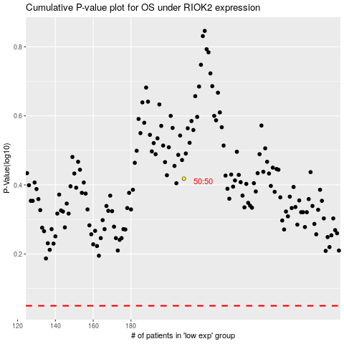

 |  |  |  |  |  | cases_OS | p_OS | rank | exp
 |  |  |  |  |  |  | cases_RFS | p_RFS | rank | exp

