RIPK1 _multivariate
Reported by Tex Li-Hsing Chi. tex@gate.sinica.edu.tw 2019-08-16

Table 2. The clinicopathological features of HNSCC cohort and RIPK1 expression. (Chi square test)
Cutoff at -0.555 (32.1%)
 |  | RIPK1 expression |  | RIPK1 expression |  | (Optimised)
 | Features | Low | (%) | High | (%) | Case no | P-value | Remark | Matthews
Gender | Female | 108 | 26 | 198 | 47.7 | 415 | 0.0242 | 1 | 0
2 | Male | 25 | 6 | 84 | 20.2
Age at diagnosis | <=65y | 91 | 21.9 | 183 | 44.1 | 415 | 0.5505 | 0 | 0
4 | >65y | 42 | 10.1 | 99 | 23.9
Clinical T Status | T1+T2 | 37 | 8.9 | 112 | 27 | 415 | 0.0246 | 1 | 0
6 | T3+T4 | 96 | 23.1 | 170 | 41
Clinical N Status | N0 | 60 | 14.5 | 156 | 37.6 | 415 | 0.0662 | 0 | 0
8 | N1-3 | 73 | 17.6 | 126 | 30.4
Clinical M Status | M0 | 132 | 31.8 | 280 | 67.5 | 415 | 1 | 0 | 0
10 | M1 | 1 | 0.2 | 2 | 0.5
Clinical Stage | Stage I+II | 22 | 5.3 | 80 | 19.3 | 415 | 0.0128 | 1 | 0
12 | Stage III+IV | 111 | 26.7 | 202 | 48.7
Surgical Margin status | Negative | 98 | 23.6 | 220 | 53 | 415 | 0.3843 | 0 | 0
14 | Positive | 35 | 8.4 | 62 | 14.9
Tobacco Exposure | Low | 41 | 9.9 | 120 | 28.9 | 415 | 0.0237 | 1 | 0
16 | High | 92 | 22.2 | 162 | 39

Table 3. Univariate/Multivariate Cox's proportional hazards regression analyses on OS time of RIPK1 gene expression in HNSCC

 |  | Univariate |  |  |  | Multivariate
 | Features | HR | CI95%(L) | CI95%(H) | P-value | HR | CI95%(L) | CI95%(H) | P-value
1 | Female | 1 |  |  |  | 1
Gender | Male | 1.157 | 0.843 | 1.587 | 0.367 | 1.236 | 0.882 | 1.731 | 0.218
11 | <=65y | 1 |  |  |  | 1
Age at diagnosis | >65y | 1.329 | 0.99 | 1.784 | 0.058 | 1.376 | 1.012 | 1.872 | 0.042
12 | T1+T2 | 1 |  |  |  | 1
Clinical T Status | T3+T4 | 1.409 | 1.028 | 1.931 | 0.033 | 2.169 | 1.148 | 4.098 | 0.017
13 | N0 | 1 |  |  |  | 1
Clinical N Status | N1-3 | 1.185 | 0.89 | 1.577 | 0.246 | 1.211 | 0.848 | 1.731 | 0.293
14 | M0 | 1 |  |  |  | 1
Clinical M Status | M1 | 4.097 | 1.009 | 16.644 | 0.049 | 9.869 | 2.151 | 45.279 | 0.003
15 | Stage I+II | 1 |  |  |  | 1
Clinical Stage | Stage III+IV | 1.245 | 0.882 | 1.759 | 0.213 | 0.496 | 0.231 | 1.065 | 0.072
16 | Negative | 1 |  |  |  | 1
Surgical Margin status | Positive | 1.591 | 1.155 | 2.191 | 0.004 | 1.67 | 1.208 | 2.307 | 0.002
17 | Low | 1 |  |  |  | 1
Tobacco Exposure | High | 1.364 | 1.008 | 1.844 | 0.044 | 1.412 | 1.023 | 1.949 | 0.036
18 | Low | 1 |  |  |  | 1
RNAseq(z-score) | High | 0.714 | 0.53 | 0.962 | 0.027 | 0.746 | 0.549 | 1.014 | 0.062

Table 4. Univariate/Multivariate Cox's proportional hazards regression analyses on RFS time of RIPK1 gene expression in HNSCC

 |  | Univariate |  |  |  | Multivariate
 | Features | HR | CI95%(L) | CI95%(H) | P-value | HR | CI95%(L) | CI95%(H) | P-value
1 | Female | 1 |  |  |  | 1
Gender | Male | 1.157 | 0.843 | 1.587 | 0.367 | 1.236 | 0.882 | 1.731 | 0.218
11 | <=65y | 1 |  |  |  | 1
Age at diagnosis | >65y | 1.329 | 0.99 | 1.784 | 0.058 | 1.376 | 1.012 | 1.872 | 0.042
12 | T1+T2 | 1 |  |  |  | 1
Clinical T Status | T3+T4 | 1.409 | 1.028 | 1.931 | 0.033 | 2.169 | 1.148 | 4.098 | 0.017
13 | N0 | 1 |  |  |  | 1
Clinical N Status | N1-3 | 1.185 | 0.89 | 1.577 | 0.246 | 1.211 | 0.848 | 1.731 | 0.293
14 | M0 | 1 |  |  |  | 1
Clinical M Status | M1 | 4.097 | 1.009 | 16.644 | 0.049 | 9.869 | 2.151 | 45.279 | 0.003
15 | Stage I+II | 1 |  |  |  | 1
Clinical Stage | Stage III+IV | 1.245 | 0.882 | 1.759 | 0.213 | 0.496 | 0.231 | 1.065 | 0.072
16 | Negative | 1 |  |  |  | 1
Surgical Margin status | Positive | 1.591 | 1.155 | 2.191 | 0.004 | 1.67 | 1.208 | 2.307 | 0.002
17 | Low | 1 |  |  |  | 1
Tobacco Exposure | High | 1.364 | 1.008 | 1.844 | 0.044 | 1.412 | 1.023 | 1.949 | 0.036
18 | Low | 1 |  |  |  | 1
RNAseq(z-score) | High | 0.714 | 0.53 | 0.962 | 0.027 | 0.746 | 0.549 | 1.014 | 0.062

Kaplan-Meier survival estimate: Cutoff at -0.555 (32.1%)

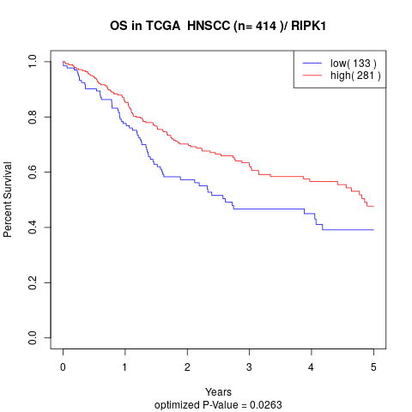

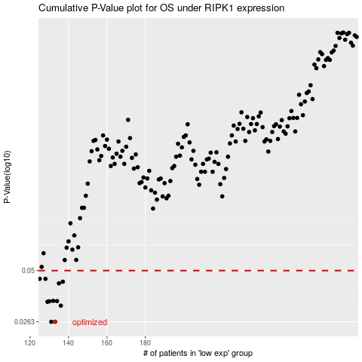

 |  |  |  |  |  | cases_OS | p_OS | rank | exp
 |  |  |  |  |  | 133 | 0.0263 | 42 | -0.55485771549
 |  |  |  |  |  | 131 | 0.0263 | 150 | -0.56917012666
 |  |  |  |  |  | 136 | 0.0322 | 406 | -0.54299523959
 |  |  |  |  |  | 129 | 0.0338 | 358 | -0.5868893019
 |  |  |  |  |  | 130 | 0.034 | 220 | -0.57722663176
 |  |  |  |  |  | 134 | 0.0341 | 119 | -0.55192452997
 |  |  |  |  |  | 132 | 0.0342 | 404 | -0.55988131678
 |  |  |  |  |  | 135 | 0.0426 | 208 | -0.54888595656
 |  |  |  |  |  | 137 | 0.0435 | 127 | -0.53599494808
 |  |  |  |  |  | 128 | 0.0451 | 54 | -0.61501453221
 |  |  |  |  |  | 125 | 0.0451 | 383 | -0.61980734733
 |  |  |  |  |  |  | cases_RFS | p_RFS | rank | exp
 |  |  |  |  |  |  | 130 | 0.0263 | 220 | -0.57722663176
 |  |  |  |  |  |  | 132 | 0.0263 | 404 | -0.55988131678
 |  |  |  |  |  |  | 135 | 0.0322 | 208 | -0.54888595656
 |  |  |  |  |  |  | 128 | 0.0338 | 54 | -0.61501453221
 |  |  |  |  |  |  | 129 | 0.034 | 358 | -0.5868893019
 |  |  |  |  |  |  | 133 | 0.0341 | 42 | -0.55485771549
 |  |  |  |  |  |  | 131 | 0.0342 | 150 | -0.56917012666
 |  |  |  |  |  |  | 134 | 0.0426 | 119 | -0.55192452997
 |  |  |  |  |  |  | 136 | 0.0435 | 406 | -0.54299523959
 |  |  |  |  |  |  | 127 | 0.0451 | 2 | -0.61787401289
 |  |  |  |  |  |  |  | 0.0451 | 413 | -0.63944918482

