RIPK2 _multivariate
Reported by Tex Li-Hsing Chi. tex@gate.sinica.edu.tw 2019-08-16

Table 2. The clinicopathological features of HNSCC cohort and RIPK2 expression. (Chi square test)
Cutoff at -0.113 (50.0%)
 |  | RIPK2 expression |  | RIPK2 expression |  | (Optimised)
 | Features | Low | (%) | High | (%) | Case no | P-value | Remark | Matthews
Gender | Female | 164 | 39.5 | 142 | 34.2 | 415 | 0.0153 | 1 | 0
2 | Male | 43 | 10.4 | 66 | 15.9
Age at diagnosis | <=65y | 152 | 36.6 | 122 | 29.4 | 415 | 0.0021 | 1 | 0
4 | >65y | 55 | 13.3 | 86 | 20.7
Clinical T Status | T1+T2 | 83 | 20 | 66 | 15.9 | 415 | 0.0941 | 0 | 0
6 | T3+T4 | 124 | 29.9 | 142 | 34.2
Clinical N Status | N0 | 117 | 28.2 | 99 | 23.9 | 415 | 0.0852 | 1 | 0
8 | N1-3 | 90 | 21.7 | 109 | 26.3
Clinical M Status | M0 | 206 | 49.6 | 206 | 49.6 | 415 | 1 | 0 | 0
10 | M1 | 1 | 0.2 | 2 | 0.5
Clinical Stage | Stage I+II | 59 | 14.2 | 43 | 10.4 | 415 | 0.0822 | 0 | 0
12 | Stage III+IV | 148 | 35.7 | 165 | 39.8
Surgical Margin status | Negative | 154 | 37.1 | 164 | 39.5 | 415 | 0.2984 | 0 | 0
14 | Positive | 53 | 12.8 | 44 | 10.6
Tobacco Exposure | Low | 75 | 18.1 | 86 | 20.7 | 415 | 0.3141 | 0 | 0
16 | High | 132 | 31.8 | 122 | 29.4

Table 3. Univariate/Multivariate Cox's proportional hazards regression analyses on OS time of RIPK2 gene expression in HNSCC

 |  | Univariate |  |  |  | Multivariate
 | Features | HR | CI95%(L) | CI95%(H) | P-value | HR | CI95%(L) | CI95%(H) | P-value
1 | Female | 1 |  |  |  | 1
Gender | Male | 1.157 | 0.843 | 1.587 | 0.367 | 1.182 | 0.844 | 1.655 | 0.332
11 | <=65y | 1 |  |  |  | 1
Age at diagnosis | >65y | 1.329 | 0.99 | 1.784 | 0.058 | 1.371 | 1.005 | 1.869 | 0.046
12 | T1+T2 | 1 |  |  |  | 1
Clinical T Status | T3+T4 | 1.409 | 1.028 | 1.931 | 0.033 | 2.193 | 1.16 | 4.147 | 0.016
13 | N0 | 1 |  |  |  | 1
Clinical N Status | N1-3 | 1.185 | 0.89 | 1.577 | 0.246 | 1.232 | 0.864 | 1.759 | 0.249
14 | M0 | 1 |  |  |  | 1
Clinical M Status | M1 | 4.097 | 1.009 | 16.644 | 0.049 | 9.274 | 2.023 | 42.522 | 0.004
15 | Stage I+II | 1 |  |  |  | 1
Clinical Stage | Stage III+IV | 1.245 | 0.882 | 1.759 | 0.213 | 0.508 | 0.236 | 1.09 | 0.082
16 | Negative | 1 |  |  |  | 1
Surgical Margin status | Positive | 1.591 | 1.155 | 2.191 | 0.004 | 1.683 | 1.218 | 2.327 | 0.002
17 | Low | 1 |  |  |  | 1
Tobacco Exposure | High | 1.364 | 1.008 | 1.844 | 0.044 | 1.46 | 1.059 | 2.011 | 0.021
18 | Low | 1 |  |  |  | 1
RNAseq(z-score) | High | 1.154 | 0.865 | 1.539 | 0.33 | 1.121 | 0.835 | 1.506 | 0.448

Table 4. Univariate/Multivariate Cox's proportional hazards regression analyses on RFS time of RIPK2 gene expression in HNSCC

 |  | Univariate |  |  |  | Multivariate
 | Features | HR | CI95%(L) | CI95%(H) | P-value | HR | CI95%(L) | CI95%(H) | P-value
1 | Female | 1 |  |  |  | 1
Gender | Male | 1.157 | 0.843 | 1.587 | 0.367 | 1.182 | 0.844 | 1.655 | 0.332
11 | <=65y | 1 |  |  |  | 1
Age at diagnosis | >65y | 1.329 | 0.99 | 1.784 | 0.058 | 1.371 | 1.005 | 1.869 | 0.046
12 | T1+T2 | 1 |  |  |  | 1
Clinical T Status | T3+T4 | 1.409 | 1.028 | 1.931 | 0.033 | 2.193 | 1.16 | 4.147 | 0.016
13 | N0 | 1 |  |  |  | 1
Clinical N Status | N1-3 | 1.185 | 0.89 | 1.577 | 0.246 | 1.232 | 0.864 | 1.759 | 0.249
14 | M0 | 1 |  |  |  | 1
Clinical M Status | M1 | 4.097 | 1.009 | 16.644 | 0.049 | 9.274 | 2.023 | 42.522 | 0.004
15 | Stage I+II | 1 |  |  |  | 1
Clinical Stage | Stage III+IV | 1.245 | 0.882 | 1.759 | 0.213 | 0.508 | 0.236 | 1.09 | 0.082
16 | Negative | 1 |  |  |  | 1
Surgical Margin status | Positive | 1.591 | 1.155 | 2.191 | 0.004 | 1.683 | 1.218 | 2.327 | 0.002
17 | Low | 1 |  |  |  | 1
Tobacco Exposure | High | 1.364 | 1.008 | 1.844 | 0.044 | 1.46 | 1.059 | 2.011 | 0.021
18 | Low | 1 |  |  |  | 1
RNAseq(z-score) | High | 1.154 | 0.865 | 1.539 | 0.33 | 1.121 | 0.835 | 1.506 | 0.448

Kaplan-Meier survival estimate: Cutoff at -0.113 (50.0%)



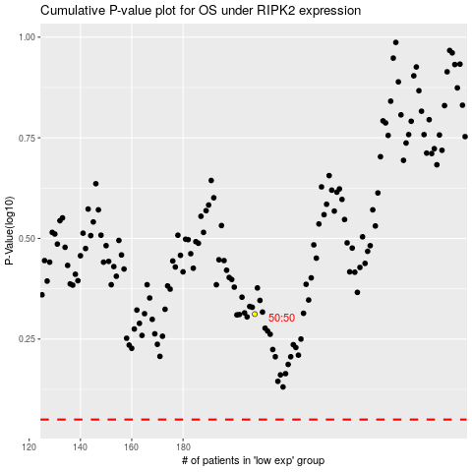

 |  |  |  |  |  | cases_OS | p_OS | rank | exp
 |  |  |  |  |  |  | cases_RFS | p_RFS | rank | exp

