RIPK3 _multivariate
Reported by Tex Li-Hsing Chi. tex@gate.sinica.edu.tw 2019-08-16

Table 2. The clinicopathological features of HNSCC cohort and RIPK3 expression. (Chi square test)
Cutoff at -0.276 (50.0%)
 |  | RIPK3 expression |  | RIPK3 expression |  | (Optimised)
 | Features | Low | (%) | High | (%) | Case no | P-value | Remark | Matthews
Gender | Female | 161 | 38.8 | 145 | 34.9 | 415 | 0.0792 | 0 | 0
2 | Male | 46 | 11.1 | 63 | 15.2
Age at diagnosis | <=65y | 140 | 33.7 | 134 | 32.3 | 415 | 0.5574 | 0 | 0
4 | >65y | 67 | 16.1 | 74 | 17.8
Clinical T Status | T1+T2 | 68 | 16.4 | 81 | 19.5 | 415 | 0.2336 | 0 | 0
6 | T3+T4 | 139 | 33.5 | 127 | 30.6
Clinical N Status | N0 | 95 | 22.9 | 121 | 29.2 | 415 | 0.0162 | 1 | 0
8 | N1-3 | 112 | 27 | 87 | 21
Clinical M Status | M0 | 205 | 49.4 | 207 | 49.9 | 415 | 0.6232 | 0 | 0
10 | M1 | 2 | 0.5 | 1 | 0.2
Clinical Stage | Stage I+II | 42 | 10.1 | 60 | 14.5 | 415 | 0.0561 | 0 | 0
12 | Stage III+IV | 165 | 39.8 | 148 | 35.7
Surgical Margin status | Negative | 163 | 39.3 | 155 | 37.3 | 415 | 0.3537 | 0 | 0
14 | Positive | 44 | 10.6 | 53 | 12.8
Tobacco Exposure | Low | 72 | 17.3 | 89 | 21.4 | 415 | 0.1071 | 0 | 0
16 | High | 135 | 32.5 | 119 | 28.7

Table 3. Univariate/Multivariate Cox's proportional hazards regression analyses on OS time of RIPK3 gene expression in HNSCC

 |  | Univariate |  |  |  | Multivariate
 | Features | HR | CI95%(L) | CI95%(H) | P-value | HR | CI95%(L) | CI95%(H) | P-value
1 | Female | 1 |  |  |  | 1
Gender | Male | 1.157 | 0.843 | 1.587 | 0.367 | 1.204 | 0.861 | 1.685 | 0.277
11 | <=65y | 1 |  |  |  | 1
Age at diagnosis | >65y | 1.329 | 0.99 | 1.784 | 0.058 | 1.39 | 1.022 | 1.89 | 0.036
12 | T1+T2 | 1 |  |  |  | 1
Clinical T Status | T3+T4 | 1.409 | 1.028 | 1.931 | 0.033 | 2.207 | 1.167 | 4.175 | 0.015
13 | N0 | 1 |  |  |  | 1
Clinical N Status | N1-3 | 1.185 | 0.89 | 1.577 | 0.246 | 1.237 | 0.865 | 1.768 | 0.243
14 | M0 | 1 |  |  |  | 1
Clinical M Status | M1 | 4.097 | 1.009 | 16.644 | 0.049 | 9.427 | 2.056 | 43.222 | 0.004
15 | Stage I+II | 1 |  |  |  | 1
Clinical Stage | Stage III+IV | 1.245 | 0.882 | 1.759 | 0.213 | 0.503 | 0.234 | 1.08 | 0.078
16 | Negative | 1 |  |  |  | 1
Surgical Margin status | Positive | 1.591 | 1.155 | 2.191 | 0.004 | 1.678 | 1.211 | 2.326 | 0.002
17 | Low | 1 |  |  |  | 1
Tobacco Exposure | High | 1.364 | 1.008 | 1.844 | 0.044 | 1.451 | 1.053 | 2.001 | 0.023
18 | Low | 1 |  |  |  | 1
RNAseq(z-score) | High | 0.993 | 0.746 | 1.324 | 0.964 | 0.974 | 0.726 | 1.308 | 0.862

Table 4. Univariate/Multivariate Cox's proportional hazards regression analyses on RFS time of RIPK3 gene expression in HNSCC

 |  | Univariate |  |  |  | Multivariate
 | Features | HR | CI95%(L) | CI95%(H) | P-value | HR | CI95%(L) | CI95%(H) | P-value
1 | Female | 1 |  |  |  | 1
Gender | Male | 1.157 | 0.843 | 1.587 | 0.367 | 1.204 | 0.861 | 1.685 | 0.277
11 | <=65y | 1 |  |  |  | 1
Age at diagnosis | >65y | 1.329 | 0.99 | 1.784 | 0.058 | 1.39 | 1.022 | 1.89 | 0.036
12 | T1+T2 | 1 |  |  |  | 1
Clinical T Status | T3+T4 | 1.409 | 1.028 | 1.931 | 0.033 | 2.207 | 1.167 | 4.175 | 0.015
13 | N0 | 1 |  |  |  | 1
Clinical N Status | N1-3 | 1.185 | 0.89 | 1.577 | 0.246 | 1.237 | 0.865 | 1.768 | 0.243
14 | M0 | 1 |  |  |  | 1
Clinical M Status | M1 | 4.097 | 1.009 | 16.644 | 0.049 | 9.427 | 2.056 | 43.222 | 0.004
15 | Stage I+II | 1 |  |  |  | 1
Clinical Stage | Stage III+IV | 1.245 | 0.882 | 1.759 | 0.213 | 0.503 | 0.234 | 1.08 | 0.078
16 | Negative | 1 |  |  |  | 1
Surgical Margin status | Positive | 1.591 | 1.155 | 2.191 | 0.004 | 1.678 | 1.211 | 2.326 | 0.002
17 | Low | 1 |  |  |  | 1
Tobacco Exposure | High | 1.364 | 1.008 | 1.844 | 0.044 | 1.451 | 1.053 | 2.001 | 0.023
18 | Low | 1 |  |  |  | 1
RNAseq(z-score) | High | 0.993 | 0.746 | 1.324 | 0.964 | 0.974 | 0.726 | 1.308 | 0.862

Kaplan-Meier survival estimate: Cutoff at -0.276 (50.0%)



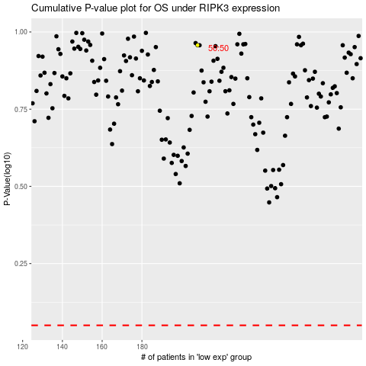

 |  |  |  |  |  | cases_OS | p_OS | rank | exp
 |  |  |  |  |  |  | cases_RFS | p_RFS | rank | exp

