RIT1 _multivariate
Reported by Tex Li-Hsing Chi. tex@gate.sinica.edu.tw 2019-08-16

Table 2. The clinicopathological features of HNSCC cohort and RIT1 expression. (Chi square test)
Cutoff at -0.302 (49.8%)
 |  | RIT1 expression |  | RIT1 expression |  | (Optimised)
 | Features | Low | (%) | High | (%) | Case no | P-value | Remark | Matthews
Gender | Female | 153 | 36.9 | 153 | 36.9 | 415 | 1 | 0 | 0
2 | Male | 54 | 13 | 55 | 13.3
Age at diagnosis | <=65y | 138 | 33.3 | 136 | 32.8 | 415 | 0.8634 | 0 | 0
4 | >65y | 69 | 16.6 | 72 | 17.3
Clinical T Status | T1+T2 | 88 | 21.2 | 61 | 14.7 | 415 | 0.007 | 1 | 0
6 | T3+T4 | 119 | 28.7 | 147 | 35.4
Clinical N Status | N0 | 104 | 25.1 | 112 | 27 | 415 | 0.5243 | 0 | 0
8 | N1-3 | 103 | 24.8 | 96 | 23.1
Clinical M Status | M0 | 206 | 49.6 | 206 | 49.6 | 415 | 1 | 0 | 0
10 | M1 | 1 | 0.2 | 2 | 0.5
Clinical Stage | Stage I+II | 59 | 14.2 | 43 | 10.4 | 415 | 0.0822 | 0 | 0
12 | Stage III+IV | 148 | 35.7 | 165 | 39.8
Surgical Margin status | Negative | 160 | 38.6 | 158 | 38.1 | 415 | 0.8167 | 0 | 0
14 | Positive | 47 | 11.3 | 50 | 12
Tobacco Exposure | Low | 91 | 21.9 | 70 | 16.9 | 415 | 0.0346 | 1 | 0
16 | High | 116 | 28 | 138 | 33.3

Table 3. Univariate/Multivariate Cox's proportional hazards regression analyses on OS time of RIT1 gene expression in HNSCC

 |  | Univariate |  |  |  | Multivariate
 | Features | HR | CI95%(L) | CI95%(H) | P-value | HR | CI95%(L) | CI95%(H) | P-value
1 | Female | 1 |  |  |  | 1
Gender | Male | 1.157 | 0.843 | 1.587 | 0.367 | 1.202 | 0.86 | 1.679 | 0.282
11 | <=65y | 1 |  |  |  | 1
Age at diagnosis | >65y | 1.329 | 0.99 | 1.784 | 0.058 | 1.39 | 1.022 | 1.89 | 0.036
12 | T1+T2 | 1 |  |  |  | 1
Clinical T Status | T3+T4 | 1.409 | 1.028 | 1.931 | 0.033 | 2.212 | 1.169 | 4.186 | 0.015
13 | N0 | 1 |  |  |  | 1
Clinical N Status | N1-3 | 1.185 | 0.89 | 1.577 | 0.246 | 1.235 | 0.864 | 1.765 | 0.247
14 | M0 | 1 |  |  |  | 1
Clinical M Status | M1 | 4.097 | 1.009 | 16.644 | 0.049 | 9.49 | 2.068 | 43.561 | 0.004
15 | Stage I+II | 1 |  |  |  | 1
Clinical Stage | Stage III+IV | 1.245 | 0.882 | 1.759 | 0.213 | 0.506 | 0.236 | 1.086 | 0.081
16 | Negative | 1 |  |  |  | 1
Surgical Margin status | Positive | 1.591 | 1.155 | 2.191 | 0.004 | 1.671 | 1.209 | 2.308 | 0.002
17 | Low | 1 |  |  |  | 1
Tobacco Exposure | High | 1.364 | 1.008 | 1.844 | 0.044 | 1.461 | 1.058 | 2.018 | 0.021
18 | Low | 1 |  |  |  | 1
RNAseq(z-score) | High | 1.002 | 0.752 | 1.337 | 0.987 | 0.96 | 0.716 | 1.288 | 0.786

Table 4. Univariate/Multivariate Cox's proportional hazards regression analyses on RFS time of RIT1 gene expression in HNSCC

 |  | Univariate |  |  |  | Multivariate
 | Features | HR | CI95%(L) | CI95%(H) | P-value | HR | CI95%(L) | CI95%(H) | P-value
1 | Female | 1 |  |  |  | 1
Gender | Male | 1.157 | 0.843 | 1.587 | 0.367 | 1.202 | 0.86 | 1.679 | 0.282
11 | <=65y | 1 |  |  |  | 1
Age at diagnosis | >65y | 1.329 | 0.99 | 1.784 | 0.058 | 1.39 | 1.022 | 1.89 | 0.036
12 | T1+T2 | 1 |  |  |  | 1
Clinical T Status | T3+T4 | 1.409 | 1.028 | 1.931 | 0.033 | 2.212 | 1.169 | 4.186 | 0.015
13 | N0 | 1 |  |  |  | 1
Clinical N Status | N1-3 | 1.185 | 0.89 | 1.577 | 0.246 | 1.235 | 0.864 | 1.765 | 0.247
14 | M0 | 1 |  |  |  | 1
Clinical M Status | M1 | 4.097 | 1.009 | 16.644 | 0.049 | 9.49 | 2.068 | 43.561 | 0.004
15 | Stage I+II | 1 |  |  |  | 1
Clinical Stage | Stage III+IV | 1.245 | 0.882 | 1.759 | 0.213 | 0.506 | 0.236 | 1.086 | 0.081
16 | Negative | 1 |  |  |  | 1
Surgical Margin status | Positive | 1.591 | 1.155 | 2.191 | 0.004 | 1.671 | 1.209 | 2.308 | 0.002
17 | Low | 1 |  |  |  | 1
Tobacco Exposure | High | 1.364 | 1.008 | 1.844 | 0.044 | 1.461 | 1.058 | 2.018 | 0.021
18 | Low | 1 |  |  |  | 1
RNAseq(z-score) | High | 1.002 | 0.752 | 1.337 | 0.987 | 0.96 | 0.716 | 1.288 | 0.786

Kaplan-Meier survival estimate: Cutoff at -0.302 (49.8%)



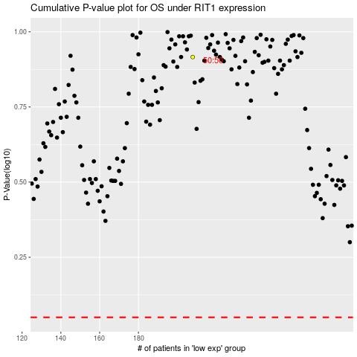

 |  |  |  |  |  | cases_OS | p_OS | rank | exp
 |  |  |  |  |  |  | cases_RFS | p_RFS | rank | exp

