RMND1 _multivariate
Reported by Tex Li-Hsing Chi. tex@gate.sinica.edu.tw 2019-08-16

Table 2. The clinicopathological features of HNSCC cohort and RMND1 expression. (Chi square test)
Cutoff at -0.178 (49.8%)
 |  | RMND1 expression |  | RMND1 expression |  | (Optimised)
 | Features | Low | (%) | High | (%) | Case no | P-value | Remark | Matthews
Gender | Female | 145 | 34.9 | 161 | 38.8 | 415 | 0.1116 | 0 | 0
2 | Male | 62 | 14.9 | 47 | 11.3
Age at diagnosis | <=65y | 131 | 31.6 | 143 | 34.5 | 415 | 0.2839 | 0 | 0
4 | >65y | 76 | 18.3 | 65 | 15.7
Clinical T Status | T1+T2 | 78 | 18.8 | 71 | 17.1 | 415 | 0.5152 | 0 | 0
6 | T3+T4 | 129 | 31.1 | 137 | 33
Clinical N Status | N0 | 119 | 28.7 | 97 | 23.4 | 415 | 0.0345 | 1 | 0
8 | N1-3 | 88 | 21.2 | 111 | 26.7
Clinical M Status | M0 | 207 | 49.9 | 205 | 49.4 | 415 | 0.2482 | 0 | 0
10 | M1 | 0 | 0 | 3 | 0.7
Clinical Stage | Stage I+II | 61 | 14.7 | 41 | 9.9 | 415 | 0.0282 | 1 | 0
12 | Stage III+IV | 146 | 35.2 | 167 | 40.2
Surgical Margin status | Negative | 169 | 40.7 | 149 | 35.9 | 415 | 0.0201 | 1 | 0
14 | Positive | 38 | 9.2 | 59 | 14.2
Tobacco Exposure | Low | 84 | 20.2 | 77 | 18.6 | 415 | 0.4816 | 0 | 0
16 | High | 123 | 29.6 | 131 | 31.6

Table 3. Univariate/Multivariate Cox's proportional hazards regression analyses on OS time of RMND1 gene expression in HNSCC

 |  | Univariate |  |  |  | Multivariate
 | Features | HR | CI95%(L) | CI95%(H) | P-value | HR | CI95%(L) | CI95%(H) | P-value
1 | Female | 1 |  |  |  | 1
Gender | Male | 1.157 | 0.843 | 1.587 | 0.367 | 1.217 | 0.869 | 1.703 | 0.253
11 | <=65y | 1 |  |  |  | 1
Age at diagnosis | >65y | 1.329 | 0.99 | 1.784 | 0.058 | 1.401 | 1.03 | 1.906 | 0.031
12 | T1+T2 | 1 |  |  |  | 1
Clinical T Status | T3+T4 | 1.409 | 1.028 | 1.931 | 0.033 | 2.228 | 1.178 | 4.214 | 0.014
13 | N0 | 1 |  |  |  | 1
Clinical N Status | N1-3 | 1.185 | 0.89 | 1.577 | 0.246 | 1.231 | 0.862 | 1.757 | 0.252
14 | M0 | 1 |  |  |  | 1
Clinical M Status | M1 | 4.097 | 1.009 | 16.644 | 0.049 | 9.07 | 1.974 | 41.683 | 0.005
15 | Stage I+II | 1 |  |  |  | 1
Clinical Stage | Stage III+IV | 1.245 | 0.882 | 1.759 | 0.213 | 0.495 | 0.23 | 1.064 | 0.072
16 | Negative | 1 |  |  |  | 1
Surgical Margin status | Positive | 1.591 | 1.155 | 2.191 | 0.004 | 1.657 | 1.198 | 2.291 | 0.002
17 | Low | 1 |  |  |  | 1
Tobacco Exposure | High | 1.364 | 1.008 | 1.844 | 0.044 | 1.455 | 1.056 | 2.005 | 0.022
18 | Low | 1 |  |  |  | 1
RNAseq(z-score) | High | 1.117 | 0.837 | 1.49 | 0.454 | 1.123 | 0.833 | 1.514 | 0.448

Table 4. Univariate/Multivariate Cox's proportional hazards regression analyses on RFS time of RMND1 gene expression in HNSCC

 |  | Univariate |  |  |  | Multivariate
 | Features | HR | CI95%(L) | CI95%(H) | P-value | HR | CI95%(L) | CI95%(H) | P-value
1 | Female | 1 |  |  |  | 1
Gender | Male | 1.157 | 0.843 | 1.587 | 0.367 | 1.217 | 0.869 | 1.703 | 0.253
11 | <=65y | 1 |  |  |  | 1
Age at diagnosis | >65y | 1.329 | 0.99 | 1.784 | 0.058 | 1.401 | 1.03 | 1.906 | 0.031
12 | T1+T2 | 1 |  |  |  | 1
Clinical T Status | T3+T4 | 1.409 | 1.028 | 1.931 | 0.033 | 2.228 | 1.178 | 4.214 | 0.014
13 | N0 | 1 |  |  |  | 1
Clinical N Status | N1-3 | 1.185 | 0.89 | 1.577 | 0.246 | 1.231 | 0.862 | 1.757 | 0.252
14 | M0 | 1 |  |  |  | 1
Clinical M Status | M1 | 4.097 | 1.009 | 16.644 | 0.049 | 9.07 | 1.974 | 41.683 | 0.005
15 | Stage I+II | 1 |  |  |  | 1
Clinical Stage | Stage III+IV | 1.245 | 0.882 | 1.759 | 0.213 | 0.495 | 0.23 | 1.064 | 0.072
16 | Negative | 1 |  |  |  | 1
Surgical Margin status | Positive | 1.591 | 1.155 | 2.191 | 0.004 | 1.657 | 1.198 | 2.291 | 0.002
17 | Low | 1 |  |  |  | 1
Tobacco Exposure | High | 1.364 | 1.008 | 1.844 | 0.044 | 1.455 | 1.056 | 2.005 | 0.022
18 | Low | 1 |  |  |  | 1
RNAseq(z-score) | High | 1.117 | 0.837 | 1.49 | 0.454 | 1.123 | 0.833 | 1.514 | 0.448

Kaplan-Meier survival estimate: Cutoff at -0.178 (49.8%)



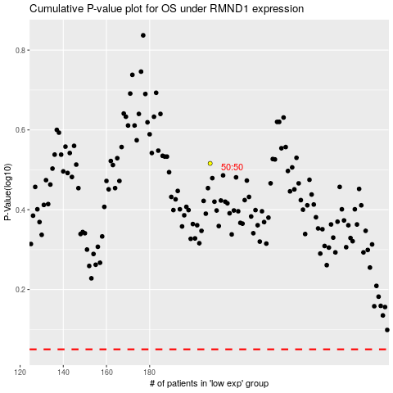

 |  |  |  |  |  | cases_OS | p_OS | rank | exp
 |  |  |  |  |  |  | cases_RFS | p_RFS | rank | exp

