RMND5A _multivariate
Reported by Tex Li-Hsing Chi. tex@gate.sinica.edu.tw 2019-08-16

Table 2. The clinicopathological features of HNSCC cohort and RMND5A expression. (Chi square test)
Cutoff at -0.015 (60.4%)
 |  | RMND5A expression |  | RMND5A expression |  | (Optimised)
 | Features | Low | (%) | High | (%) | Case no | P-value | Remark | Matthews
Gender | Female | 181 | 43.6 | 125 | 30.1 | 415 | 0.4147 | 0 | 0
2 | Male | 70 | 16.9 | 39 | 9.4
Age at diagnosis | <=65y | 162 | 39 | 112 | 27 | 415 | 0.4948 | 0 | 0
4 | >65y | 89 | 21.4 | 52 | 12.5
Clinical T Status | T1+T2 | 98 | 23.6 | 51 | 12.3 | 415 | 0.1223 | 0 | 0
6 | T3+T4 | 153 | 36.9 | 113 | 27.2
Clinical N Status | N0 | 131 | 31.6 | 85 | 20.5 | 415 | 1 | 0 | 0
8 | N1-3 | 120 | 28.9 | 79 | 19
Clinical M Status | M0 | 248 | 59.8 | 164 | 39.5 | 415 | 0.2812 | 0 | 0
10 | M1 | 3 | 0.7 | 0 | 0
Clinical Stage | Stage I+II | 70 | 16.9 | 32 | 7.7 | 415 | 0.0686 | 0 | 0
12 | Stage III+IV | 181 | 43.6 | 132 | 31.8
Surgical Margin status | Negative | 187 | 45.1 | 131 | 31.6 | 415 | 0.2359 | 0 | 0
14 | Positive | 64 | 15.4 | 33 | 8
Tobacco Exposure | Low | 110 | 26.5 | 51 | 12.3 | 415 | 0.0101 | 1 | 0
16 | High | 141 | 34 | 113 | 27.2

Table 3. Univariate/Multivariate Cox's proportional hazards regression analyses on OS time of RMND5A gene expression in HNSCC

 |  | Univariate |  |  |  | Multivariate
 | Features | HR | CI95%(L) | CI95%(H) | P-value | HR | CI95%(L) | CI95%(H) | P-value
1 | Female | 1 |  |  |  | 1
Gender | Male | 1.157 | 0.843 | 1.587 | 0.367 | 1.197 | 0.856 | 1.673 | 0.294
11 | <=65y | 1 |  |  |  | 1
Age at diagnosis | >65y | 1.329 | 0.99 | 1.784 | 0.058 | 1.362 | 1.001 | 1.853 | 0.049
12 | T1+T2 | 1 |  |  |  | 1
Clinical T Status | T3+T4 | 1.409 | 1.028 | 1.931 | 0.033 | 2.155 | 1.14 | 4.073 | 0.018
13 | N0 | 1 |  |  |  | 1
Clinical N Status | N1-3 | 1.185 | 0.89 | 1.577 | 0.246 | 1.213 | 0.851 | 1.73 | 0.285
14 | M0 | 1 |  |  |  | 1
Clinical M Status | M1 | 4.097 | 1.009 | 16.644 | 0.049 | 8.189 | 1.777 | 37.726 | 0.007
15 | Stage I+II | 1 |  |  |  | 1
Clinical Stage | Stage III+IV | 1.245 | 0.882 | 1.759 | 0.213 | 0.546 | 0.253 | 1.176 | 0.122
16 | Negative | 1 |  |  |  | 1
Surgical Margin status | Positive | 1.591 | 1.155 | 2.191 | 0.004 | 1.607 | 1.161 | 2.224 | 0.004
17 | Low | 1 |  |  |  | 1
Tobacco Exposure | High | 1.364 | 1.008 | 1.844 | 0.044 | 1.522 | 1.1 | 2.106 | 0.011
18 | Low | 1 |  |  |  | 1
RNAseq(z-score) | High | 0.731 | 0.542 | 0.985 | 0.039 | 0.737 | 0.541 | 1.005 | 0.054

Table 4. Univariate/Multivariate Cox's proportional hazards regression analyses on RFS time of RMND5A gene expression in HNSCC

 |  | Univariate |  |  |  | Multivariate
 | Features | HR | CI95%(L) | CI95%(H) | P-value | HR | CI95%(L) | CI95%(H) | P-value
1 | Female | 1 |  |  |  | 1
Gender | Male | 1.157 | 0.843 | 1.587 | 0.367 | 1.197 | 0.856 | 1.673 | 0.294
11 | <=65y | 1 |  |  |  | 1
Age at diagnosis | >65y | 1.329 | 0.99 | 1.784 | 0.058 | 1.362 | 1.001 | 1.853 | 0.049
12 | T1+T2 | 1 |  |  |  | 1
Clinical T Status | T3+T4 | 1.409 | 1.028 | 1.931 | 0.033 | 2.155 | 1.14 | 4.073 | 0.018
13 | N0 | 1 |  |  |  | 1
Clinical N Status | N1-3 | 1.185 | 0.89 | 1.577 | 0.246 | 1.213 | 0.851 | 1.73 | 0.285
14 | M0 | 1 |  |  |  | 1
Clinical M Status | M1 | 4.097 | 1.009 | 16.644 | 0.049 | 8.189 | 1.777 | 37.726 | 0.007
15 | Stage I+II | 1 |  |  |  | 1
Clinical Stage | Stage III+IV | 1.245 | 0.882 | 1.759 | 0.213 | 0.546 | 0.253 | 1.176 | 0.122
16 | Negative | 1 |  |  |  | 1
Surgical Margin status | Positive | 1.591 | 1.155 | 2.191 | 0.004 | 1.607 | 1.161 | 2.224 | 0.004
17 | Low | 1 |  |  |  | 1
Tobacco Exposure | High | 1.364 | 1.008 | 1.844 | 0.044 | 1.522 | 1.1 | 2.106 | 0.011
18 | Low | 1 |  |  |  | 1
RNAseq(z-score) | High | 0.731 | 0.542 | 0.985 | 0.039 | 0.737 | 0.541 | 1.005 | 0.054

Kaplan-Meier survival estimate: Cutoff at -0.015 (60.4%)

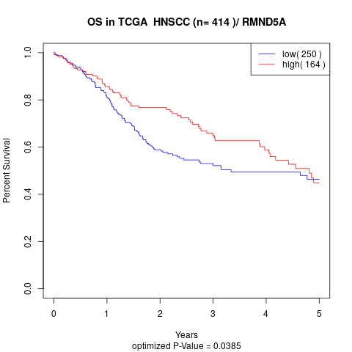

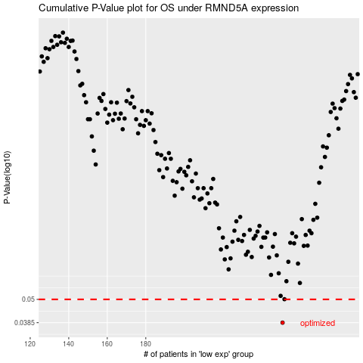

 |  |  |  |  |  | cases_OS | p_OS | rank | exp
 |  |  |  |  |  | 251 | 0.0385 | 255 | -0.014889854541
 |  |  |  |  |  |  | cases_RFS | p_RFS | rank | exp
 |  |  |  |  |  |  | 250 | 0.0385 | 113 | -0.016372514591

