RNASE2 _multivariate
Reported by Tex Li-Hsing Chi. tex@gate.sinica.edu.tw 2019-08-16

Table 2. The clinicopathological features of HNSCC cohort and RNASE2 expression. (Chi square test)
Cutoff at -0.259 (49.8%)
 |  | RNASE2 expression |  | RNASE2 expression |  | (Optimised)
 | Features | Low | (%) | High | (%) | Case no | P-value | Remark | Matthews
Gender | Female | 161 | 38.8 | 145 | 34.9 | 415 | 0.0792 | 0 | 0
2 | Male | 46 | 11.1 | 63 | 15.2
Age at diagnosis | <=65y | 145 | 34.9 | 129 | 31.1 | 415 | 0.1046 | 0 | 0
4 | >65y | 62 | 14.9 | 79 | 19
Clinical T Status | T1+T2 | 68 | 16.4 | 81 | 19.5 | 415 | 0.2336 | 0 | 0
6 | T3+T4 | 139 | 33.5 | 127 | 30.6
Clinical N Status | N0 | 119 | 28.7 | 97 | 23.4 | 415 | 0.0345 | 1 | 0
8 | N1-3 | 88 | 21.2 | 111 | 26.7
Clinical M Status | M0 | 206 | 49.6 | 206 | 49.6 | 415 | 1 | 0 | 0
10 | M1 | 1 | 0.2 | 2 | 0.5
Clinical Stage | Stage I+II | 49 | 11.8 | 53 | 12.8 | 415 | 0.7535 | 0 | 0
12 | Stage III+IV | 158 | 38.1 | 155 | 37.3
Surgical Margin status | Negative | 153 | 36.9 | 165 | 39.8 | 415 | 0.2036 | 0 | 0
14 | Positive | 54 | 13 | 43 | 10.4
Tobacco Exposure | Low | 74 | 17.8 | 87 | 21 | 415 | 0.227 | 0 | 0
16 | High | 133 | 32 | 121 | 29.2

Table 3. Univariate/Multivariate Cox's proportional hazards regression analyses on OS time of RNASE2 gene expression in HNSCC

 |  | Univariate |  |  |  | Multivariate
 | Features | HR | CI95%(L) | CI95%(H) | P-value | HR | CI95%(L) | CI95%(H) | P-value
1 | Female | 1 |  |  |  | 1
Gender | Male | 1.157 | 0.843 | 1.587 | 0.367 | 1.197 | 0.857 | 1.672 | 0.291
11 | <=65y | 1 |  |  |  | 1
Age at diagnosis | >65y | 1.329 | 0.99 | 1.784 | 0.058 | 1.385 | 1.019 | 1.884 | 0.038
12 | T1+T2 | 1 |  |  |  | 1
Clinical T Status | T3+T4 | 1.409 | 1.028 | 1.931 | 0.033 | 2.198 | 1.163 | 4.154 | 0.015
13 | N0 | 1 |  |  |  | 1
Clinical N Status | N1-3 | 1.185 | 0.89 | 1.577 | 0.246 | 1.212 | 0.846 | 1.736 | 0.294
14 | M0 | 1 |  |  |  | 1
Clinical M Status | M1 | 4.097 | 1.009 | 16.644 | 0.049 | 9.093 | 1.98 | 41.757 | 0.005
15 | Stage I+II | 1 |  |  |  | 1
Clinical Stage | Stage III+IV | 1.245 | 0.882 | 1.759 | 0.213 | 0.517 | 0.24 | 1.112 | 0.091
16 | Negative | 1 |  |  |  | 1
Surgical Margin status | Positive | 1.591 | 1.155 | 2.191 | 0.004 | 1.666 | 1.206 | 2.302 | 0.002
17 | Low | 1 |  |  |  | 1
Tobacco Exposure | High | 1.364 | 1.008 | 1.844 | 0.044 | 1.463 | 1.062 | 2.015 | 0.02
18 | Low | 1 |  |  |  | 1
RNAseq(z-score) | High | 1.148 | 0.862 | 1.53 | 0.346 | 1.134 | 0.847 | 1.52 | 0.398

Table 4. Univariate/Multivariate Cox's proportional hazards regression analyses on RFS time of RNASE2 gene expression in HNSCC

 |  | Univariate |  |  |  | Multivariate
 | Features | HR | CI95%(L) | CI95%(H) | P-value | HR | CI95%(L) | CI95%(H) | P-value
1 | Female | 1 |  |  |  | 1
Gender | Male | 1.157 | 0.843 | 1.587 | 0.367 | 1.197 | 0.857 | 1.672 | 0.291
11 | <=65y | 1 |  |  |  | 1
Age at diagnosis | >65y | 1.329 | 0.99 | 1.784 | 0.058 | 1.385 | 1.019 | 1.884 | 0.038
12 | T1+T2 | 1 |  |  |  | 1
Clinical T Status | T3+T4 | 1.409 | 1.028 | 1.931 | 0.033 | 2.198 | 1.163 | 4.154 | 0.015
13 | N0 | 1 |  |  |  | 1
Clinical N Status | N1-3 | 1.185 | 0.89 | 1.577 | 0.246 | 1.212 | 0.846 | 1.736 | 0.294
14 | M0 | 1 |  |  |  | 1
Clinical M Status | M1 | 4.097 | 1.009 | 16.644 | 0.049 | 9.093 | 1.98 | 41.757 | 0.005
15 | Stage I+II | 1 |  |  |  | 1
Clinical Stage | Stage III+IV | 1.245 | 0.882 | 1.759 | 0.213 | 0.517 | 0.24 | 1.112 | 0.091
16 | Negative | 1 |  |  |  | 1
Surgical Margin status | Positive | 1.591 | 1.155 | 2.191 | 0.004 | 1.666 | 1.206 | 2.302 | 0.002
17 | Low | 1 |  |  |  | 1
Tobacco Exposure | High | 1.364 | 1.008 | 1.844 | 0.044 | 1.463 | 1.062 | 2.015 | 0.02
18 | Low | 1 |  |  |  | 1
RNAseq(z-score) | High | 1.148 | 0.862 | 1.53 | 0.346 | 1.134 | 0.847 | 1.52 | 0.398

Kaplan-Meier survival estimate: Cutoff at -0.259 (49.8%)



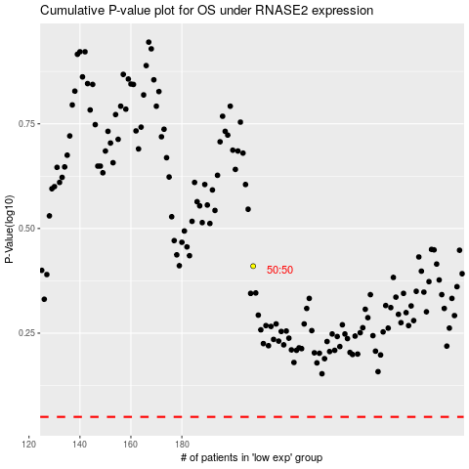

 |  |  |  |  |  | cases_OS | p_OS | rank | exp
 |  |  |  |  |  |  | cases_RFS | p_RFS | rank | exp

