RNASEH1 _multivariate
Reported by Tex Li-Hsing Chi. tex@gate.sinica.edu.tw 2019-08-16

Table 2. The clinicopathological features of HNSCC cohort and RNASEH1 expression. (Chi square test)
Cutoff at -0.074 (49.8%)
 |  | RNASEH1 expression |  | RNASEH1 expression |  | (Optimised)
 | Features | Low | (%) | High | (%) | Case no | P-value | Remark | Matthews
Gender | Female | 144 | 34.7 | 162 | 39 | 415 | 0.0697 | 0 | 0
2 | Male | 63 | 15.2 | 46 | 11.1
Age at diagnosis | <=65y | 134 | 32.3 | 140 | 33.7 | 415 | 0.6529 | 0 | 0
4 | >65y | 73 | 17.6 | 68 | 16.4
Clinical T Status | T1+T2 | 95 | 22.9 | 54 | 13 | 415 | 0 | 1 | 0
6 | T3+T4 | 112 | 27 | 154 | 37.1
Clinical N Status | N0 | 114 | 27.5 | 102 | 24.6 | 415 | 0.2576 | 1 | 0
8 | N1-3 | 93 | 22.4 | 106 | 25.5
Clinical M Status | M0 | 205 | 49.4 | 207 | 49.9 | 415 | 0.6232 | 0 | 0
10 | M1 | 2 | 0.5 | 1 | 0.2
Clinical Stage | Stage I+II | 65 | 15.7 | 37 | 8.9 | 415 | 0.0019 | 1 | 0
12 | Stage III+IV | 142 | 34.2 | 171 | 41.2
Surgical Margin status | Negative | 171 | 41.2 | 147 | 35.4 | 415 | 0.0052 | 1 | 0
14 | Positive | 36 | 8.7 | 61 | 14.7
Tobacco Exposure | Low | 87 | 21 | 74 | 17.8 | 415 | 0.1911 | 0 | 0
16 | High | 120 | 28.9 | 134 | 32.3

Table 3. Univariate/Multivariate Cox's proportional hazards regression analyses on OS time of RNASEH1 gene expression in HNSCC

 |  | Univariate |  |  |  | Multivariate
 | Features | HR | CI95%(L) | CI95%(H) | P-value | HR | CI95%(L) | CI95%(H) | P-value
1 | Female | 1 |  |  |  | 1
Gender | Male | 1.157 | 0.843 | 1.587 | 0.367 | 1.214 | 0.868 | 1.699 | 0.258
11 | <=65y | 1 |  |  |  | 1
Age at diagnosis | >65y | 1.329 | 0.99 | 1.784 | 0.058 | 1.404 | 1.032 | 1.911 | 0.031
12 | T1+T2 | 1 |  |  |  | 1
Clinical T Status | T3+T4 | 1.409 | 1.028 | 1.931 | 0.033 | 2.139 | 1.129 | 4.053 | 0.02
13 | N0 | 1 |  |  |  | 1
Clinical N Status | N1-3 | 1.185 | 0.89 | 1.577 | 0.246 | 1.25 | 0.875 | 1.786 | 0.221
14 | M0 | 1 |  |  |  | 1
Clinical M Status | M1 | 4.097 | 1.009 | 16.644 | 0.049 | 9.386 | 2.046 | 43.051 | 0.004
15 | Stage I+II | 1 |  |  |  | 1
Clinical Stage | Stage III+IV | 1.245 | 0.882 | 1.759 | 0.213 | 0.501 | 0.233 | 1.075 | 0.076
16 | Negative | 1 |  |  |  | 1
Surgical Margin status | Positive | 1.591 | 1.155 | 2.191 | 0.004 | 1.648 | 1.191 | 2.28 | 0.003
17 | Low | 1 |  |  |  | 1
Tobacco Exposure | High | 1.364 | 1.008 | 1.844 | 0.044 | 1.474 | 1.068 | 2.036 | 0.018
18 | Low | 1 |  |  |  | 1
RNAseq(z-score) | High | 1.236 | 0.927 | 1.648 | 0.149 | 1.176 | 0.876 | 1.579 | 0.281

Table 4. Univariate/Multivariate Cox's proportional hazards regression analyses on RFS time of RNASEH1 gene expression in HNSCC

 |  | Univariate |  |  |  | Multivariate
 | Features | HR | CI95%(L) | CI95%(H) | P-value | HR | CI95%(L) | CI95%(H) | P-value
1 | Female | 1 |  |  |  | 1
Gender | Male | 1.157 | 0.843 | 1.587 | 0.367 | 1.214 | 0.868 | 1.699 | 0.258
11 | <=65y | 1 |  |  |  | 1
Age at diagnosis | >65y | 1.329 | 0.99 | 1.784 | 0.058 | 1.404 | 1.032 | 1.911 | 0.031
12 | T1+T2 | 1 |  |  |  | 1
Clinical T Status | T3+T4 | 1.409 | 1.028 | 1.931 | 0.033 | 2.139 | 1.129 | 4.053 | 0.02
13 | N0 | 1 |  |  |  | 1
Clinical N Status | N1-3 | 1.185 | 0.89 | 1.577 | 0.246 | 1.25 | 0.875 | 1.786 | 0.221
14 | M0 | 1 |  |  |  | 1
Clinical M Status | M1 | 4.097 | 1.009 | 16.644 | 0.049 | 9.386 | 2.046 | 43.051 | 0.004
15 | Stage I+II | 1 |  |  |  | 1
Clinical Stage | Stage III+IV | 1.245 | 0.882 | 1.759 | 0.213 | 0.501 | 0.233 | 1.075 | 0.076
16 | Negative | 1 |  |  |  | 1
Surgical Margin status | Positive | 1.591 | 1.155 | 2.191 | 0.004 | 1.648 | 1.191 | 2.28 | 0.003
17 | Low | 1 |  |  |  | 1
Tobacco Exposure | High | 1.364 | 1.008 | 1.844 | 0.044 | 1.474 | 1.068 | 2.036 | 0.018
18 | Low | 1 |  |  |  | 1
RNAseq(z-score) | High | 1.236 | 0.927 | 1.648 | 0.149 | 1.176 | 0.876 | 1.579 | 0.281

Kaplan-Meier survival estimate: Cutoff at -0.074 (49.8%)



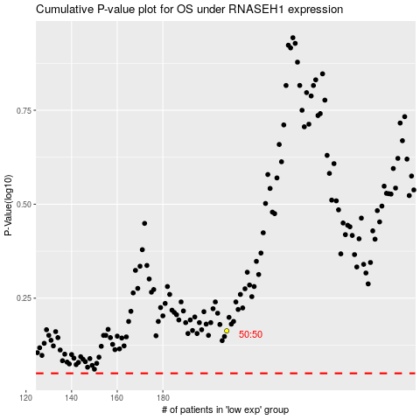

 |  |  |  |  |  | cases_OS | p_OS | rank | exp
 |  |  |  |  |  |  | cases_RFS | p_RFS | rank | exp

