RNASEH2A _multivariate
Reported by Tex Li-Hsing Chi. tex@gate.sinica.edu.tw 2019-08-16

Table 2. The clinicopathological features of HNSCC cohort and RNASEH2A expression. (Chi square test)
Cutoff at -0.218 (49.8%)
 |  | RNASEH2A expression |  | RNASEH2A expression |  | (Optimised)
 | Features | Low | (%) | High | (%) | Case no | P-value | Remark | Matthews
Gender | Female | 145 | 34.9 | 161 | 38.8 | 415 | 0.1116 | 0 | 0
2 | Male | 62 | 14.9 | 47 | 11.3
Age at diagnosis | <=65y | 132 | 31.8 | 142 | 34.2 | 415 | 0.3874 | 0 | 0
4 | >65y | 75 | 18.1 | 66 | 15.9
Clinical T Status | T1+T2 | 74 | 17.8 | 75 | 18.1 | 415 | 1 | 0 | 0
6 | T3+T4 | 133 | 32 | 133 | 32
Clinical N Status | N0 | 111 | 26.7 | 105 | 25.3 | 415 | 0.5875 | 0 | 0
8 | N1-3 | 96 | 23.1 | 103 | 24.8
Clinical M Status | M0 | 206 | 49.6 | 206 | 49.6 | 415 | 1 | 0 | 0
10 | M1 | 1 | 0.2 | 2 | 0.5
Clinical Stage | Stage I+II | 54 | 13 | 48 | 11.6 | 415 | 0.5498 | 0 | 0
12 | Stage III+IV | 153 | 36.9 | 160 | 38.6
Surgical Margin status | Negative | 160 | 38.6 | 158 | 38.1 | 415 | 0.8167 | 0 | 0
14 | Positive | 47 | 11.3 | 50 | 12
Tobacco Exposure | Low | 92 | 22.2 | 69 | 16.6 | 415 | 0.0206 | 1 | 0
16 | High | 115 | 27.7 | 139 | 33.5

Table 3. Univariate/Multivariate Cox's proportional hazards regression analyses on OS time of RNASEH2A gene expression in HNSCC

 |  | Univariate |  |  |  | Multivariate
 | Features | HR | CI95%(L) | CI95%(H) | P-value | HR | CI95%(L) | CI95%(H) | P-value
1 | Female | 1 |  |  |  | 1
Gender | Male | 1.157 | 0.843 | 1.587 | 0.367 | 1.188 | 0.851 | 1.66 | 0.311
11 | <=65y | 1 |  |  |  | 1
Age at diagnosis | >65y | 1.329 | 0.99 | 1.784 | 0.058 | 1.416 | 1.041 | 1.927 | 0.027
12 | T1+T2 | 1 |  |  |  | 1
Clinical T Status | T3+T4 | 1.409 | 1.028 | 1.931 | 0.033 | 2.202 | 1.164 | 4.166 | 0.015
13 | N0 | 1 |  |  |  | 1
Clinical N Status | N1-3 | 1.185 | 0.89 | 1.577 | 0.246 | 1.254 | 0.878 | 1.79 | 0.213
14 | M0 | 1 |  |  |  | 1
Clinical M Status | M1 | 4.097 | 1.009 | 16.644 | 0.049 | 10.104 | 2.198 | 46.449 | 0.003
15 | Stage I+II | 1 |  |  |  | 1
Clinical Stage | Stage III+IV | 1.245 | 0.882 | 1.759 | 0.213 | 0.503 | 0.234 | 1.08 | 0.078
16 | Negative | 1 |  |  |  | 1
Surgical Margin status | Positive | 1.591 | 1.155 | 2.191 | 0.004 | 1.713 | 1.237 | 2.371 | 0.001
17 | Low | 1 |  |  |  | 1
Tobacco Exposure | High | 1.364 | 1.008 | 1.844 | 0.044 | 1.514 | 1.094 | 2.093 | 0.012
18 | Low | 1 |  |  |  | 1
RNAseq(z-score) | High | 0.875 | 0.657 | 1.166 | 0.363 | 0.783 | 0.584 | 1.05 | 0.103

Table 4. Univariate/Multivariate Cox's proportional hazards regression analyses on RFS time of RNASEH2A gene expression in HNSCC

 |  | Univariate |  |  |  | Multivariate
 | Features | HR | CI95%(L) | CI95%(H) | P-value | HR | CI95%(L) | CI95%(H) | P-value
1 | Female | 1 |  |  |  | 1
Gender | Male | 1.157 | 0.843 | 1.587 | 0.367 | 1.188 | 0.851 | 1.66 | 0.311
11 | <=65y | 1 |  |  |  | 1
Age at diagnosis | >65y | 1.329 | 0.99 | 1.784 | 0.058 | 1.416 | 1.041 | 1.927 | 0.027
12 | T1+T2 | 1 |  |  |  | 1
Clinical T Status | T3+T4 | 1.409 | 1.028 | 1.931 | 0.033 | 2.202 | 1.164 | 4.166 | 0.015
13 | N0 | 1 |  |  |  | 1
Clinical N Status | N1-3 | 1.185 | 0.89 | 1.577 | 0.246 | 1.254 | 0.878 | 1.79 | 0.213
14 | M0 | 1 |  |  |  | 1
Clinical M Status | M1 | 4.097 | 1.009 | 16.644 | 0.049 | 10.104 | 2.198 | 46.449 | 0.003
15 | Stage I+II | 1 |  |  |  | 1
Clinical Stage | Stage III+IV | 1.245 | 0.882 | 1.759 | 0.213 | 0.503 | 0.234 | 1.08 | 0.078
16 | Negative | 1 |  |  |  | 1
Surgical Margin status | Positive | 1.591 | 1.155 | 2.191 | 0.004 | 1.713 | 1.237 | 2.371 | 0.001
17 | Low | 1 |  |  |  | 1
Tobacco Exposure | High | 1.364 | 1.008 | 1.844 | 0.044 | 1.514 | 1.094 | 2.093 | 0.012
18 | Low | 1 |  |  |  | 1
RNAseq(z-score) | High | 0.875 | 0.657 | 1.166 | 0.363 | 0.783 | 0.584 | 1.05 | 0.103

Kaplan-Meier survival estimate: Cutoff at -0.218 (49.8%)



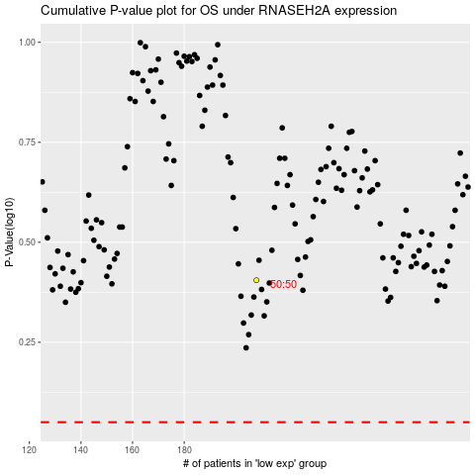

 |  |  |  |  |  | cases_OS | p_OS | rank | exp
 |  |  |  |  |  |  | cases_RFS | p_RFS | rank | exp

