RNASEH2C _multivariate
Reported by Tex Li-Hsing Chi. tex@gate.sinica.edu.tw 2019-08-16

Table 2. The clinicopathological features of HNSCC cohort and RNASEH2C expression. (Chi square test)
Cutoff at -0.286 (49.8%)
 |  | RNASEH2C expression |  | RNASEH2C expression |  | (Optimised)
 | Features | Low | (%) | High | (%) | Case no | P-value | Remark | Matthews
Gender | Female | 146 | 35.2 | 160 | 38.6 | 415 | 0.1714 | 0 | 0
2 | Male | 61 | 14.7 | 48 | 11.6
Age at diagnosis | <=65y | 129 | 31.1 | 145 | 34.9 | 415 | 0.1372 | 0 | 0
4 | >65y | 78 | 18.8 | 63 | 15.2
Clinical T Status | T1+T2 | 76 | 18.3 | 73 | 17.6 | 415 | 0.8092 | 0 | 0
6 | T3+T4 | 131 | 31.6 | 135 | 32.5
Clinical N Status | N0 | 117 | 28.2 | 99 | 23.9 | 415 | 0.0852 | 1 | 0
8 | N1-3 | 90 | 21.7 | 109 | 26.3
Clinical M Status | M0 | 206 | 49.6 | 206 | 49.6 | 415 | 1 | 0 | 0
10 | M1 | 1 | 0.2 | 2 | 0.5
Clinical Stage | Stage I+II | 55 | 13.3 | 47 | 11.3 | 415 | 0.4087 | 0 | 0
12 | Stage III+IV | 152 | 36.6 | 161 | 38.8
Surgical Margin status | Negative | 165 | 39.8 | 153 | 36.9 | 415 | 0.1639 | 0 | 0
14 | Positive | 42 | 10.1 | 55 | 13.3
Tobacco Exposure | Low | 85 | 20.5 | 76 | 18.3 | 415 | 0.3655 | 0 | 0
16 | High | 122 | 29.4 | 132 | 31.8

Table 3. Univariate/Multivariate Cox's proportional hazards regression analyses on OS time of RNASEH2C gene expression in HNSCC

 |  | Univariate |  |  |  | Multivariate
 | Features | HR | CI95%(L) | CI95%(H) | P-value | HR | CI95%(L) | CI95%(H) | P-value
1 | Female | 1 |  |  |  | 1
Gender | Male | 1.157 | 0.843 | 1.587 | 0.367 | 1.201 | 0.86 | 1.678 | 0.283
11 | <=65y | 1 |  |  |  | 1
Age at diagnosis | >65y | 1.329 | 0.99 | 1.784 | 0.058 | 1.401 | 1.03 | 1.906 | 0.032
12 | T1+T2 | 1 |  |  |  | 1
Clinical T Status | T3+T4 | 1.409 | 1.028 | 1.931 | 0.033 | 2.196 | 1.162 | 4.152 | 0.015
13 | N0 | 1 |  |  |  | 1
Clinical N Status | N1-3 | 1.185 | 0.89 | 1.577 | 0.246 | 1.232 | 0.863 | 1.759 | 0.251
14 | M0 | 1 |  |  |  | 1
Clinical M Status | M1 | 4.097 | 1.009 | 16.644 | 0.049 | 9.192 | 2.001 | 42.226 | 0.004
15 | Stage I+II | 1 |  |  |  | 1
Clinical Stage | Stage III+IV | 1.245 | 0.882 | 1.759 | 0.213 | 0.508 | 0.236 | 1.09 | 0.082
16 | Negative | 1 |  |  |  | 1
Surgical Margin status | Positive | 1.591 | 1.155 | 2.191 | 0.004 | 1.654 | 1.195 | 2.291 | 0.002
17 | Low | 1 |  |  |  | 1
Tobacco Exposure | High | 1.364 | 1.008 | 1.844 | 0.044 | 1.457 | 1.058 | 2.008 | 0.021
18 | Low | 1 |  |  |  | 1
RNAseq(z-score) | High | 1.101 | 0.826 | 1.468 | 0.511 | 1.086 | 0.811 | 1.454 | 0.58

Table 4. Univariate/Multivariate Cox's proportional hazards regression analyses on RFS time of RNASEH2C gene expression in HNSCC

 |  | Univariate |  |  |  | Multivariate
 | Features | HR | CI95%(L) | CI95%(H) | P-value | HR | CI95%(L) | CI95%(H) | P-value
1 | Female | 1 |  |  |  | 1
Gender | Male | 1.157 | 0.843 | 1.587 | 0.367 | 1.201 | 0.86 | 1.678 | 0.283
11 | <=65y | 1 |  |  |  | 1
Age at diagnosis | >65y | 1.329 | 0.99 | 1.784 | 0.058 | 1.401 | 1.03 | 1.906 | 0.032
12 | T1+T2 | 1 |  |  |  | 1
Clinical T Status | T3+T4 | 1.409 | 1.028 | 1.931 | 0.033 | 2.196 | 1.162 | 4.152 | 0.015
13 | N0 | 1 |  |  |  | 1
Clinical N Status | N1-3 | 1.185 | 0.89 | 1.577 | 0.246 | 1.232 | 0.863 | 1.759 | 0.251
14 | M0 | 1 |  |  |  | 1
Clinical M Status | M1 | 4.097 | 1.009 | 16.644 | 0.049 | 9.192 | 2.001 | 42.226 | 0.004
15 | Stage I+II | 1 |  |  |  | 1
Clinical Stage | Stage III+IV | 1.245 | 0.882 | 1.759 | 0.213 | 0.508 | 0.236 | 1.09 | 0.082
16 | Negative | 1 |  |  |  | 1
Surgical Margin status | Positive | 1.591 | 1.155 | 2.191 | 0.004 | 1.654 | 1.195 | 2.291 | 0.002
17 | Low | 1 |  |  |  | 1
Tobacco Exposure | High | 1.364 | 1.008 | 1.844 | 0.044 | 1.457 | 1.058 | 2.008 | 0.021
18 | Low | 1 |  |  |  | 1
RNAseq(z-score) | High | 1.101 | 0.826 | 1.468 | 0.511 | 1.086 | 0.811 | 1.454 | 0.58

Kaplan-Meier survival estimate: Cutoff at -0.286 (49.8%)



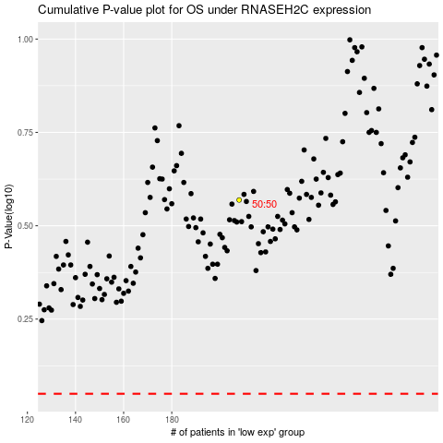

 |  |  |  |  |  | cases_OS | p_OS | rank | exp
 |  |  |  |  |  |  | cases_RFS | p_RFS | rank | exp

