RNASEL _multivariate
Reported by Tex Li-Hsing Chi. tex@gate.sinica.edu.tw 2019-08-16

Table 2. The clinicopathological features of HNSCC cohort and RNASEL expression. (Chi square test)
Cutoff at -0.194 (49.8%)
 |  | RNASEL expression |  | RNASEL expression |  | (Optimised)
 | Features | Low | (%) | High | (%) | Case no | P-value | Remark | Matthews
Gender | Female | 157 | 37.8 | 149 | 35.9 | 415 | 0.3881 | 0 | 0
2 | Male | 50 | 12 | 59 | 14.2
Age at diagnosis | <=65y | 143 | 34.5 | 131 | 31.6 | 415 | 0.2269 | 0 | 0
4 | >65y | 64 | 15.4 | 77 | 18.6
Clinical T Status | T1+T2 | 65 | 15.7 | 84 | 20.2 | 415 | 0.0711 | 0 | 0
6 | T3+T4 | 142 | 34.2 | 124 | 29.9
Clinical N Status | N0 | 95 | 22.9 | 121 | 29.2 | 415 | 0.0162 | 1 | 0
8 | N1-3 | 112 | 27 | 87 | 21
Clinical M Status | M0 | 205 | 49.4 | 207 | 49.9 | 415 | 0.6232 | 0 | 0
10 | M1 | 2 | 0.5 | 1 | 0.2
Clinical Stage | Stage I+II | 44 | 10.6 | 58 | 14 | 415 | 0.1459 | 0 | 0
12 | Stage III+IV | 163 | 39.3 | 150 | 36.1
Surgical Margin status | Negative | 153 | 36.9 | 165 | 39.8 | 415 | 0.2036 | 0 | 0
14 | Positive | 54 | 13 | 43 | 10.4
Tobacco Exposure | Low | 73 | 17.6 | 88 | 21.2 | 415 | 0.1587 | 0 | 0
16 | High | 134 | 32.3 | 120 | 28.9

Table 3. Univariate/Multivariate Cox's proportional hazards regression analyses on OS time of RNASEL gene expression in HNSCC

 |  | Univariate |  |  |  | Multivariate
 | Features | HR | CI95%(L) | CI95%(H) | P-value | HR | CI95%(L) | CI95%(H) | P-value
1 | Female | 1 |  |  |  | 1
Gender | Male | 1.157 | 0.843 | 1.587 | 0.367 | 1.205 | 0.862 | 1.684 | 0.276
11 | <=65y | 1 |  |  |  | 1
Age at diagnosis | >65y | 1.329 | 0.99 | 1.784 | 0.058 | 1.394 | 1.025 | 1.896 | 0.034
12 | T1+T2 | 1 |  |  |  | 1
Clinical T Status | T3+T4 | 1.409 | 1.028 | 1.931 | 0.033 | 2.182 | 1.152 | 4.132 | 0.017
13 | N0 | 1 |  |  |  | 1
Clinical N Status | N1-3 | 1.185 | 0.89 | 1.577 | 0.246 | 1.232 | 0.862 | 1.76 | 0.252
14 | M0 | 1 |  |  |  | 1
Clinical M Status | M1 | 4.097 | 1.009 | 16.644 | 0.049 | 9.305 | 2.028 | 42.683 | 0.004
15 | Stage I+II | 1 |  |  |  | 1
Clinical Stage | Stage III+IV | 1.245 | 0.882 | 1.759 | 0.213 | 0.512 | 0.238 | 1.102 | 0.087
16 | Negative | 1 |  |  |  | 1
Surgical Margin status | Positive | 1.591 | 1.155 | 2.191 | 0.004 | 1.662 | 1.201 | 2.298 | 0.002
17 | Low | 1 |  |  |  | 1
Tobacco Exposure | High | 1.364 | 1.008 | 1.844 | 0.044 | 1.452 | 1.053 | 2.001 | 0.023
18 | Low | 1 |  |  |  | 1
RNAseq(z-score) | High | 0.884 | 0.664 | 1.178 | 0.4 | 0.937 | 0.702 | 1.252 | 0.66

Table 4. Univariate/Multivariate Cox's proportional hazards regression analyses on RFS time of RNASEL gene expression in HNSCC

 |  | Univariate |  |  |  | Multivariate
 | Features | HR | CI95%(L) | CI95%(H) | P-value | HR | CI95%(L) | CI95%(H) | P-value
1 | Female | 1 |  |  |  | 1
Gender | Male | 1.157 | 0.843 | 1.587 | 0.367 | 1.205 | 0.862 | 1.684 | 0.276
11 | <=65y | 1 |  |  |  | 1
Age at diagnosis | >65y | 1.329 | 0.99 | 1.784 | 0.058 | 1.394 | 1.025 | 1.896 | 0.034
12 | T1+T2 | 1 |  |  |  | 1
Clinical T Status | T3+T4 | 1.409 | 1.028 | 1.931 | 0.033 | 2.182 | 1.152 | 4.132 | 0.017
13 | N0 | 1 |  |  |  | 1
Clinical N Status | N1-3 | 1.185 | 0.89 | 1.577 | 0.246 | 1.232 | 0.862 | 1.76 | 0.252
14 | M0 | 1 |  |  |  | 1
Clinical M Status | M1 | 4.097 | 1.009 | 16.644 | 0.049 | 9.305 | 2.028 | 42.683 | 0.004
15 | Stage I+II | 1 |  |  |  | 1
Clinical Stage | Stage III+IV | 1.245 | 0.882 | 1.759 | 0.213 | 0.512 | 0.238 | 1.102 | 0.087
16 | Negative | 1 |  |  |  | 1
Surgical Margin status | Positive | 1.591 | 1.155 | 2.191 | 0.004 | 1.662 | 1.201 | 2.298 | 0.002
17 | Low | 1 |  |  |  | 1
Tobacco Exposure | High | 1.364 | 1.008 | 1.844 | 0.044 | 1.452 | 1.053 | 2.001 | 0.023
18 | Low | 1 |  |  |  | 1
RNAseq(z-score) | High | 0.884 | 0.664 | 1.178 | 0.4 | 0.937 | 0.702 | 1.252 | 0.66

Kaplan-Meier survival estimate: Cutoff at -0.194 (49.8%)



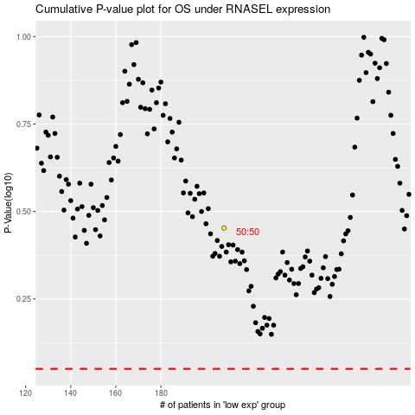

 |  |  |  |  |  | cases_OS | p_OS | rank | exp
 |  |  |  |  |  |  | cases_RFS | p_RFS | rank | exp

