RND2 _multivariate
Reported by Tex Li-Hsing Chi. tex@gate.sinica.edu.tw 2019-08-16

Table 2. The clinicopathological features of HNSCC cohort and RND2 expression. (Chi square test)
Cutoff at -0.344 (49.8%)
 |  | RND2 expression |  | RND2 expression |  | (Optimised)
 | Features | Low | (%) | High | (%) | Case no | P-value | Remark | Matthews
Gender | Female | 140 | 33.7 | 166 | 40 | 415 | 0.0068 | 1 | 0
2 | Male | 67 | 16.1 | 42 | 10.1
Age at diagnosis | <=65y | 136 | 32.8 | 138 | 33.3 | 415 | 0.9719 | 0 | 0
4 | >65y | 71 | 17.1 | 70 | 16.9
Clinical T Status | T1+T2 | 87 | 21 | 62 | 14.9 | 415 | 0.0127 | 1 | 0
6 | T3+T4 | 120 | 28.9 | 146 | 35.2
Clinical N Status | N0 | 103 | 24.8 | 113 | 27.2 | 415 | 0.4047 | 0 | 0
8 | N1-3 | 104 | 25.1 | 95 | 22.9
Clinical M Status | M0 | 205 | 49.4 | 207 | 49.9 | 415 | 0.6232 | 0 | 0
10 | M1 | 2 | 0.5 | 1 | 0.2
Clinical Stage | Stage I+II | 60 | 14.5 | 42 | 10.1 | 415 | 0.0493 | 1 | 0
12 | Stage III+IV | 147 | 35.4 | 166 | 40
Surgical Margin status | Negative | 162 | 39 | 156 | 37.6 | 415 | 0.4867 | 0 | 0
14 | Positive | 45 | 10.8 | 52 | 12.5
Tobacco Exposure | Low | 99 | 23.9 | 62 | 14.9 | 415 | 2e-04 | 1 | 0
16 | High | 108 | 26 | 146 | 35.2

Table 3. Univariate/Multivariate Cox's proportional hazards regression analyses on OS time of RND2 gene expression in HNSCC

 |  | Univariate |  |  |  | Multivariate
 | Features | HR | CI95%(L) | CI95%(H) | P-value | HR | CI95%(L) | CI95%(H) | P-value
1 | Female | 1 |  |  |  | 1
Gender | Male | 1.157 | 0.843 | 1.587 | 0.367 | 1.142 | 0.813 | 1.604 | 0.443
11 | <=65y | 1 |  |  |  | 1
Age at diagnosis | >65y | 1.329 | 0.99 | 1.784 | 0.058 | 1.39 | 1.022 | 1.89 | 0.036
12 | T1+T2 | 1 |  |  |  | 1
Clinical T Status | T3+T4 | 1.409 | 1.028 | 1.931 | 0.033 | 2.233 | 1.18 | 4.226 | 0.014
13 | N0 | 1 |  |  |  | 1
Clinical N Status | N1-3 | 1.185 | 0.89 | 1.577 | 0.246 | 1.217 | 0.853 | 1.736 | 0.279
14 | M0 | 1 |  |  |  | 1
Clinical M Status | M1 | 4.097 | 1.009 | 16.644 | 0.049 | 9.077 | 1.98 | 41.611 | 0.005
15 | Stage I+II | 1 |  |  |  | 1
Clinical Stage | Stage III+IV | 1.245 | 0.882 | 1.759 | 0.213 | 0.527 | 0.245 | 1.134 | 0.101
16 | Negative | 1 |  |  |  | 1
Surgical Margin status | Positive | 1.591 | 1.155 | 2.191 | 0.004 | 1.689 | 1.223 | 2.334 | 0.001
17 | Low | 1 |  |  |  | 1
Tobacco Exposure | High | 1.364 | 1.008 | 1.844 | 0.044 | 1.516 | 1.096 | 2.097 | 0.012
18 | Low | 1 |  |  |  | 1
RNAseq(z-score) | High | 0.841 | 0.631 | 1.122 | 0.24 | 0.768 | 0.566 | 1.04 | 0.088

Table 4. Univariate/Multivariate Cox's proportional hazards regression analyses on RFS time of RND2 gene expression in HNSCC

 |  | Univariate |  |  |  | Multivariate
 | Features | HR | CI95%(L) | CI95%(H) | P-value | HR | CI95%(L) | CI95%(H) | P-value
1 | Female | 1 |  |  |  | 1
Gender | Male | 1.157 | 0.843 | 1.587 | 0.367 | 1.142 | 0.813 | 1.604 | 0.443
11 | <=65y | 1 |  |  |  | 1
Age at diagnosis | >65y | 1.329 | 0.99 | 1.784 | 0.058 | 1.39 | 1.022 | 1.89 | 0.036
12 | T1+T2 | 1 |  |  |  | 1
Clinical T Status | T3+T4 | 1.409 | 1.028 | 1.931 | 0.033 | 2.233 | 1.18 | 4.226 | 0.014
13 | N0 | 1 |  |  |  | 1
Clinical N Status | N1-3 | 1.185 | 0.89 | 1.577 | 0.246 | 1.217 | 0.853 | 1.736 | 0.279
14 | M0 | 1 |  |  |  | 1
Clinical M Status | M1 | 4.097 | 1.009 | 16.644 | 0.049 | 9.077 | 1.98 | 41.611 | 0.005
15 | Stage I+II | 1 |  |  |  | 1
Clinical Stage | Stage III+IV | 1.245 | 0.882 | 1.759 | 0.213 | 0.527 | 0.245 | 1.134 | 0.101
16 | Negative | 1 |  |  |  | 1
Surgical Margin status | Positive | 1.591 | 1.155 | 2.191 | 0.004 | 1.689 | 1.223 | 2.334 | 0.001
17 | Low | 1 |  |  |  | 1
Tobacco Exposure | High | 1.364 | 1.008 | 1.844 | 0.044 | 1.516 | 1.096 | 2.097 | 0.012
18 | Low | 1 |  |  |  | 1
RNAseq(z-score) | High | 0.841 | 0.631 | 1.122 | 0.24 | 0.768 | 0.566 | 1.04 | 0.088

Kaplan-Meier survival estimate: Cutoff at -0.344 (49.8%)



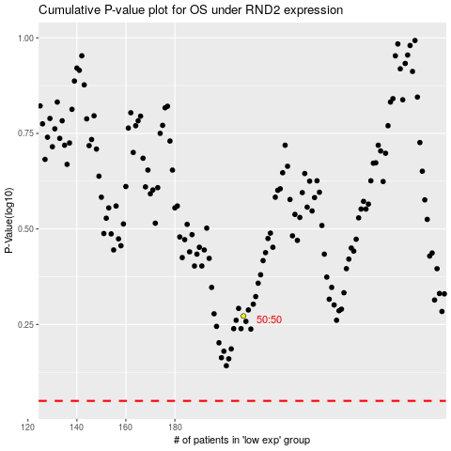

 |  |  |  |  |  | cases_OS | p_OS | rank | exp
 |  |  |  |  |  |  | cases_RFS | p_RFS | rank | exp

