RND3 _multivariate
Reported by Tex Li-Hsing Chi. tex@gate.sinica.edu.tw 2019-08-16

Table 2. The clinicopathological features of HNSCC cohort and RND3 expression. (Chi square test)
Cutoff at -0.26 (50.0%)
 |  | RND3 expression |  | RND3 expression |  | (Optimised)
 | Features | Low | (%) | High | (%) | Case no | P-value | Remark | Matthews
Gender | Female | 160 | 38.6 | 146 | 35.2 | 415 | 0.1254 | 0 | 0
2 | Male | 47 | 11.3 | 62 | 14.9
Age at diagnosis | <=65y | 137 | 33 | 137 | 33 | 415 | 1 | 0 | 0
4 | >65y | 70 | 16.9 | 71 | 17.1
Clinical T Status | T1+T2 | 70 | 16.9 | 79 | 19 | 415 | 0.4343 | 0 | 0
6 | T3+T4 | 137 | 33 | 129 | 31.1
Clinical N Status | N0 | 96 | 23.1 | 120 | 28.9 | 415 | 0.0272 | 1 | 0
8 | N1-3 | 111 | 26.7 | 88 | 21.2
Clinical M Status | M0 | 206 | 49.6 | 206 | 49.6 | 415 | 1 | 0 | 0
10 | M1 | 1 | 0.2 | 2 | 0.5
Clinical Stage | Stage I+II | 43 | 10.4 | 59 | 14.2 | 415 | 0.0925 | 0 | 0
12 | Stage III+IV | 164 | 39.5 | 149 | 35.9
Surgical Margin status | Negative | 158 | 38.1 | 160 | 38.6 | 415 | 0.9081 | 0 | 0
14 | Positive | 49 | 11.8 | 48 | 11.6
Tobacco Exposure | Low | 70 | 16.9 | 91 | 21.9 | 415 | 0.0439 | 1 | 0
16 | High | 137 | 33 | 117 | 28.2

Table 3. Univariate/Multivariate Cox's proportional hazards regression analyses on OS time of RND3 gene expression in HNSCC

 |  | Univariate |  |  |  | Multivariate
 | Features | HR | CI95%(L) | CI95%(H) | P-value | HR | CI95%(L) | CI95%(H) | P-value
1 | Female | 1 |  |  |  | 1
Gender | Male | 1.157 | 0.843 | 1.587 | 0.367 | 1.168 | 0.835 | 1.635 | 0.364
11 | <=65y | 1 |  |  |  | 1
Age at diagnosis | >65y | 1.329 | 0.99 | 1.784 | 0.058 | 1.389 | 1.022 | 1.889 | 0.036
12 | T1+T2 | 1 |  |  |  | 1
Clinical T Status | T3+T4 | 1.409 | 1.028 | 1.931 | 0.033 | 2.199 | 1.163 | 4.156 | 0.015
13 | N0 | 1 |  |  |  | 1
Clinical N Status | N1-3 | 1.185 | 0.89 | 1.577 | 0.246 | 1.274 | 0.892 | 1.819 | 0.183
14 | M0 | 1 |  |  |  | 1
Clinical M Status | M1 | 4.097 | 1.009 | 16.644 | 0.049 | 8.533 | 1.853 | 39.303 | 0.006
15 | Stage I+II | 1 |  |  |  | 1
Clinical Stage | Stage III+IV | 1.245 | 0.882 | 1.759 | 0.213 | 0.517 | 0.241 | 1.11 | 0.091
16 | Negative | 1 |  |  |  | 1
Surgical Margin status | Positive | 1.591 | 1.155 | 2.191 | 0.004 | 1.643 | 1.189 | 2.271 | 0.003
17 | Low | 1 |  |  |  | 1
Tobacco Exposure | High | 1.364 | 1.008 | 1.844 | 0.044 | 1.449 | 1.052 | 1.995 | 0.023
18 | Low | 1 |  |  |  | 1
RNAseq(z-score) | High | 1.272 | 0.951 | 1.7 | 0.105 | 1.257 | 0.933 | 1.692 | 0.133

Table 4. Univariate/Multivariate Cox's proportional hazards regression analyses on RFS time of RND3 gene expression in HNSCC

 |  | Univariate |  |  |  | Multivariate
 | Features | HR | CI95%(L) | CI95%(H) | P-value | HR | CI95%(L) | CI95%(H) | P-value
1 | Female | 1 |  |  |  | 1
Gender | Male | 1.157 | 0.843 | 1.587 | 0.367 | 1.168 | 0.835 | 1.635 | 0.364
11 | <=65y | 1 |  |  |  | 1
Age at diagnosis | >65y | 1.329 | 0.99 | 1.784 | 0.058 | 1.389 | 1.022 | 1.889 | 0.036
12 | T1+T2 | 1 |  |  |  | 1
Clinical T Status | T3+T4 | 1.409 | 1.028 | 1.931 | 0.033 | 2.199 | 1.163 | 4.156 | 0.015
13 | N0 | 1 |  |  |  | 1
Clinical N Status | N1-3 | 1.185 | 0.89 | 1.577 | 0.246 | 1.274 | 0.892 | 1.819 | 0.183
14 | M0 | 1 |  |  |  | 1
Clinical M Status | M1 | 4.097 | 1.009 | 16.644 | 0.049 | 8.533 | 1.853 | 39.303 | 0.006
15 | Stage I+II | 1 |  |  |  | 1
Clinical Stage | Stage III+IV | 1.245 | 0.882 | 1.759 | 0.213 | 0.517 | 0.241 | 1.11 | 0.091
16 | Negative | 1 |  |  |  | 1
Surgical Margin status | Positive | 1.591 | 1.155 | 2.191 | 0.004 | 1.643 | 1.189 | 2.271 | 0.003
17 | Low | 1 |  |  |  | 1
Tobacco Exposure | High | 1.364 | 1.008 | 1.844 | 0.044 | 1.449 | 1.052 | 1.995 | 0.023
18 | Low | 1 |  |  |  | 1
RNAseq(z-score) | High | 1.272 | 0.951 | 1.7 | 0.105 | 1.257 | 0.933 | 1.692 | 0.133

Kaplan-Meier survival estimate: Cutoff at -0.26 (50.0%)



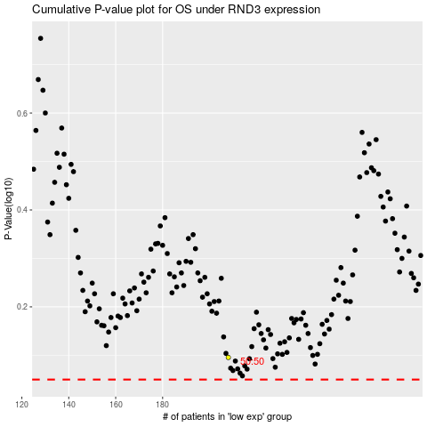

 |  |  |  |  |  | cases_OS | p_OS | rank | exp
 |  |  |  |  |  |  | cases_RFS | p_RFS | rank | exp

