RNF10 _multivariate
Reported by Tex Li-Hsing Chi. tex@gate.sinica.edu.tw 2019-08-16

Table 2. The clinicopathological features of HNSCC cohort and RNF10 expression. (Chi square test)
Cutoff at -0.212 (50.0%)
 |  | RNF10 expression |  | RNF10 expression |  | (Optimised)
 | Features | Low | (%) | High | (%) | Case no | P-value | Remark | Matthews
Gender | Female | 160 | 38.6 | 146 | 35.2 | 415 | 0.1254 | 0 | 0
2 | Male | 47 | 11.3 | 62 | 14.9
Age at diagnosis | <=65y | 136 | 32.8 | 138 | 33.3 | 415 | 0.9719 | 0 | 0
4 | >65y | 71 | 17.1 | 70 | 16.9
Clinical T Status | T1+T2 | 85 | 20.5 | 64 | 15.4 | 415 | 0.0372 | 1 | 0
6 | T3+T4 | 122 | 29.4 | 144 | 34.7
Clinical N Status | N0 | 109 | 26.3 | 107 | 25.8 | 415 | 0.8812 | 0 | 0
8 | N1-3 | 98 | 23.6 | 101 | 24.3
Clinical M Status | M0 | 206 | 49.6 | 206 | 49.6 | 415 | 1 | 0 | 0
10 | M1 | 1 | 0.2 | 2 | 0.5
Clinical Stage | Stage I+II | 58 | 14 | 44 | 10.6 | 415 | 0.131 | 0 | 0
12 | Stage III+IV | 149 | 35.9 | 164 | 39.5
Surgical Margin status | Negative | 157 | 37.8 | 161 | 38.8 | 415 | 0.729 | 0 | 0
14 | Positive | 50 | 12 | 47 | 11.3
Tobacco Exposure | Low | 77 | 18.6 | 84 | 20.2 | 415 | 0.5459 | 0 | 0
16 | High | 130 | 31.3 | 124 | 29.9

Table 3. Univariate/Multivariate Cox's proportional hazards regression analyses on OS time of RNF10 gene expression in HNSCC

 |  | Univariate |  |  |  | Multivariate
 | Features | HR | CI95%(L) | CI95%(H) | P-value | HR | CI95%(L) | CI95%(H) | P-value
1 | Female | 1 |  |  |  | 1
Gender | Male | 1.157 | 0.843 | 1.587 | 0.367 | 1.192 | 0.854 | 1.665 | 0.302
11 | <=65y | 1 |  |  |  | 1
Age at diagnosis | >65y | 1.329 | 0.99 | 1.784 | 0.058 | 1.404 | 1.032 | 1.91 | 0.031
12 | T1+T2 | 1 |  |  |  | 1
Clinical T Status | T3+T4 | 1.409 | 1.028 | 1.931 | 0.033 | 2.166 | 1.144 | 4.1 | 0.018
13 | N0 | 1 |  |  |  | 1
Clinical N Status | N1-3 | 1.185 | 0.89 | 1.577 | 0.246 | 1.248 | 0.875 | 1.781 | 0.221
14 | M0 | 1 |  |  |  | 1
Clinical M Status | M1 | 4.097 | 1.009 | 16.644 | 0.049 | 9.155 | 1.995 | 42.022 | 0.004
15 | Stage I+II | 1 |  |  |  | 1
Clinical Stage | Stage III+IV | 1.245 | 0.882 | 1.759 | 0.213 | 0.51 | 0.237 | 1.095 | 0.084
16 | Negative | 1 |  |  |  | 1
Surgical Margin status | Positive | 1.591 | 1.155 | 2.191 | 0.004 | 1.657 | 1.199 | 2.291 | 0.002
17 | Low | 1 |  |  |  | 1
Tobacco Exposure | High | 1.364 | 1.008 | 1.844 | 0.044 | 1.465 | 1.063 | 2.019 | 0.02
18 | Low | 1 |  |  |  | 1
RNAseq(z-score) | High | 1.13 | 0.848 | 1.506 | 0.405 | 1.127 | 0.843 | 1.506 | 0.42

Table 4. Univariate/Multivariate Cox's proportional hazards regression analyses on RFS time of RNF10 gene expression in HNSCC

 |  | Univariate |  |  |  | Multivariate
 | Features | HR | CI95%(L) | CI95%(H) | P-value | HR | CI95%(L) | CI95%(H) | P-value
1 | Female | 1 |  |  |  | 1
Gender | Male | 1.157 | 0.843 | 1.587 | 0.367 | 1.192 | 0.854 | 1.665 | 0.302
11 | <=65y | 1 |  |  |  | 1
Age at diagnosis | >65y | 1.329 | 0.99 | 1.784 | 0.058 | 1.404 | 1.032 | 1.91 | 0.031
12 | T1+T2 | 1 |  |  |  | 1
Clinical T Status | T3+T4 | 1.409 | 1.028 | 1.931 | 0.033 | 2.166 | 1.144 | 4.1 | 0.018
13 | N0 | 1 |  |  |  | 1
Clinical N Status | N1-3 | 1.185 | 0.89 | 1.577 | 0.246 | 1.248 | 0.875 | 1.781 | 0.221
14 | M0 | 1 |  |  |  | 1
Clinical M Status | M1 | 4.097 | 1.009 | 16.644 | 0.049 | 9.155 | 1.995 | 42.022 | 0.004
15 | Stage I+II | 1 |  |  |  | 1
Clinical Stage | Stage III+IV | 1.245 | 0.882 | 1.759 | 0.213 | 0.51 | 0.237 | 1.095 | 0.084
16 | Negative | 1 |  |  |  | 1
Surgical Margin status | Positive | 1.591 | 1.155 | 2.191 | 0.004 | 1.657 | 1.199 | 2.291 | 0.002
17 | Low | 1 |  |  |  | 1
Tobacco Exposure | High | 1.364 | 1.008 | 1.844 | 0.044 | 1.465 | 1.063 | 2.019 | 0.02
18 | Low | 1 |  |  |  | 1
RNAseq(z-score) | High | 1.13 | 0.848 | 1.506 | 0.405 | 1.127 | 0.843 | 1.506 | 0.42

Kaplan-Meier survival estimate: Cutoff at -0.212 (50.0%)



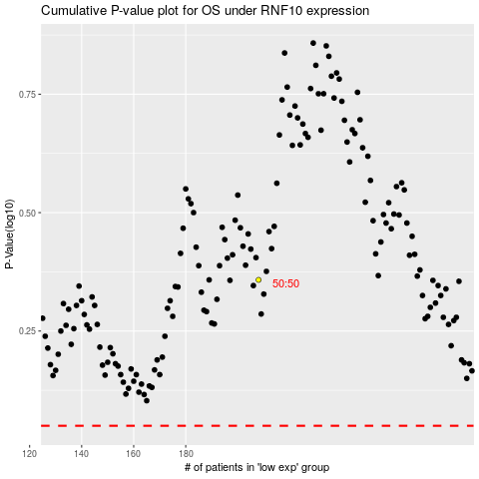

 |  |  |  |  |  | cases_OS | p_OS | rank | exp
 |  |  |  |  |  |  | cases_RFS | p_RFS | rank | exp

