RNF103 _multivariate
Reported by Tex Li-Hsing Chi. tex@gate.sinica.edu.tw 2019-08-16

Table 2. The clinicopathological features of HNSCC cohort and RNF103 expression. (Chi square test)
Cutoff at -0.493 (35.3%)
 |  | RNF103 expression |  | RNF103 expression |  | (Optimised)
 | Features | Low | (%) | High | (%) | Case no | P-value | Remark | Matthews
Gender | Female | 110 | 26.5 | 196 | 47.2 | 415 | 0.6662 | 0 | 0
2 | Male | 36 | 8.7 | 73 | 17.6
Age at diagnosis | <=65y | 94 | 22.7 | 180 | 43.4 | 415 | 0.6808 | 0 | 0
4 | >65y | 52 | 12.5 | 89 | 21.4
Clinical T Status | T1+T2 | 52 | 12.5 | 97 | 23.4 | 415 | 1 | 0 | 0
6 | T3+T4 | 94 | 22.7 | 172 | 41.4
Clinical N Status | N0 | 67 | 16.1 | 149 | 35.9 | 415 | 0.0806 | 0 | 0
8 | N1-3 | 79 | 19 | 120 | 28.9
Clinical M Status | M0 | 144 | 34.7 | 268 | 64.6 | 415 | 0.2837 | 0 | 0
10 | M1 | 2 | 0.5 | 1 | 0.2
Clinical Stage | Stage I+II | 36 | 8.7 | 66 | 15.9 | 415 | 1 | 0 | 0
12 | Stage III+IV | 110 | 26.5 | 203 | 48.9
Surgical Margin status | Negative | 108 | 26 | 210 | 50.6 | 415 | 0.3953 | 0 | 0
14 | Positive | 38 | 9.2 | 59 | 14.2
Tobacco Exposure | Low | 60 | 14.5 | 101 | 24.3 | 415 | 0.527 | 0 | 0
16 | High | 86 | 20.7 | 168 | 40.5

Table 3. Univariate/Multivariate Cox's proportional hazards regression analyses on OS time of RNF103 gene expression in HNSCC

 |  | Univariate |  |  |  | Multivariate
 | Features | HR | CI95%(L) | CI95%(H) | P-value | HR | CI95%(L) | CI95%(H) | P-value
1 | Female | 1 |  |  |  | 1
Gender | Male | 1.157 | 0.843 | 1.587 | 0.367 | 1.198 | 0.856 | 1.675 | 0.292
11 | <=65y | 1 |  |  |  | 1
Age at diagnosis | >65y | 1.329 | 0.99 | 1.784 | 0.058 | 1.383 | 1.018 | 1.879 | 0.038
12 | T1+T2 | 1 |  |  |  | 1
Clinical T Status | T3+T4 | 1.409 | 1.028 | 1.931 | 0.033 | 2.152 | 1.138 | 4.068 | 0.018
13 | N0 | 1 |  |  |  | 1
Clinical N Status | N1-3 | 1.185 | 0.89 | 1.577 | 0.246 | 1.216 | 0.852 | 1.736 | 0.281
14 | M0 | 1 |  |  |  | 1
Clinical M Status | M1 | 4.097 | 1.009 | 16.644 | 0.049 | 8.618 | 1.875 | 39.609 | 0.006
15 | Stage I+II | 1 |  |  |  | 1
Clinical Stage | Stage III+IV | 1.245 | 0.882 | 1.759 | 0.213 | 0.531 | 0.247 | 1.142 | 0.105
16 | Negative | 1 |  |  |  | 1
Surgical Margin status | Positive | 1.591 | 1.155 | 2.191 | 0.004 | 1.641 | 1.188 | 2.268 | 0.003
17 | Low | 1 |  |  |  | 1
Tobacco Exposure | High | 1.364 | 1.008 | 1.844 | 0.044 | 1.48 | 1.074 | 2.041 | 0.017
18 | Low | 1 |  |  |  | 1
RNAseq(z-score) | High | 0.728 | 0.543 | 0.978 | 0.035 | 0.753 | 0.559 | 1.014 | 0.062

Table 4. Univariate/Multivariate Cox's proportional hazards regression analyses on RFS time of RNF103 gene expression in HNSCC

 |  | Univariate |  |  |  | Multivariate
 | Features | HR | CI95%(L) | CI95%(H) | P-value | HR | CI95%(L) | CI95%(H) | P-value
1 | Female | 1 |  |  |  | 1
Gender | Male | 1.157 | 0.843 | 1.587 | 0.367 | 1.198 | 0.856 | 1.675 | 0.292
11 | <=65y | 1 |  |  |  | 1
Age at diagnosis | >65y | 1.329 | 0.99 | 1.784 | 0.058 | 1.383 | 1.018 | 1.879 | 0.038
12 | T1+T2 | 1 |  |  |  | 1
Clinical T Status | T3+T4 | 1.409 | 1.028 | 1.931 | 0.033 | 2.152 | 1.138 | 4.068 | 0.018
13 | N0 | 1 |  |  |  | 1
Clinical N Status | N1-3 | 1.185 | 0.89 | 1.577 | 0.246 | 1.216 | 0.852 | 1.736 | 0.281
14 | M0 | 1 |  |  |  | 1
Clinical M Status | M1 | 4.097 | 1.009 | 16.644 | 0.049 | 8.618 | 1.875 | 39.609 | 0.006
15 | Stage I+II | 1 |  |  |  | 1
Clinical Stage | Stage III+IV | 1.245 | 0.882 | 1.759 | 0.213 | 0.531 | 0.247 | 1.142 | 0.105
16 | Negative | 1 |  |  |  | 1
Surgical Margin status | Positive | 1.591 | 1.155 | 2.191 | 0.004 | 1.641 | 1.188 | 2.268 | 0.003
17 | Low | 1 |  |  |  | 1
Tobacco Exposure | High | 1.364 | 1.008 | 1.844 | 0.044 | 1.48 | 1.074 | 2.041 | 0.017
18 | Low | 1 |  |  |  | 1
RNAseq(z-score) | High | 0.728 | 0.543 | 0.978 | 0.035 | 0.753 | 0.559 | 1.014 | 0.062

Kaplan-Meier survival estimate: Cutoff at -0.493 (35.3%)

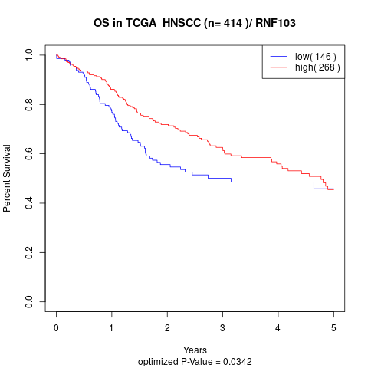

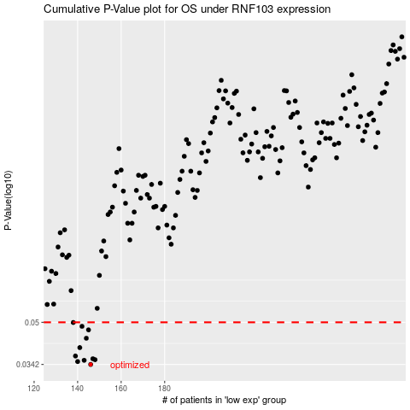

 |  |  |  |  |  | cases_OS | p_OS | rank | exp
 |  |  |  |  |  | 146 | 0.0342 | 27 | -0.49292291974
 |  |  |  |  |  | 140 | 0.0351 | 8 | -0.51910677565
 |  |  |  |  |  | 143 | 0.0355 | 17 | -0.51112797951
 |  |  |  |  |  | 148 | 0.0357 | 184 | -0.48390968006
 |  |  |  |  |  | 147 | 0.036 | 10 | -0.48441279177
 |  |  |  |  |  | 139 | 0.0369 | 279 | -0.51912264946
 |  |  |  |  |  | 141 | 0.0398 | 136 | -0.51579576265
 |  |  |  |  |  | 144 | 0.0433 | 98 | -0.50810445891
 |  |  |  |  |  | 145 | 0.0467 | 66 | -0.50773936119
 |  |  |  |  |  | 142 | 0.0482 | 88 | -0.51401128141
 |  |  |  |  |  | 138 | 0.0499 | 97 | -0.53584262576
 |  |  |  |  |  |  | cases_RFS | p_RFS | rank | exp
 |  |  |  |  |  |  | 145 | 0.0342 | 66 | -0.50773936119
 |  |  |  |  |  |  | 139 | 0.0351 | 279 | -0.51912264946
 |  |  |  |  |  |  | 142 | 0.0355 | 88 | -0.51401128141
 |  |  |  |  |  |  | 147 | 0.0357 | 10 | -0.48441279177
 |  |  |  |  |  |  | 146 | 0.036 | 27 | -0.49292291974
 |  |  |  |  |  |  | 138 | 0.0369 | 97 | -0.53584262576
 |  |  |  |  |  |  | 140 | 0.0398 | 8 | -0.51910677565
 |  |  |  |  |  |  | 143 | 0.0433 | 17 | -0.51112797951
 |  |  |  |  |  |  | 144 | 0.0467 | 98 | -0.50810445891
 |  |  |  |  |  |  | 141 | 0.0482 | 136 | -0.51579576265
 |  |  |  |  |  |  | 137 | 0.0499 | 138 | -0.53798559063

