RNF11 _multivariate
Reported by Tex Li-Hsing Chi. tex@gate.sinica.edu.tw 2019-08-16

Table 2. The clinicopathological features of HNSCC cohort and RNF11 expression. (Chi square test)
Cutoff at 0.257 (69.8%)
 |  | RNF11 expression |  | RNF11 expression |  | (Optimised)
 | Features | Low | (%) | High | (%) | Case no | P-value | Remark | Matthews
Gender | Female | 224 | 54 | 82 | 19.8 | 415 | 0.0116 | 1 | 0
2 | Male | 65 | 15.7 | 44 | 10.6
Age at diagnosis | <=65y | 194 | 46.7 | 80 | 19.3 | 415 | 0.5442 | 0 | 0
4 | >65y | 95 | 22.9 | 46 | 11.1
Clinical T Status | T1+T2 | 104 | 25.1 | 45 | 10.8 | 415 | 1 | 0 | 0
6 | T3+T4 | 185 | 44.6 | 81 | 19.5
Clinical N Status | N0 | 141 | 34 | 75 | 18.1 | 415 | 0.0567 | 0 | 0
8 | N1-3 | 148 | 35.7 | 51 | 12.3
Clinical M Status | M0 | 286 | 68.9 | 126 | 30.4 | 415 | 0.5566 | 0 | 0
10 | M1 | 3 | 0.7 | 0 | 0
Clinical Stage | Stage I+II | 68 | 16.4 | 34 | 8.2 | 415 | 0.5302 | 0 | 0
12 | Stage III+IV | 221 | 53.3 | 92 | 22.2
Surgical Margin status | Negative | 223 | 53.7 | 95 | 22.9 | 415 | 0.7063 | 0 | 0
14 | Positive | 66 | 15.9 | 31 | 7.5
Tobacco Exposure | Low | 96 | 23.1 | 65 | 15.7 | 415 | 6e-04 | 1 | 0
16 | High | 193 | 46.5 | 61 | 14.7

Table 3. Univariate/Multivariate Cox's proportional hazards regression analyses on OS time of RNF11 gene expression in HNSCC

 |  | Univariate |  |  |  | Multivariate
 | Features | HR | CI95%(L) | CI95%(H) | P-value | HR | CI95%(L) | CI95%(H) | P-value
1 | Female | 1 |  |  |  | 1
Gender | Male | 1.157 | 0.843 | 1.587 | 0.367 | 1.237 | 0.883 | 1.735 | 0.217
11 | <=65y | 1 |  |  |  | 1
Age at diagnosis | >65y | 1.329 | 0.99 | 1.784 | 0.058 | 1.381 | 1.016 | 1.877 | 0.039
12 | T1+T2 | 1 |  |  |  | 1
Clinical T Status | T3+T4 | 1.409 | 1.028 | 1.931 | 0.033 | 2.195 | 1.162 | 4.149 | 0.015
13 | N0 | 1 |  |  |  | 1
Clinical N Status | N1-3 | 1.185 | 0.89 | 1.577 | 0.246 | 1.175 | 0.821 | 1.681 | 0.379
14 | M0 | 1 |  |  |  | 1
Clinical M Status | M1 | 4.097 | 1.009 | 16.644 | 0.049 | 8.576 | 1.869 | 39.352 | 0.006
15 | Stage I+II | 1 |  |  |  | 1
Clinical Stage | Stage III+IV | 1.245 | 0.882 | 1.759 | 0.213 | 0.521 | 0.243 | 1.119 | 0.095
16 | Negative | 1 |  |  |  | 1
Surgical Margin status | Positive | 1.591 | 1.155 | 2.191 | 0.004 | 1.659 | 1.201 | 2.292 | 0.002
17 | Low | 1 |  |  |  | 1
Tobacco Exposure | High | 1.364 | 1.008 | 1.844 | 0.044 | 1.386 | 1.004 | 1.914 | 0.047
18 | Low | 1 |  |  |  | 1
RNAseq(z-score) | High | 0.629 | 0.45 | 0.881 | 0.007 | 0.658 | 0.467 | 0.927 | 0.017

Table 4. Univariate/Multivariate Cox's proportional hazards regression analyses on RFS time of RNF11 gene expression in HNSCC

 |  | Univariate |  |  |  | Multivariate
 | Features | HR | CI95%(L) | CI95%(H) | P-value | HR | CI95%(L) | CI95%(H) | P-value
1 | Female | 1 |  |  |  | 1
Gender | Male | 1.157 | 0.843 | 1.587 | 0.367 | 1.237 | 0.883 | 1.735 | 0.217
11 | <=65y | 1 |  |  |  | 1
Age at diagnosis | >65y | 1.329 | 0.99 | 1.784 | 0.058 | 1.381 | 1.016 | 1.877 | 0.039
12 | T1+T2 | 1 |  |  |  | 1
Clinical T Status | T3+T4 | 1.409 | 1.028 | 1.931 | 0.033 | 2.195 | 1.162 | 4.149 | 0.015
13 | N0 | 1 |  |  |  | 1
Clinical N Status | N1-3 | 1.185 | 0.89 | 1.577 | 0.246 | 1.175 | 0.821 | 1.681 | 0.379
14 | M0 | 1 |  |  |  | 1
Clinical M Status | M1 | 4.097 | 1.009 | 16.644 | 0.049 | 8.576 | 1.869 | 39.352 | 0.006
15 | Stage I+II | 1 |  |  |  | 1
Clinical Stage | Stage III+IV | 1.245 | 0.882 | 1.759 | 0.213 | 0.521 | 0.243 | 1.119 | 0.095
16 | Negative | 1 |  |  |  | 1
Surgical Margin status | Positive | 1.591 | 1.155 | 2.191 | 0.004 | 1.659 | 1.201 | 2.292 | 0.002
17 | Low | 1 |  |  |  | 1
Tobacco Exposure | High | 1.364 | 1.008 | 1.844 | 0.044 | 1.386 | 1.004 | 1.914 | 0.047
18 | Low | 1 |  |  |  | 1
RNAseq(z-score) | High | 0.629 | 0.45 | 0.881 | 0.007 | 0.658 | 0.467 | 0.927 | 0.017

Kaplan-Meier survival estimate: Cutoff at 0.257 (69.8%)

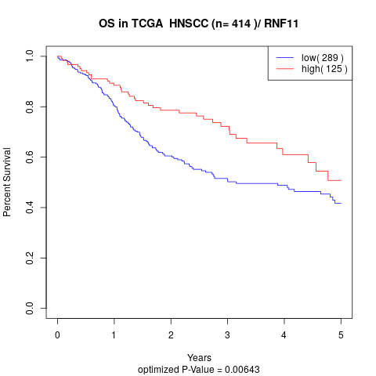

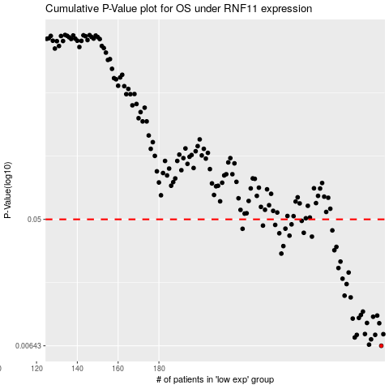

 |  |  |  |  |  | cases_OS | p_OS | rank | exp
 |  |  |  |  |  | 289 | 0.00643 | 303 | 0.25666334053
 |  |  |  |  |  | 283 | 0.00655 | 146 | 0.21725481978
 |  |  |  |  |  | 284 | 0.00714 | 32 | 0.22108772662
 |  |  |  |  |  | 276 | 0.00736 | 20 | 0.16224033715
 |  |  |  |  |  | 277 | 0.00767 | 189 | 0.16988385846
 |  |  |  |  |  | 286 | 0.00768 | 122 | 0.2481257047
 |  |  |  |  |  | 290 | 0.00776 | 55 | 0.25784483665
 |  |  |  |  |  | 281 | 0.00778 | 156 | 0.1876091517
 |  |  |  |  |  | 288 | 0.00927 | 52 | 0.25452603702
 |  |  |  |  |  | 282 | 0.00931 | 409 | 0.20016917959
 |  |  |  |  |  | 275 | 0.01 | 181 | 0.15967101078
 |  |  |  |  |  | 278 | 0.0101 | 391 | 0.17002573476
 |  |  |  |  |  | 285 | 0.0103 | 206 | 0.23541697454
 |  |  |  |  |  | 287 | 0.0105 | 243 | 0.25447600877
 |  |  |  |  |  | 279 | 0.0106 | 304 | 0.17611267769
 |  |  |  |  |  | 280 | 0.0112 | 138 | 0.18436388236
 |  |  |  |  |  | 274 | 0.0141 | 227 | 0.14199617781
 |  |  |  |  |  | 271 | 0.0145 | 314 | 0.12671777566
 |  |  |  |  |  | 272 | 0.0175 | 157 | 0.13196045951
 |  |  |  |  |  | 270 | 0.0191 | 220 | 0.11895095503
 |  |  |  |  |  | 273 | 0.0211 | 198 | 0.13653091578
 |  |  |  |  |  | 268 | 0.0227 | 352 | 0.11007469969
 |  |  |  |  |  | 269 | 0.0252 | 92 | 0.11230117271
 |  |  |  |  |  | 240 | 0.0287 | 408 | -0.037045674891
 |  |  |  |  |  | 266 | 0.0303 | 81 | 0.084012056423
 |  |  |  |  |  | 267 | 0.032 | 159 | 0.10319093379
 |  |  |  |  |  | 241 | 0.0324 | 321 | -0.035013352938
 |  |  |  |  |  | 255 | 0.0378 | 245 | 0.030362506827
 |  |  |  |  |  | 244 | 0.0384 | 329 | -0.018123678317
 |  |  |  |  |  | 239 | 0.0399 | 213 | -0.037253477888
 |  |  |  |  |  | 251 | 0.0402 | 106 | 0.01646130716
 |  |  |  |  |  | 265 | 0.0418 | 379 | 0.079335408929
 |  |  |  |  |  | 221 | 0.0429 | 50 | -0.14682259801
 |  |  |  |  |  | 242 | 0.043 | 14 | -0.033173972396
 |  |  |  |  |  | 231 | 0.0452 | 51 | -0.069073776255
 |  |  |  |  |  | 237 | 0.0457 | 150 | -0.045788867191
 |  |  |  |  |  | 245 | 0.0461 | 378 | -0.017295404084
 |  |  |  |  |  | 250 | 0.0488 | 56 | 0.014621235381
 |  |  |  |  |  |  | cases_RFS | p_RFS | rank | exp
 |  |  |  |  |  |  | 288 | 0.00643 | 52 | 0.25452603702
 |  |  |  |  |  |  | 282 | 0.00655 | 409 | 0.20016917959
 |  |  |  |  |  |  | 283 | 0.00714 | 146 | 0.21725481978
 |  |  |  |  |  |  | 275 | 0.00736 | 181 | 0.15967101078
 |  |  |  |  |  |  | 276 | 0.00767 | 20 | 0.16224033715
 |  |  |  |  |  |  | 285 | 0.00768 | 206 | 0.23541697454
 |  |  |  |  |  |  | 289 | 0.00776 | 303 | 0.25666334053
 |  |  |  |  |  |  | 280 | 0.00778 | 138 | 0.18436388236
 |  |  |  |  |  |  | 287 | 0.00927 | 243 | 0.25447600877
 |  |  |  |  |  |  | 281 | 0.00931 | 156 | 0.1876091517
 |  |  |  |  |  |  | 274 | 0.01 | 227 | 0.14199617781
 |  |  |  |  |  |  | 277 | 0.0101 | 189 | 0.16988385846
 |  |  |  |  |  |  | 284 | 0.0103 | 32 | 0.22108772662
 |  |  |  |  |  |  | 286 | 0.0105 | 122 | 0.2481257047
 |  |  |  |  |  |  | 278 | 0.0106 | 391 | 0.17002573476
 |  |  |  |  |  |  | 279 | 0.0112 | 304 | 0.17611267769
 |  |  |  |  |  |  | 273 | 0.0141 | 198 | 0.13653091578
 |  |  |  |  |  |  | 270 | 0.0145 | 220 | 0.11895095503
 |  |  |  |  |  |  | 271 | 0.0175 | 314 | 0.12671777566
 |  |  |  |  |  |  | 269 | 0.0191 | 92 | 0.11230117271
 |  |  |  |  |  |  | 272 | 0.0211 | 157 | 0.13196045951
 |  |  |  |  |  |  | 267 | 0.0227 | 159 | 0.10319093379
 |  |  |  |  |  |  | 268 | 0.0252 | 352 | 0.11007469969
 |  |  |  |  |  |  | 239 | 0.0287 | 213 | -0.037253477888
 |  |  |  |  |  |  | 265 | 0.0303 | 379 | 0.079335408929
 |  |  |  |  |  |  | 266 | 0.032 | 81 | 0.084012056423
 |  |  |  |  |  |  | 240 | 0.0324 | 408 | -0.037045674891
 |  |  |  |  |  |  | 254 | 0.0378 | 2 | 0.024904243569
 |  |  |  |  |  |  | 243 | 0.0384 | 78 | -0.02377496939
 |  |  |  |  |  |  | 238 | 0.0399 | 216 | -0.039661400518
 |  |  |  |  |  |  | 250 | 0.0402 | 56 | 0.014621235381
 |  |  |  |  |  |  | 264 | 0.0418 | 297 | 0.074512132876
 |  |  |  |  |  |  | 220 | 0.0429 | 261 | -0.14977884406
 |  |  |  |  |  |  | 241 | 0.043 | 321 | -0.035013352938
 |  |  |  |  |  |  | 230 | 0.0452 | 214 | -0.085532637677
 |  |  |  |  |  |  | 236 | 0.0457 | 143 | -0.047249363682
 |  |  |  |  |  |  | 244 | 0.0461 | 329 | -0.018123678317
 |  |  |  |  |  |  | 249 | 0.0488 | 308 | 0.0089089426799

