RNF111 _multivariate
Reported by Tex Li-Hsing Chi. tex@gate.sinica.edu.tw 2019-08-16

Table 2. The clinicopathological features of HNSCC cohort and RNF111 expression. (Chi square test)
Cutoff at 0.045 (49.8%)
 |  | RNF111 expression |  | RNF111 expression |  | (Optimised)
 | Features | Low | (%) | High | (%) | Case no | P-value | Remark | Matthews
Gender | Female | 155 | 37.3 | 151 | 36.4 | 415 | 0.6768 | 0 | 0
2 | Male | 52 | 12.5 | 57 | 13.7
Age at diagnosis | <=65y | 143 | 34.5 | 131 | 31.6 | 415 | 0.2269 | 0 | 0
4 | >65y | 64 | 15.4 | 77 | 18.6
Clinical T Status | T1+T2 | 75 | 18.1 | 74 | 17.8 | 415 | 0.9707 | 0 | 0
6 | T3+T4 | 132 | 31.8 | 134 | 32.3
Clinical N Status | N0 | 106 | 25.5 | 110 | 26.5 | 415 | 0.8075 | 0 | 0
8 | N1-3 | 101 | 24.3 | 98 | 23.6
Clinical M Status | M0 | 206 | 49.6 | 206 | 49.6 | 415 | 1 | 0 | 0
10 | M1 | 1 | 0.2 | 2 | 0.5
Clinical Stage | Stage I+II | 51 | 12.3 | 51 | 12.3 | 415 | 1 | 0 | 0
12 | Stage III+IV | 156 | 37.6 | 157 | 37.8
Surgical Margin status | Negative | 151 | 36.4 | 167 | 40.2 | 415 | 0.0828 | 0 | 0
14 | Positive | 56 | 13.5 | 41 | 9.9
Tobacco Exposure | Low | 80 | 19.3 | 81 | 19.5 | 415 | 1 | 0 | 0
16 | High | 127 | 30.6 | 127 | 30.6

Table 3. Univariate/Multivariate Cox's proportional hazards regression analyses on OS time of RNF111 gene expression in HNSCC

 |  | Univariate |  |  |  | Multivariate
 | Features | HR | CI95%(L) | CI95%(H) | P-value | HR | CI95%(L) | CI95%(H) | P-value
1 | Female | 1 |  |  |  | 1
Gender | Male | 1.157 | 0.843 | 1.587 | 0.367 | 1.204 | 0.862 | 1.68 | 0.276
11 | <=65y | 1 |  |  |  | 1
Age at diagnosis | >65y | 1.329 | 0.99 | 1.784 | 0.058 | 1.387 | 1.02 | 1.887 | 0.037
12 | T1+T2 | 1 |  |  |  | 1
Clinical T Status | T3+T4 | 1.409 | 1.028 | 1.931 | 0.033 | 2.187 | 1.156 | 4.136 | 0.016
13 | N0 | 1 |  |  |  | 1
Clinical N Status | N1-3 | 1.185 | 0.89 | 1.577 | 0.246 | 1.242 | 0.871 | 1.773 | 0.232
14 | M0 | 1 |  |  |  | 1
Clinical M Status | M1 | 4.097 | 1.009 | 16.644 | 0.049 | 9.16 | 1.998 | 41.999 | 0.004
15 | Stage I+II | 1 |  |  |  | 1
Clinical Stage | Stage III+IV | 1.245 | 0.882 | 1.759 | 0.213 | 0.507 | 0.236 | 1.089 | 0.082
16 | Negative | 1 |  |  |  | 1
Surgical Margin status | Positive | 1.591 | 1.155 | 2.191 | 0.004 | 1.717 | 1.241 | 2.377 | 0.001
17 | Low | 1 |  |  |  | 1
Tobacco Exposure | High | 1.364 | 1.008 | 1.844 | 0.044 | 1.483 | 1.075 | 2.045 | 0.016
18 | Low | 1 |  |  |  | 1
RNAseq(z-score) | High | 1.241 | 0.93 | 1.656 | 0.142 | 1.306 | 0.976 | 1.746 | 0.072

Table 4. Univariate/Multivariate Cox's proportional hazards regression analyses on RFS time of RNF111 gene expression in HNSCC

 |  | Univariate |  |  |  | Multivariate
 | Features | HR | CI95%(L) | CI95%(H) | P-value | HR | CI95%(L) | CI95%(H) | P-value
1 | Female | 1 |  |  |  | 1
Gender | Male | 1.157 | 0.843 | 1.587 | 0.367 | 1.204 | 0.862 | 1.68 | 0.276
11 | <=65y | 1 |  |  |  | 1
Age at diagnosis | >65y | 1.329 | 0.99 | 1.784 | 0.058 | 1.387 | 1.02 | 1.887 | 0.037
12 | T1+T2 | 1 |  |  |  | 1
Clinical T Status | T3+T4 | 1.409 | 1.028 | 1.931 | 0.033 | 2.187 | 1.156 | 4.136 | 0.016
13 | N0 | 1 |  |  |  | 1
Clinical N Status | N1-3 | 1.185 | 0.89 | 1.577 | 0.246 | 1.242 | 0.871 | 1.773 | 0.232
14 | M0 | 1 |  |  |  | 1
Clinical M Status | M1 | 4.097 | 1.009 | 16.644 | 0.049 | 9.16 | 1.998 | 41.999 | 0.004
15 | Stage I+II | 1 |  |  |  | 1
Clinical Stage | Stage III+IV | 1.245 | 0.882 | 1.759 | 0.213 | 0.507 | 0.236 | 1.089 | 0.082
16 | Negative | 1 |  |  |  | 1
Surgical Margin status | Positive | 1.591 | 1.155 | 2.191 | 0.004 | 1.717 | 1.241 | 2.377 | 0.001
17 | Low | 1 |  |  |  | 1
Tobacco Exposure | High | 1.364 | 1.008 | 1.844 | 0.044 | 1.483 | 1.075 | 2.045 | 0.016
18 | Low | 1 |  |  |  | 1
RNAseq(z-score) | High | 1.241 | 0.93 | 1.656 | 0.142 | 1.306 | 0.976 | 1.746 | 0.072

Kaplan-Meier survival estimate: Cutoff at 0.045 (49.8%)



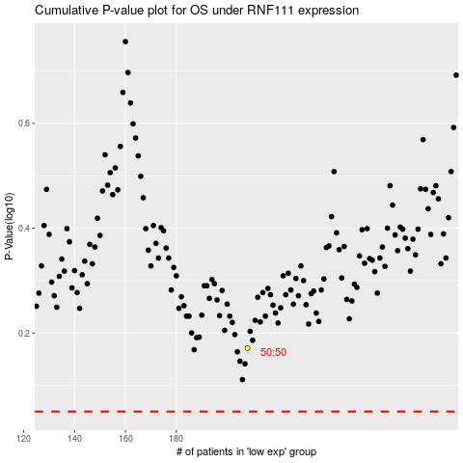

 |  |  |  |  |  | cases_OS | p_OS | rank | exp
 |  |  |  |  |  |  | cases_RFS | p_RFS | rank | exp

