RNF122 _multivariate
Reported by Tex Li-Hsing Chi. tex@gate.sinica.edu.tw 2019-08-16

Table 2. The clinicopathological features of HNSCC cohort and RNF122 expression. (Chi square test)
Cutoff at -0.501 (31.2%)
 |  | RNF122 expression |  | RNF122 expression |  | (Optimised)
 | Features | Low | (%) | High | (%) | Case no | P-value | Remark | Matthews
Gender | Female | 103 | 24.8 | 203 | 48.9 | 415 | 0.0752 | 0 | 0
2 | Male | 26 | 6.3 | 83 | 20
Age at diagnosis | <=65y | 87 | 21 | 187 | 45.1 | 415 | 0.766 | 0 | 0
4 | >65y | 42 | 10.1 | 99 | 23.9
Clinical T Status | T1+T2 | 42 | 10.1 | 107 | 25.8 | 415 | 0.3989 | 0 | 0
6 | T3+T4 | 87 | 21 | 179 | 43.1
Clinical N Status | N0 | 67 | 16.1 | 149 | 35.9 | 415 | 1 | 0 | 0
8 | N1-3 | 62 | 14.9 | 137 | 33
Clinical M Status | M0 | 127 | 30.6 | 285 | 68.7 | 415 | 0.2292 | 0 | 0
10 | M1 | 2 | 0.5 | 1 | 0.2
Clinical Stage | Stage I+II | 25 | 6 | 77 | 18.6 | 415 | 0.1263 | 0 | 0
12 | Stage III+IV | 104 | 25.1 | 209 | 50.4
Surgical Margin status | Negative | 103 | 24.8 | 215 | 51.8 | 415 | 0.3186 | 0 | 0
14 | Positive | 26 | 6.3 | 71 | 17.1
Tobacco Exposure | Low | 51 | 12.3 | 110 | 26.5 | 415 | 0.9134 | 0 | 0
16 | High | 78 | 18.8 | 176 | 42.4

Table 3. Univariate/Multivariate Cox's proportional hazards regression analyses on OS time of RNF122 gene expression in HNSCC

 |  | Univariate |  |  |  | Multivariate
 | Features | HR | CI95%(L) | CI95%(H) | P-value | HR | CI95%(L) | CI95%(H) | P-value
1 | Female | 1 |  |  |  | 1
Gender | Male | 1.157 | 0.843 | 1.587 | 0.367 | 1.278 | 0.911 | 1.794 | 0.156
11 | <=65y | 1 |  |  |  | 1
Age at diagnosis | >65y | 1.329 | 0.99 | 1.784 | 0.058 | 1.385 | 1.02 | 1.881 | 0.037
12 | T1+T2 | 1 |  |  |  | 1
Clinical T Status | T3+T4 | 1.409 | 1.028 | 1.931 | 0.033 | 2.32 | 1.224 | 4.396 | 0.01
13 | N0 | 1 |  |  |  | 1
Clinical N Status | N1-3 | 1.185 | 0.89 | 1.577 | 0.246 | 1.276 | 0.893 | 1.822 | 0.18
14 | M0 | 1 |  |  |  | 1
Clinical M Status | M1 | 4.097 | 1.009 | 16.644 | 0.049 | 8.742 | 1.904 | 40.133 | 0.005
15 | Stage I+II | 1 |  |  |  | 1
Clinical Stage | Stage III+IV | 1.245 | 0.882 | 1.759 | 0.213 | 0.466 | 0.216 | 1.003 | 0.051
16 | Negative | 1 |  |  |  | 1
Surgical Margin status | Positive | 1.591 | 1.155 | 2.191 | 0.004 | 1.703 | 1.231 | 2.354 | 0.001
17 | Low | 1 |  |  |  | 1
Tobacco Exposure | High | 1.364 | 1.008 | 1.844 | 0.044 | 1.46 | 1.06 | 2.011 | 0.021
18 | Low | 1 |  |  |  | 1
RNAseq(z-score) | High | 0.712 | 0.523 | 0.969 | 0.031 | 0.672 | 0.49 | 0.921 | 0.014

Table 4. Univariate/Multivariate Cox's proportional hazards regression analyses on RFS time of RNF122 gene expression in HNSCC

 |  | Univariate |  |  |  | Multivariate
 | Features | HR | CI95%(L) | CI95%(H) | P-value | HR | CI95%(L) | CI95%(H) | P-value
1 | Female | 1 |  |  |  | 1
Gender | Male | 1.157 | 0.843 | 1.587 | 0.367 | 1.278 | 0.911 | 1.794 | 0.156
11 | <=65y | 1 |  |  |  | 1
Age at diagnosis | >65y | 1.329 | 0.99 | 1.784 | 0.058 | 1.385 | 1.02 | 1.881 | 0.037
12 | T1+T2 | 1 |  |  |  | 1
Clinical T Status | T3+T4 | 1.409 | 1.028 | 1.931 | 0.033 | 2.32 | 1.224 | 4.396 | 0.01
13 | N0 | 1 |  |  |  | 1
Clinical N Status | N1-3 | 1.185 | 0.89 | 1.577 | 0.246 | 1.276 | 0.893 | 1.822 | 0.18
14 | M0 | 1 |  |  |  | 1
Clinical M Status | M1 | 4.097 | 1.009 | 16.644 | 0.049 | 8.742 | 1.904 | 40.133 | 0.005
15 | Stage I+II | 1 |  |  |  | 1
Clinical Stage | Stage III+IV | 1.245 | 0.882 | 1.759 | 0.213 | 0.466 | 0.216 | 1.003 | 0.051
16 | Negative | 1 |  |  |  | 1
Surgical Margin status | Positive | 1.591 | 1.155 | 2.191 | 0.004 | 1.703 | 1.231 | 2.354 | 0.001
17 | Low | 1 |  |  |  | 1
Tobacco Exposure | High | 1.364 | 1.008 | 1.844 | 0.044 | 1.46 | 1.06 | 2.011 | 0.021
18 | Low | 1 |  |  |  | 1
RNAseq(z-score) | High | 0.712 | 0.523 | 0.969 | 0.031 | 0.672 | 0.49 | 0.921 | 0.014

Kaplan-Meier survival estimate: Cutoff at -0.501 (31.2%)



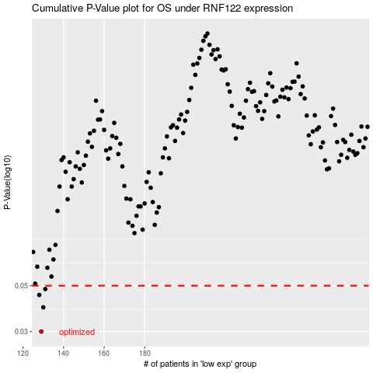

 |  |  |  |  |  | cases_OS | p_OS | rank | exp
 |  |  |  |  |  | 129 | 0.03 | 129 | -0.50103371113
 |  |  |  |  |  | 130 | 0.0393 | 136 | -0.49723807536
 |  |  |  |  |  | 128 | 0.0451 | 247 | -0.50314640104
 |  |  |  |  |  | 131 | 0.0482 | 30 | -0.49217023995
 |  |  |  |  |  |  | cases_RFS | p_RFS | rank | exp
 |  |  |  |  |  |  | 128 | 0.03 | 247 | -0.50314640104
 |  |  |  |  |  |  | 129 | 0.0393 | 129 | -0.50103371113
 |  |  |  |  |  |  | 127 | 0.0451 | 68 | -0.50476121674
 |  |  |  |  |  |  | 130 | 0.0482 | 136 | -0.49723807536

