RNF139 _multivariate
Reported by Tex Li-Hsing Chi. tex@gate.sinica.edu.tw 2019-08-16

Table 2. The clinicopathological features of HNSCC cohort and RNF139 expression. (Chi square test)
Cutoff at -0.117 (50.0%)
 |  | RNF139 expression |  | RNF139 expression |  | (Optimised)
 | Features | Low | (%) | High | (%) | Case no | P-value | Remark | Matthews
Gender | Female | 160 | 38.6 | 146 | 35.2 | 415 | 0.1254 | 0 | 0
2 | Male | 47 | 11.3 | 62 | 14.9
Age at diagnosis | <=65y | 137 | 33 | 137 | 33 | 415 | 1 | 0 | 0
4 | >65y | 70 | 16.9 | 71 | 17.1
Clinical T Status | T1+T2 | 77 | 18.6 | 72 | 17.3 | 415 | 0.6556 | 0 | 0
6 | T3+T4 | 130 | 31.3 | 136 | 32.8
Clinical N Status | N0 | 111 | 26.7 | 105 | 25.3 | 415 | 0.5875 | 0 | 0
8 | N1-3 | 96 | 23.1 | 103 | 24.8
Clinical M Status | M0 | 207 | 49.9 | 205 | 49.4 | 415 | 0.2482 | 0 | 0
10 | M1 | 0 | 0 | 3 | 0.7
Clinical Stage | Stage I+II | 47 | 11.3 | 55 | 13.3 | 415 | 0.4413 | 0 | 0
12 | Stage III+IV | 160 | 38.6 | 153 | 36.9
Surgical Margin status | Negative | 158 | 38.1 | 160 | 38.6 | 415 | 0.9081 | 0 | 0
14 | Positive | 49 | 11.8 | 48 | 11.6
Tobacco Exposure | Low | 85 | 20.5 | 76 | 18.3 | 415 | 0.3655 | 0 | 0
16 | High | 122 | 29.4 | 132 | 31.8

Table 3. Univariate/Multivariate Cox's proportional hazards regression analyses on OS time of RNF139 gene expression in HNSCC

 |  | Univariate |  |  |  | Multivariate
 | Features | HR | CI95%(L) | CI95%(H) | P-value | HR | CI95%(L) | CI95%(H) | P-value
1 | Female | 1 |  |  |  | 1
Gender | Male | 1.157 | 0.843 | 1.587 | 0.367 | 1.214 | 0.866 | 1.701 | 0.261
11 | <=65y | 1 |  |  |  | 1
Age at diagnosis | >65y | 1.329 | 0.99 | 1.784 | 0.058 | 1.385 | 1.018 | 1.884 | 0.038
12 | T1+T2 | 1 |  |  |  | 1
Clinical T Status | T3+T4 | 1.409 | 1.028 | 1.931 | 0.033 | 2.242 | 1.18 | 4.261 | 0.014
13 | N0 | 1 |  |  |  | 1
Clinical N Status | N1-3 | 1.185 | 0.89 | 1.577 | 0.246 | 1.246 | 0.873 | 1.778 | 0.226
14 | M0 | 1 |  |  |  | 1
Clinical M Status | M1 | 4.097 | 1.009 | 16.644 | 0.049 | 9.897 | 2.119 | 46.218 | 0.004
15 | Stage I+II | 1 |  |  |  | 1
Clinical Stage | Stage III+IV | 1.245 | 0.882 | 1.759 | 0.213 | 0.493 | 0.228 | 1.066 | 0.072
16 | Negative | 1 |  |  |  | 1
Surgical Margin status | Positive | 1.591 | 1.155 | 2.191 | 0.004 | 1.679 | 1.214 | 2.323 | 0.002
17 | Low | 1 |  |  |  | 1
Tobacco Exposure | High | 1.364 | 1.008 | 1.844 | 0.044 | 1.463 | 1.06 | 2.019 | 0.021
18 | Low | 1 |  |  |  | 1
RNAseq(z-score) | High | 1.06 | 0.796 | 1.411 | 0.692 | 0.938 | 0.698 | 1.261 | 0.673

Table 4. Univariate/Multivariate Cox's proportional hazards regression analyses on RFS time of RNF139 gene expression in HNSCC

 |  | Univariate |  |  |  | Multivariate
 | Features | HR | CI95%(L) | CI95%(H) | P-value | HR | CI95%(L) | CI95%(H) | P-value
1 | Female | 1 |  |  |  | 1
Gender | Male | 1.157 | 0.843 | 1.587 | 0.367 | 1.214 | 0.866 | 1.701 | 0.261
11 | <=65y | 1 |  |  |  | 1
Age at diagnosis | >65y | 1.329 | 0.99 | 1.784 | 0.058 | 1.385 | 1.018 | 1.884 | 0.038
12 | T1+T2 | 1 |  |  |  | 1
Clinical T Status | T3+T4 | 1.409 | 1.028 | 1.931 | 0.033 | 2.242 | 1.18 | 4.261 | 0.014
13 | N0 | 1 |  |  |  | 1
Clinical N Status | N1-3 | 1.185 | 0.89 | 1.577 | 0.246 | 1.246 | 0.873 | 1.778 | 0.226
14 | M0 | 1 |  |  |  | 1
Clinical M Status | M1 | 4.097 | 1.009 | 16.644 | 0.049 | 9.897 | 2.119 | 46.218 | 0.004
15 | Stage I+II | 1 |  |  |  | 1
Clinical Stage | Stage III+IV | 1.245 | 0.882 | 1.759 | 0.213 | 0.493 | 0.228 | 1.066 | 0.072
16 | Negative | 1 |  |  |  | 1
Surgical Margin status | Positive | 1.591 | 1.155 | 2.191 | 0.004 | 1.679 | 1.214 | 2.323 | 0.002
17 | Low | 1 |  |  |  | 1
Tobacco Exposure | High | 1.364 | 1.008 | 1.844 | 0.044 | 1.463 | 1.06 | 2.019 | 0.021
18 | Low | 1 |  |  |  | 1
RNAseq(z-score) | High | 1.06 | 0.796 | 1.411 | 0.692 | 0.938 | 0.698 | 1.261 | 0.673

Kaplan-Meier survival estimate: Cutoff at -0.117 (50.0%)



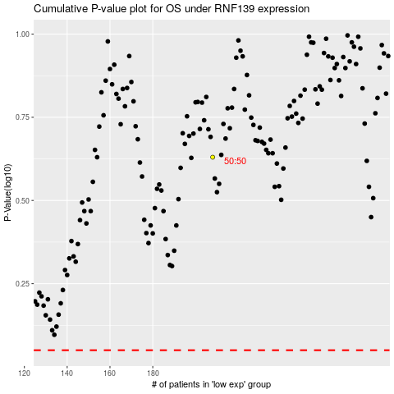

 |  |  |  |  |  | cases_OS | p_OS | rank | exp
 |  |  |  |  |  |  | cases_RFS | p_RFS | rank | exp

