RNF14 _multivariate
Reported by Tex Li-Hsing Chi. tex@gate.sinica.edu.tw 2019-08-16

Table 2. The clinicopathological features of HNSCC cohort and RNF14 expression. (Chi square test)
Cutoff at -0.22 (49.8%)
 |  | RNF14 expression |  | RNF14 expression |  | (Optimised)
 | Features | Low | (%) | High | (%) | Case no | P-value | Remark | Matthews
Gender | Female | 157 | 37.8 | 149 | 35.9 | 415 | 0.3881 | 0 | 0
2 | Male | 50 | 12 | 59 | 14.2
Age at diagnosis | <=65y | 137 | 33 | 137 | 33 | 415 | 1 | 0 | 0
4 | >65y | 70 | 16.9 | 71 | 17.1
Clinical T Status | T1+T2 | 61 | 14.7 | 88 | 21.2 | 415 | 0.0087 | 1 | 0
6 | T3+T4 | 146 | 35.2 | 120 | 28.9
Clinical N Status | N0 | 101 | 24.3 | 115 | 27.7 | 415 | 0.2201 | 0 | 0
8 | N1-3 | 106 | 25.5 | 93 | 22.4
Clinical M Status | M0 | 206 | 49.6 | 206 | 49.6 | 415 | 1 | 0 | 0
10 | M1 | 1 | 0.2 | 2 | 0.5
Clinical Stage | Stage I+II | 43 | 10.4 | 59 | 14.2 | 415 | 0.0925 | 0 | 0
12 | Stage III+IV | 164 | 39.5 | 149 | 35.9
Surgical Margin status | Negative | 166 | 40 | 152 | 36.6 | 415 | 0.1042 | 0 | 0
14 | Positive | 41 | 9.9 | 56 | 13.5
Tobacco Exposure | Low | 73 | 17.6 | 88 | 21.2 | 415 | 0.1587 | 0 | 0
16 | High | 134 | 32.3 | 120 | 28.9

Table 3. Univariate/Multivariate Cox's proportional hazards regression analyses on OS time of RNF14 gene expression in HNSCC

 |  | Univariate |  |  |  | Multivariate
 | Features | HR | CI95%(L) | CI95%(H) | P-value | HR | CI95%(L) | CI95%(H) | P-value
1 | Female | 1 |  |  |  | 1
Gender | Male | 1.157 | 0.843 | 1.587 | 0.367 | 1.21 | 0.867 | 1.689 | 0.262
11 | <=65y | 1 |  |  |  | 1
Age at diagnosis | >65y | 1.329 | 0.99 | 1.784 | 0.058 | 1.405 | 1.033 | 1.912 | 0.03
12 | T1+T2 | 1 |  |  |  | 1
Clinical T Status | T3+T4 | 1.409 | 1.028 | 1.931 | 0.033 | 2.243 | 1.185 | 4.246 | 0.013
13 | N0 | 1 |  |  |  | 1
Clinical N Status | N1-3 | 1.185 | 0.89 | 1.577 | 0.246 | 1.253 | 0.878 | 1.789 | 0.213
14 | M0 | 1 |  |  |  | 1
Clinical M Status | M1 | 4.097 | 1.009 | 16.644 | 0.049 | 9.112 | 1.985 | 41.829 | 0.004
15 | Stage I+II | 1 |  |  |  | 1
Clinical Stage | Stage III+IV | 1.245 | 0.882 | 1.759 | 0.213 | 0.504 | 0.235 | 1.082 | 0.079
16 | Negative | 1 |  |  |  | 1
Surgical Margin status | Positive | 1.591 | 1.155 | 2.191 | 0.004 | 1.64 | 1.184 | 2.271 | 0.003
17 | Low | 1 |  |  |  | 1
Tobacco Exposure | High | 1.364 | 1.008 | 1.844 | 0.044 | 1.478 | 1.071 | 2.04 | 0.017
18 | Low | 1 |  |  |  | 1
RNAseq(z-score) | High | 1.082 | 0.812 | 1.442 | 0.591 | 1.153 | 0.856 | 1.553 | 0.349

Table 4. Univariate/Multivariate Cox's proportional hazards regression analyses on RFS time of RNF14 gene expression in HNSCC

 |  | Univariate |  |  |  | Multivariate
 | Features | HR | CI95%(L) | CI95%(H) | P-value | HR | CI95%(L) | CI95%(H) | P-value
1 | Female | 1 |  |  |  | 1
Gender | Male | 1.157 | 0.843 | 1.587 | 0.367 | 1.21 | 0.867 | 1.689 | 0.262
11 | <=65y | 1 |  |  |  | 1
Age at diagnosis | >65y | 1.329 | 0.99 | 1.784 | 0.058 | 1.405 | 1.033 | 1.912 | 0.03
12 | T1+T2 | 1 |  |  |  | 1
Clinical T Status | T3+T4 | 1.409 | 1.028 | 1.931 | 0.033 | 2.243 | 1.185 | 4.246 | 0.013
13 | N0 | 1 |  |  |  | 1
Clinical N Status | N1-3 | 1.185 | 0.89 | 1.577 | 0.246 | 1.253 | 0.878 | 1.789 | 0.213
14 | M0 | 1 |  |  |  | 1
Clinical M Status | M1 | 4.097 | 1.009 | 16.644 | 0.049 | 9.112 | 1.985 | 41.829 | 0.004
15 | Stage I+II | 1 |  |  |  | 1
Clinical Stage | Stage III+IV | 1.245 | 0.882 | 1.759 | 0.213 | 0.504 | 0.235 | 1.082 | 0.079
16 | Negative | 1 |  |  |  | 1
Surgical Margin status | Positive | 1.591 | 1.155 | 2.191 | 0.004 | 1.64 | 1.184 | 2.271 | 0.003
17 | Low | 1 |  |  |  | 1
Tobacco Exposure | High | 1.364 | 1.008 | 1.844 | 0.044 | 1.478 | 1.071 | 2.04 | 0.017
18 | Low | 1 |  |  |  | 1
RNAseq(z-score) | High | 1.082 | 0.812 | 1.442 | 0.591 | 1.153 | 0.856 | 1.553 | 0.349

Kaplan-Meier survival estimate: Cutoff at -0.22 (49.8%)



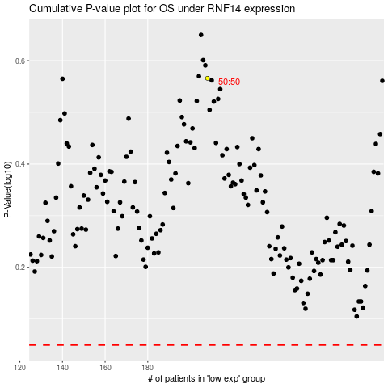

 |  |  |  |  |  | cases_OS | p_OS | rank | exp
 |  |  |  |  |  |  | cases_RFS | p_RFS | rank | exp

