RNF141 _multivariate
Reported by Tex Li-Hsing Chi. tex@gate.sinica.edu.tw 2019-08-16

Table 2. The clinicopathological features of HNSCC cohort and RNF141 expression. (Chi square test)
Cutoff at -0.259 (50.0%)
 |  | RNF141 expression |  | RNF141 expression |  | (Optimised)
 | Features | Low | (%) | High | (%) | Case no | P-value | Remark | Matthews
Gender | Female | 163 | 39.3 | 143 | 34.5 | 415 | 0.0277 | 1 | 0
2 | Male | 44 | 10.6 | 65 | 15.7
Age at diagnosis | <=65y | 140 | 33.7 | 134 | 32.3 | 415 | 0.5574 | 0 | 0
4 | >65y | 67 | 16.1 | 74 | 17.8
Clinical T Status | T1+T2 | 64 | 15.4 | 85 | 20.5 | 415 | 0.0445 | 1 | 0
6 | T3+T4 | 143 | 34.5 | 123 | 29.6
Clinical N Status | N0 | 102 | 24.6 | 114 | 27.5 | 415 | 0.3031 | 0 | 0
8 | N1-3 | 105 | 25.3 | 94 | 22.7
Clinical M Status | M0 | 206 | 49.6 | 206 | 49.6 | 415 | 1 | 0 | 0
10 | M1 | 1 | 0.2 | 2 | 0.5
Clinical Stage | Stage I+II | 44 | 10.6 | 58 | 14 | 415 | 0.1459 | 0 | 0
12 | Stage III+IV | 163 | 39.3 | 150 | 36.1
Surgical Margin status | Negative | 165 | 39.8 | 153 | 36.9 | 415 | 0.1639 | 0 | 0
14 | Positive | 42 | 10.1 | 55 | 13.3
Tobacco Exposure | Low | 65 | 15.7 | 96 | 23.1 | 415 | 0.0025 | 1 | 0
16 | High | 142 | 34.2 | 112 | 27

Table 3. Univariate/Multivariate Cox's proportional hazards regression analyses on OS time of RNF141 gene expression in HNSCC

 |  | Univariate |  |  |  | Multivariate
 | Features | HR | CI95%(L) | CI95%(H) | P-value | HR | CI95%(L) | CI95%(H) | P-value
1 | Female | 1 |  |  |  | 1
Gender | Male | 1.157 | 0.843 | 1.587 | 0.367 | 1.217 | 0.87 | 1.702 | 0.251
11 | <=65y | 1 |  |  |  | 1
Age at diagnosis | >65y | 1.329 | 0.99 | 1.784 | 0.058 | 1.399 | 1.028 | 1.904 | 0.033
12 | T1+T2 | 1 |  |  |  | 1
Clinical T Status | T3+T4 | 1.409 | 1.028 | 1.931 | 0.033 | 2.163 | 1.143 | 4.092 | 0.018
13 | N0 | 1 |  |  |  | 1
Clinical N Status | N1-3 | 1.185 | 0.89 | 1.577 | 0.246 | 1.236 | 0.866 | 1.764 | 0.243
14 | M0 | 1 |  |  |  | 1
Clinical M Status | M1 | 4.097 | 1.009 | 16.644 | 0.049 | 9.801 | 2.134 | 45.022 | 0.003
15 | Stage I+II | 1 |  |  |  | 1
Clinical Stage | Stage III+IV | 1.245 | 0.882 | 1.759 | 0.213 | 0.507 | 0.236 | 1.087 | 0.081
16 | Negative | 1 |  |  |  | 1
Surgical Margin status | Positive | 1.591 | 1.155 | 2.191 | 0.004 | 1.708 | 1.233 | 2.366 | 0.001
17 | Low | 1 |  |  |  | 1
Tobacco Exposure | High | 1.364 | 1.008 | 1.844 | 0.044 | 1.437 | 1.042 | 1.982 | 0.027
18 | Low | 1 |  |  |  | 1
RNAseq(z-score) | High | 0.874 | 0.655 | 1.166 | 0.359 | 0.857 | 0.637 | 1.151 | 0.305

Table 4. Univariate/Multivariate Cox's proportional hazards regression analyses on RFS time of RNF141 gene expression in HNSCC

 |  | Univariate |  |  |  | Multivariate
 | Features | HR | CI95%(L) | CI95%(H) | P-value | HR | CI95%(L) | CI95%(H) | P-value
1 | Female | 1 |  |  |  | 1
Gender | Male | 1.157 | 0.843 | 1.587 | 0.367 | 1.217 | 0.87 | 1.702 | 0.251
11 | <=65y | 1 |  |  |  | 1
Age at diagnosis | >65y | 1.329 | 0.99 | 1.784 | 0.058 | 1.399 | 1.028 | 1.904 | 0.033
12 | T1+T2 | 1 |  |  |  | 1
Clinical T Status | T3+T4 | 1.409 | 1.028 | 1.931 | 0.033 | 2.163 | 1.143 | 4.092 | 0.018
13 | N0 | 1 |  |  |  | 1
Clinical N Status | N1-3 | 1.185 | 0.89 | 1.577 | 0.246 | 1.236 | 0.866 | 1.764 | 0.243
14 | M0 | 1 |  |  |  | 1
Clinical M Status | M1 | 4.097 | 1.009 | 16.644 | 0.049 | 9.801 | 2.134 | 45.022 | 0.003
15 | Stage I+II | 1 |  |  |  | 1
Clinical Stage | Stage III+IV | 1.245 | 0.882 | 1.759 | 0.213 | 0.507 | 0.236 | 1.087 | 0.081
16 | Negative | 1 |  |  |  | 1
Surgical Margin status | Positive | 1.591 | 1.155 | 2.191 | 0.004 | 1.708 | 1.233 | 2.366 | 0.001
17 | Low | 1 |  |  |  | 1
Tobacco Exposure | High | 1.364 | 1.008 | 1.844 | 0.044 | 1.437 | 1.042 | 1.982 | 0.027
18 | Low | 1 |  |  |  | 1
RNAseq(z-score) | High | 0.874 | 0.655 | 1.166 | 0.359 | 0.857 | 0.637 | 1.151 | 0.305

Kaplan-Meier survival estimate: Cutoff at -0.259 (50.0%)



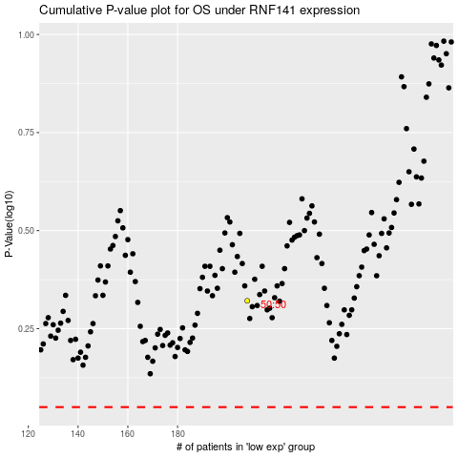

 |  |  |  |  |  | cases_OS | p_OS | rank | exp
 |  |  |  |  |  |  | cases_RFS | p_RFS | rank | exp

