RNF145 _multivariate
Reported by Tex Li-Hsing Chi. tex@gate.sinica.edu.tw 2019-08-16

Table 2. The clinicopathological features of HNSCC cohort and RNF145 expression. (Chi square test)
Cutoff at -0.245 (49.8%)
 |  | RNF145 expression |  | RNF145 expression |  | (Optimised)
 | Features | Low | (%) | High | (%) | Case no | P-value | Remark | Matthews
Gender | Female | 161 | 38.8 | 145 | 34.9 | 415 | 0.0792 | 0 | 0
2 | Male | 46 | 11.1 | 63 | 15.2
Age at diagnosis | <=65y | 141 | 34 | 133 | 32 | 415 | 0.4272 | 0 | 0
4 | >65y | 66 | 15.9 | 75 | 18.1
Clinical T Status | T1+T2 | 78 | 18.8 | 71 | 17.1 | 415 | 0.5152 | 0 | 0
6 | T3+T4 | 129 | 31.1 | 137 | 33
Clinical N Status | N0 | 107 | 25.8 | 109 | 26.3 | 415 | 0.9624 | 0 | 0
8 | N1-3 | 100 | 24.1 | 99 | 23.9
Clinical M Status | M0 | 205 | 49.4 | 207 | 49.9 | 415 | 0.6232 | 0 | 0
10 | M1 | 2 | 0.5 | 1 | 0.2
Clinical Stage | Stage I+II | 60 | 14.5 | 42 | 10.1 | 415 | 0.0493 | 1 | 0
12 | Stage III+IV | 147 | 35.4 | 166 | 40
Surgical Margin status | Negative | 168 | 40.5 | 150 | 36.1 | 415 | 0.0366 | 1 | 0
14 | Positive | 39 | 9.4 | 58 | 14
Tobacco Exposure | Low | 73 | 17.6 | 88 | 21.2 | 415 | 0.1587 | 0 | 0
16 | High | 134 | 32.3 | 120 | 28.9

Table 3. Univariate/Multivariate Cox's proportional hazards regression analyses on OS time of RNF145 gene expression in HNSCC

 |  | Univariate |  |  |  | Multivariate
 | Features | HR | CI95%(L) | CI95%(H) | P-value | HR | CI95%(L) | CI95%(H) | P-value
1 | Female | 1 |  |  |  | 1
Gender | Male | 1.157 | 0.843 | 1.587 | 0.367 | 1.202 | 0.861 | 1.679 | 0.28
11 | <=65y | 1 |  |  |  | 1
Age at diagnosis | >65y | 1.329 | 0.99 | 1.784 | 0.058 | 1.391 | 1.023 | 1.892 | 0.035
12 | T1+T2 | 1 |  |  |  | 1
Clinical T Status | T3+T4 | 1.409 | 1.028 | 1.931 | 0.033 | 2.223 | 1.173 | 4.216 | 0.014
13 | N0 | 1 |  |  |  | 1
Clinical N Status | N1-3 | 1.185 | 0.89 | 1.577 | 0.246 | 1.251 | 0.874 | 1.79 | 0.222
14 | M0 | 1 |  |  |  | 1
Clinical M Status | M1 | 4.097 | 1.009 | 16.644 | 0.049 | 9.528 | 2.074 | 43.768 | 0.004
15 | Stage I+II | 1 |  |  |  | 1
Clinical Stage | Stage III+IV | 1.245 | 0.882 | 1.759 | 0.213 | 0.496 | 0.229 | 1.072 | 0.075
16 | Negative | 1 |  |  |  | 1
Surgical Margin status | Positive | 1.591 | 1.155 | 2.191 | 0.004 | 1.667 | 1.205 | 2.304 | 0.002
17 | Low | 1 |  |  |  | 1
Tobacco Exposure | High | 1.364 | 1.008 | 1.844 | 0.044 | 1.46 | 1.058 | 2.014 | 0.021
18 | Low | 1 |  |  |  | 1
RNAseq(z-score) | High | 1.019 | 0.765 | 1.358 | 0.898 | 1.048 | 0.782 | 1.406 | 0.752

Table 4. Univariate/Multivariate Cox's proportional hazards regression analyses on RFS time of RNF145 gene expression in HNSCC

 |  | Univariate |  |  |  | Multivariate
 | Features | HR | CI95%(L) | CI95%(H) | P-value | HR | CI95%(L) | CI95%(H) | P-value
1 | Female | 1 |  |  |  | 1
Gender | Male | 1.157 | 0.843 | 1.587 | 0.367 | 1.202 | 0.861 | 1.679 | 0.28
11 | <=65y | 1 |  |  |  | 1
Age at diagnosis | >65y | 1.329 | 0.99 | 1.784 | 0.058 | 1.391 | 1.023 | 1.892 | 0.035
12 | T1+T2 | 1 |  |  |  | 1
Clinical T Status | T3+T4 | 1.409 | 1.028 | 1.931 | 0.033 | 2.223 | 1.173 | 4.216 | 0.014
13 | N0 | 1 |  |  |  | 1
Clinical N Status | N1-3 | 1.185 | 0.89 | 1.577 | 0.246 | 1.251 | 0.874 | 1.79 | 0.222
14 | M0 | 1 |  |  |  | 1
Clinical M Status | M1 | 4.097 | 1.009 | 16.644 | 0.049 | 9.528 | 2.074 | 43.768 | 0.004
15 | Stage I+II | 1 |  |  |  | 1
Clinical Stage | Stage III+IV | 1.245 | 0.882 | 1.759 | 0.213 | 0.496 | 0.229 | 1.072 | 0.075
16 | Negative | 1 |  |  |  | 1
Surgical Margin status | Positive | 1.591 | 1.155 | 2.191 | 0.004 | 1.667 | 1.205 | 2.304 | 0.002
17 | Low | 1 |  |  |  | 1
Tobacco Exposure | High | 1.364 | 1.008 | 1.844 | 0.044 | 1.46 | 1.058 | 2.014 | 0.021
18 | Low | 1 |  |  |  | 1
RNAseq(z-score) | High | 1.019 | 0.765 | 1.358 | 0.898 | 1.048 | 0.782 | 1.406 | 0.752

Kaplan-Meier survival estimate: Cutoff at -0.245 (49.8%)



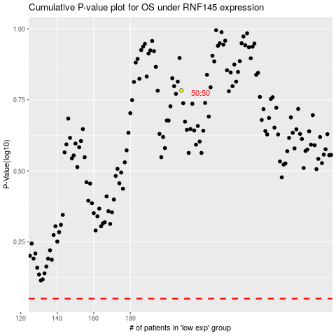

 |  |  |  |  |  | cases_OS | p_OS | rank | exp
 |  |  |  |  |  |  | cases_RFS | p_RFS | rank | exp

