RNF150 _multivariate
Reported by Tex Li-Hsing Chi. tex@gate.sinica.edu.tw 2019-08-16

Table 2. The clinicopathological features of HNSCC cohort and RNF150 expression. (Chi square test)
Cutoff at -0.304 (49.8%)
 |  | RNF150 expression |  | RNF150 expression |  | (Optimised)
 | Features | Low | (%) | High | (%) | Case no | P-value | Remark | Matthews
Gender | Female | 156 | 37.6 | 150 | 36.1 | 415 | 0.5222 | 0 | 0
2 | Male | 51 | 12.3 | 58 | 14
Age at diagnosis | <=65y | 143 | 34.5 | 131 | 31.6 | 415 | 0.2269 | 0 | 0
4 | >65y | 64 | 15.4 | 77 | 18.6
Clinical T Status | T1+T2 | 63 | 15.2 | 86 | 20.7 | 415 | 0.0268 | 1 | 0
6 | T3+T4 | 144 | 34.7 | 122 | 29.4
Clinical N Status | N0 | 107 | 25.8 | 109 | 26.3 | 415 | 0.9624 | 0 | 0
8 | N1-3 | 100 | 24.1 | 99 | 23.9
Clinical M Status | M0 | 204 | 49.2 | 208 | 50.1 | 415 | 0.1232 | 0 | 0
10 | M1 | 3 | 0.7 | 0 | 0
Clinical Stage | Stage I+II | 44 | 10.6 | 58 | 14 | 415 | 0.1459 | 0 | 0
12 | Stage III+IV | 163 | 39.3 | 150 | 36.1
Surgical Margin status | Negative | 156 | 37.6 | 162 | 39 | 415 | 0.5636 | 0 | 0
14 | Positive | 51 | 12.3 | 46 | 11.1
Tobacco Exposure | Low | 84 | 20.2 | 77 | 18.6 | 415 | 0.4816 | 0 | 0
16 | High | 123 | 29.6 | 131 | 31.6

Table 3. Univariate/Multivariate Cox's proportional hazards regression analyses on OS time of RNF150 gene expression in HNSCC

 |  | Univariate |  |  |  | Multivariate
 | Features | HR | CI95%(L) | CI95%(H) | P-value | HR | CI95%(L) | CI95%(H) | P-value
1 | Female | 1 |  |  |  | 1
Gender | Male | 1.157 | 0.843 | 1.587 | 0.367 | 1.2 | 0.859 | 1.676 | 0.284
11 | <=65y | 1 |  |  |  | 1
Age at diagnosis | >65y | 1.329 | 0.99 | 1.784 | 0.058 | 1.39 | 1.023 | 1.89 | 0.035
12 | T1+T2 | 1 |  |  |  | 1
Clinical T Status | T3+T4 | 1.409 | 1.028 | 1.931 | 0.033 | 2.217 | 1.171 | 4.2 | 0.015
13 | N0 | 1 |  |  |  | 1
Clinical N Status | N1-3 | 1.185 | 0.89 | 1.577 | 0.246 | 1.237 | 0.867 | 1.766 | 0.241
14 | M0 | 1 |  |  |  | 1
Clinical M Status | M1 | 4.097 | 1.009 | 16.644 | 0.049 | 9.675 | 2.083 | 44.926 | 0.004
15 | Stage I+II | 1 |  |  |  | 1
Clinical Stage | Stage III+IV | 1.245 | 0.882 | 1.759 | 0.213 | 0.503 | 0.234 | 1.08 | 0.078
16 | Negative | 1 |  |  |  | 1
Surgical Margin status | Positive | 1.591 | 1.155 | 2.191 | 0.004 | 1.678 | 1.213 | 2.322 | 0.002
17 | Low | 1 |  |  |  | 1
Tobacco Exposure | High | 1.364 | 1.008 | 1.844 | 0.044 | 1.453 | 1.054 | 2.001 | 0.022
18 | Low | 1 |  |  |  | 1
RNAseq(z-score) | High | 0.973 | 0.73 | 1.296 | 0.851 | 1.042 | 0.778 | 1.396 | 0.78

Table 4. Univariate/Multivariate Cox's proportional hazards regression analyses on RFS time of RNF150 gene expression in HNSCC

 |  | Univariate |  |  |  | Multivariate
 | Features | HR | CI95%(L) | CI95%(H) | P-value | HR | CI95%(L) | CI95%(H) | P-value
1 | Female | 1 |  |  |  | 1
Gender | Male | 1.157 | 0.843 | 1.587 | 0.367 | 1.2 | 0.859 | 1.676 | 0.284
11 | <=65y | 1 |  |  |  | 1
Age at diagnosis | >65y | 1.329 | 0.99 | 1.784 | 0.058 | 1.39 | 1.023 | 1.89 | 0.035
12 | T1+T2 | 1 |  |  |  | 1
Clinical T Status | T3+T4 | 1.409 | 1.028 | 1.931 | 0.033 | 2.217 | 1.171 | 4.2 | 0.015
13 | N0 | 1 |  |  |  | 1
Clinical N Status | N1-3 | 1.185 | 0.89 | 1.577 | 0.246 | 1.237 | 0.867 | 1.766 | 0.241
14 | M0 | 1 |  |  |  | 1
Clinical M Status | M1 | 4.097 | 1.009 | 16.644 | 0.049 | 9.675 | 2.083 | 44.926 | 0.004
15 | Stage I+II | 1 |  |  |  | 1
Clinical Stage | Stage III+IV | 1.245 | 0.882 | 1.759 | 0.213 | 0.503 | 0.234 | 1.08 | 0.078
16 | Negative | 1 |  |  |  | 1
Surgical Margin status | Positive | 1.591 | 1.155 | 2.191 | 0.004 | 1.678 | 1.213 | 2.322 | 0.002
17 | Low | 1 |  |  |  | 1
Tobacco Exposure | High | 1.364 | 1.008 | 1.844 | 0.044 | 1.453 | 1.054 | 2.001 | 0.022
18 | Low | 1 |  |  |  | 1
RNAseq(z-score) | High | 0.973 | 0.73 | 1.296 | 0.851 | 1.042 | 0.778 | 1.396 | 0.78

Kaplan-Meier survival estimate: Cutoff at -0.304 (49.8%)



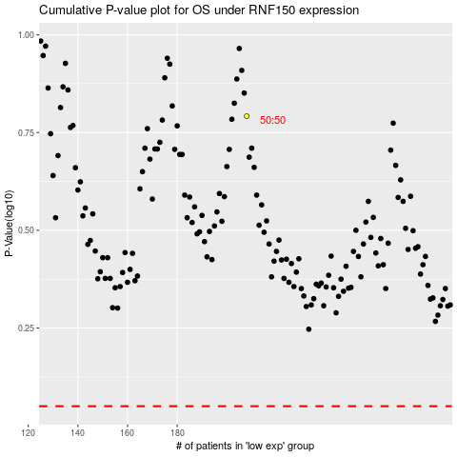

 |  |  |  |  |  | cases_OS | p_OS | rank | exp
 |  |  |  |  |  |  | cases_RFS | p_RFS | rank | exp

