RNF152 _multivariate
Reported by Tex Li-Hsing Chi. tex@gate.sinica.edu.tw 2019-08-16

Table 2. The clinicopathological features of HNSCC cohort and RNF152 expression. (Chi square test)
Cutoff at -0.219 (49.8%)
 |  | RNF152 expression |  | RNF152 expression |  | (Optimised)
 | Features | Low | (%) | High | (%) | Case no | P-value | Remark | Matthews
Gender | Female | 162 | 39 | 144 | 34.7 | 415 | 0.0479 | 1 | 0
2 | Male | 45 | 10.8 | 64 | 15.4
Age at diagnosis | <=65y | 146 | 35.2 | 128 | 30.8 | 415 | 0.0672 | 0 | 0
4 | >65y | 61 | 14.7 | 80 | 19.3
Clinical T Status | T1+T2 | 69 | 16.6 | 80 | 19.3 | 415 | 0.3239 | 0 | 0
6 | T3+T4 | 138 | 33.3 | 128 | 30.8
Clinical N Status | N0 | 99 | 23.9 | 117 | 28.2 | 415 | 0.1054 | 0 | 0
8 | N1-3 | 108 | 26 | 91 | 21.9
Clinical M Status | M0 | 204 | 49.2 | 208 | 50.1 | 415 | 0.1232 | 0 | 0
10 | M1 | 3 | 0.7 | 0 | 0
Clinical Stage | Stage I+II | 38 | 9.2 | 64 | 15.4 | 415 | 0.0048 | 1 | 0
12 | Stage III+IV | 169 | 40.7 | 144 | 34.7
Surgical Margin status | Negative | 155 | 37.3 | 163 | 39.3 | 415 | 0.4187 | 0 | 0
14 | Positive | 52 | 12.5 | 45 | 10.8
Tobacco Exposure | Low | 67 | 16.1 | 94 | 22.7 | 415 | 0.0088 | 1 | 0
16 | High | 140 | 33.7 | 114 | 27.5

Table 3. Univariate/Multivariate Cox's proportional hazards regression analyses on OS time of RNF152 gene expression in HNSCC

 |  | Univariate |  |  |  | Multivariate
 | Features | HR | CI95%(L) | CI95%(H) | P-value | HR | CI95%(L) | CI95%(H) | P-value
1 | Female | 1 |  |  |  | 1
Gender | Male | 1.157 | 0.843 | 1.587 | 0.367 | 1.201 | 0.86 | 1.678 | 0.283
11 | <=65y | 1 |  |  |  | 1
Age at diagnosis | >65y | 1.329 | 0.99 | 1.784 | 0.058 | 1.378 | 1.013 | 1.876 | 0.041
12 | T1+T2 | 1 |  |  |  | 1
Clinical T Status | T3+T4 | 1.409 | 1.028 | 1.931 | 0.033 | 2.152 | 1.136 | 4.08 | 0.019
13 | N0 | 1 |  |  |  | 1
Clinical N Status | N1-3 | 1.185 | 0.89 | 1.577 | 0.246 | 1.239 | 0.869 | 1.768 | 0.237
14 | M0 | 1 |  |  |  | 1
Clinical M Status | M1 | 4.097 | 1.009 | 16.644 | 0.049 | 9.864 | 2.144 | 45.384 | 0.003
15 | Stage I+II | 1 |  |  |  | 1
Clinical Stage | Stage III+IV | 1.245 | 0.882 | 1.759 | 0.213 | 0.526 | 0.244 | 1.136 | 0.102
16 | Negative | 1 |  |  |  | 1
Surgical Margin status | Positive | 1.591 | 1.155 | 2.191 | 0.004 | 1.69 | 1.222 | 2.338 | 0.002
17 | Low | 1 |  |  |  | 1
Tobacco Exposure | High | 1.364 | 1.008 | 1.844 | 0.044 | 1.473 | 1.067 | 2.033 | 0.019
18 | Low | 1 |  |  |  | 1
RNAseq(z-score) | High | 1.092 | 0.819 | 1.455 | 0.55 | 1.148 | 0.854 | 1.544 | 0.36

Table 4. Univariate/Multivariate Cox's proportional hazards regression analyses on RFS time of RNF152 gene expression in HNSCC

 |  | Univariate |  |  |  | Multivariate
 | Features | HR | CI95%(L) | CI95%(H) | P-value | HR | CI95%(L) | CI95%(H) | P-value
1 | Female | 1 |  |  |  | 1
Gender | Male | 1.157 | 0.843 | 1.587 | 0.367 | 1.201 | 0.86 | 1.678 | 0.283
11 | <=65y | 1 |  |  |  | 1
Age at diagnosis | >65y | 1.329 | 0.99 | 1.784 | 0.058 | 1.378 | 1.013 | 1.876 | 0.041
12 | T1+T2 | 1 |  |  |  | 1
Clinical T Status | T3+T4 | 1.409 | 1.028 | 1.931 | 0.033 | 2.152 | 1.136 | 4.08 | 0.019
13 | N0 | 1 |  |  |  | 1
Clinical N Status | N1-3 | 1.185 | 0.89 | 1.577 | 0.246 | 1.239 | 0.869 | 1.768 | 0.237
14 | M0 | 1 |  |  |  | 1
Clinical M Status | M1 | 4.097 | 1.009 | 16.644 | 0.049 | 9.864 | 2.144 | 45.384 | 0.003
15 | Stage I+II | 1 |  |  |  | 1
Clinical Stage | Stage III+IV | 1.245 | 0.882 | 1.759 | 0.213 | 0.526 | 0.244 | 1.136 | 0.102
16 | Negative | 1 |  |  |  | 1
Surgical Margin status | Positive | 1.591 | 1.155 | 2.191 | 0.004 | 1.69 | 1.222 | 2.338 | 0.002
17 | Low | 1 |  |  |  | 1
Tobacco Exposure | High | 1.364 | 1.008 | 1.844 | 0.044 | 1.473 | 1.067 | 2.033 | 0.019
18 | Low | 1 |  |  |  | 1
RNAseq(z-score) | High | 1.092 | 0.819 | 1.455 | 0.55 | 1.148 | 0.854 | 1.544 | 0.36

Kaplan-Meier survival estimate: Cutoff at -0.219 (49.8%)



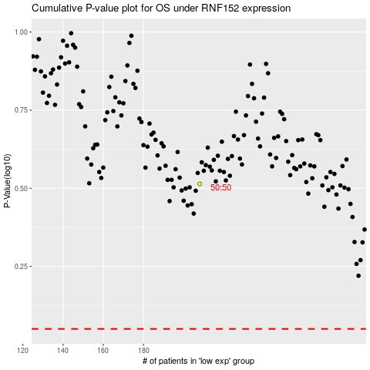

 |  |  |  |  |  | cases_OS | p_OS | rank | exp
 |  |  |  |  |  |  | cases_RFS | p_RFS | rank | exp

