RNF165 _multivariate
Reported by Tex Li-Hsing Chi. tex@gate.sinica.edu.tw 2019-08-16

Table 2. The clinicopathological features of HNSCC cohort and RNF165 expression. (Chi square test)
Cutoff at -0.134 (66.9%)
 |  | RNF165 expression |  | RNF165 expression |  | (Optimised)
 | Features | Low | (%) | High | (%) | Case no | P-value | Remark | Matthews
Gender | Female | 192 | 46.3 | 114 | 27.5 | 415 | 0.0031 | 1 | 0
2 | Male | 86 | 20.7 | 23 | 5.5
Age at diagnosis | <=65y | 178 | 42.9 | 96 | 23.1 | 415 | 0.266 | 0 | 0
4 | >65y | 100 | 24.1 | 41 | 9.9
Clinical T Status | T1+T2 | 103 | 24.8 | 46 | 11.1 | 415 | 0.5586 | 0 | 0
6 | T3+T4 | 175 | 42.2 | 91 | 21.9
Clinical N Status | N0 | 143 | 34.5 | 73 | 17.6 | 415 | 0.803 | 0 | 0
8 | N1-3 | 135 | 32.5 | 64 | 15.4
Clinical M Status | M0 | 276 | 66.5 | 136 | 32.8 | 415 | 1 | 0 | 0
10 | M1 | 2 | 0.5 | 1 | 0.2
Clinical Stage | Stage I+II | 76 | 18.3 | 26 | 6.3 | 415 | 0.0821 | 0 | 0
12 | Stage III+IV | 202 | 48.7 | 111 | 26.7
Surgical Margin status | Negative | 216 | 52 | 102 | 24.6 | 415 | 0.4621 | 0 | 0
14 | Positive | 62 | 14.9 | 35 | 8.4
Tobacco Exposure | Low | 114 | 27.5 | 47 | 11.3 | 415 | 0.2 | 0 | 0
16 | High | 164 | 39.5 | 90 | 21.7

Table 3. Univariate/Multivariate Cox's proportional hazards regression analyses on OS time of RNF165 gene expression in HNSCC

 |  | Univariate |  |  |  | Multivariate
 | Features | HR | CI95%(L) | CI95%(H) | P-value | HR | CI95%(L) | CI95%(H) | P-value
1 | Female | 1 |  |  |  | 1
Gender | Male | 1.157 | 0.843 | 1.587 | 0.367 | 1.13 | 0.805 | 1.587 | 0.479
11 | <=65y | 1 |  |  |  | 1
Age at diagnosis | >65y | 1.329 | 0.99 | 1.784 | 0.058 | 1.404 | 1.032 | 1.91 | 0.031
12 | T1+T2 | 1 |  |  |  | 1
Clinical T Status | T3+T4 | 1.409 | 1.028 | 1.931 | 0.033 | 2.122 | 1.122 | 4.013 | 0.021
13 | N0 | 1 |  |  |  | 1
Clinical N Status | N1-3 | 1.185 | 0.89 | 1.577 | 0.246 | 1.196 | 0.838 | 1.707 | 0.324
14 | M0 | 1 |  |  |  | 1
Clinical M Status | M1 | 4.097 | 1.009 | 16.644 | 0.049 | 8.613 | 1.875 | 39.562 | 0.006
15 | Stage I+II | 1 |  |  |  | 1
Clinical Stage | Stage III+IV | 1.245 | 0.882 | 1.759 | 0.213 | 0.567 | 0.263 | 1.225 | 0.149
16 | Negative | 1 |  |  |  | 1
Surgical Margin status | Positive | 1.591 | 1.155 | 2.191 | 0.004 | 1.687 | 1.221 | 2.33 | 0.002
17 | Low | 1 |  |  |  | 1
Tobacco Exposure | High | 1.364 | 1.008 | 1.844 | 0.044 | 1.486 | 1.076 | 2.054 | 0.016
18 | Low | 1 |  |  |  | 1
RNAseq(z-score) | High | 0.721 | 0.525 | 0.991 | 0.044 | 0.699 | 0.502 | 0.974 | 0.034

Table 4. Univariate/Multivariate Cox's proportional hazards regression analyses on RFS time of RNF165 gene expression in HNSCC

 |  | Univariate |  |  |  | Multivariate
 | Features | HR | CI95%(L) | CI95%(H) | P-value | HR | CI95%(L) | CI95%(H) | P-value
1 | Female | 1 |  |  |  | 1
Gender | Male | 1.157 | 0.843 | 1.587 | 0.367 | 1.13 | 0.805 | 1.587 | 0.479
11 | <=65y | 1 |  |  |  | 1
Age at diagnosis | >65y | 1.329 | 0.99 | 1.784 | 0.058 | 1.404 | 1.032 | 1.91 | 0.031
12 | T1+T2 | 1 |  |  |  | 1
Clinical T Status | T3+T4 | 1.409 | 1.028 | 1.931 | 0.033 | 2.122 | 1.122 | 4.013 | 0.021
13 | N0 | 1 |  |  |  | 1
Clinical N Status | N1-3 | 1.185 | 0.89 | 1.577 | 0.246 | 1.196 | 0.838 | 1.707 | 0.324
14 | M0 | 1 |  |  |  | 1
Clinical M Status | M1 | 4.097 | 1.009 | 16.644 | 0.049 | 8.613 | 1.875 | 39.562 | 0.006
15 | Stage I+II | 1 |  |  |  | 1
Clinical Stage | Stage III+IV | 1.245 | 0.882 | 1.759 | 0.213 | 0.567 | 0.263 | 1.225 | 0.149
16 | Negative | 1 |  |  |  | 1
Surgical Margin status | Positive | 1.591 | 1.155 | 2.191 | 0.004 | 1.687 | 1.221 | 2.33 | 0.002
17 | Low | 1 |  |  |  | 1
Tobacco Exposure | High | 1.364 | 1.008 | 1.844 | 0.044 | 1.486 | 1.076 | 2.054 | 0.016
18 | Low | 1 |  |  |  | 1
RNAseq(z-score) | High | 0.721 | 0.525 | 0.991 | 0.044 | 0.699 | 0.502 | 0.974 | 0.034

Kaplan-Meier survival estimate: Cutoff at -0.134 (66.9%)



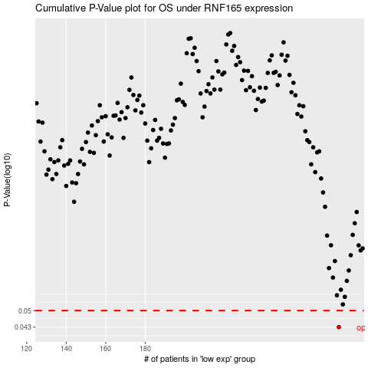

 |  |  |  |  |  | cases_OS | p_OS | rank | exp
 |  |  |  |  |  | 278 | 0.043 | 231 | -0.13407107505
 |  |  |  |  |  |  | cases_RFS | p_RFS | rank | exp
 |  |  |  |  |  |  | 277 | 0.043 | 62 | -0.13522536061

