RNF169 _multivariate
Reported by Tex Li-Hsing Chi. tex@gate.sinica.edu.tw 2019-08-16

Table 2. The clinicopathological features of HNSCC cohort and RNF169 expression. (Chi square test)
Cutoff at -0.333 (38.6%)
 |  | RNF169 expression |  | RNF169 expression |  | (Optimised)
 | Features | Low | (%) | High | (%) | Case no | P-value | Remark | Matthews
Gender | Female | 121 | 29.2 | 185 | 44.6 | 415 | 0.6825 | 0 | 0
2 | Male | 40 | 9.6 | 69 | 16.6
Age at diagnosis | <=65y | 106 | 25.5 | 168 | 40.5 | 415 | 1 | 0 | 0
4 | >65y | 55 | 13.3 | 86 | 20.7
Clinical T Status | T1+T2 | 60 | 14.5 | 89 | 21.4 | 415 | 0.7219 | 0 | 0
6 | T3+T4 | 101 | 24.3 | 165 | 39.8
Clinical N Status | N0 | 84 | 20.2 | 132 | 31.8 | 415 | 1 | 0 | 0
8 | N1-3 | 77 | 18.6 | 122 | 29.4
Clinical M Status | M0 | 158 | 38.1 | 254 | 61.2 | 415 | 0.0577 | 0 | 0
10 | M1 | 3 | 0.7 | 0 | 0
Clinical Stage | Stage I+II | 40 | 9.6 | 62 | 14.9 | 415 | 1 | 0 | 0
12 | Stage III+IV | 121 | 29.2 | 192 | 46.3
Surgical Margin status | Negative | 119 | 28.7 | 199 | 48 | 415 | 0.3411 | 0 | 0
14 | Positive | 42 | 10.1 | 55 | 13.3
Tobacco Exposure | Low | 62 | 14.9 | 99 | 23.9 | 415 | 1 | 0 | 0
16 | High | 99 | 23.9 | 155 | 37.3

Table 3. Univariate/Multivariate Cox's proportional hazards regression analyses on OS time of RNF169 gene expression in HNSCC

 |  | Univariate |  |  |  | Multivariate
 | Features | HR | CI95%(L) | CI95%(H) | P-value | HR | CI95%(L) | CI95%(H) | P-value
1 | Female | 1 |  |  |  | 1
Gender | Male | 1.157 | 0.843 | 1.587 | 0.367 | 1.184 | 0.846 | 1.657 | 0.325
11 | <=65y | 1 |  |  |  | 1
Age at diagnosis | >65y | 1.329 | 0.99 | 1.784 | 0.058 | 1.382 | 1.017 | 1.879 | 0.039
12 | T1+T2 | 1 |  |  |  | 1
Clinical T Status | T3+T4 | 1.409 | 1.028 | 1.931 | 0.033 | 2.223 | 1.175 | 4.207 | 0.014
13 | N0 | 1 |  |  |  | 1
Clinical N Status | N1-3 | 1.185 | 0.89 | 1.577 | 0.246 | 1.243 | 0.871 | 1.772 | 0.23
14 | M0 | 1 |  |  |  | 1
Clinical M Status | M1 | 4.097 | 1.009 | 16.644 | 0.049 | 8.171 | 1.764 | 37.855 | 0.007
15 | Stage I+II | 1 |  |  |  | 1
Clinical Stage | Stage III+IV | 1.245 | 0.882 | 1.759 | 0.213 | 0.506 | 0.236 | 1.086 | 0.081
16 | Negative | 1 |  |  |  | 1
Surgical Margin status | Positive | 1.591 | 1.155 | 2.191 | 0.004 | 1.637 | 1.183 | 2.265 | 0.003
17 | Low | 1 |  |  |  | 1
Tobacco Exposure | High | 1.364 | 1.008 | 1.844 | 0.044 | 1.426 | 1.034 | 1.966 | 0.031
18 | Low | 1 |  |  |  | 1
RNAseq(z-score) | High | 0.74 | 0.553 | 0.99 | 0.043 | 0.797 | 0.592 | 1.072 | 0.134

Table 4. Univariate/Multivariate Cox's proportional hazards regression analyses on RFS time of RNF169 gene expression in HNSCC

 |  | Univariate |  |  |  | Multivariate
 | Features | HR | CI95%(L) | CI95%(H) | P-value | HR | CI95%(L) | CI95%(H) | P-value
1 | Female | 1 |  |  |  | 1
Gender | Male | 1.157 | 0.843 | 1.587 | 0.367 | 1.184 | 0.846 | 1.657 | 0.325
11 | <=65y | 1 |  |  |  | 1
Age at diagnosis | >65y | 1.329 | 0.99 | 1.784 | 0.058 | 1.382 | 1.017 | 1.879 | 0.039
12 | T1+T2 | 1 |  |  |  | 1
Clinical T Status | T3+T4 | 1.409 | 1.028 | 1.931 | 0.033 | 2.223 | 1.175 | 4.207 | 0.014
13 | N0 | 1 |  |  |  | 1
Clinical N Status | N1-3 | 1.185 | 0.89 | 1.577 | 0.246 | 1.243 | 0.871 | 1.772 | 0.23
14 | M0 | 1 |  |  |  | 1
Clinical M Status | M1 | 4.097 | 1.009 | 16.644 | 0.049 | 8.171 | 1.764 | 37.855 | 0.007
15 | Stage I+II | 1 |  |  |  | 1
Clinical Stage | Stage III+IV | 1.245 | 0.882 | 1.759 | 0.213 | 0.506 | 0.236 | 1.086 | 0.081
16 | Negative | 1 |  |  |  | 1
Surgical Margin status | Positive | 1.591 | 1.155 | 2.191 | 0.004 | 1.637 | 1.183 | 2.265 | 0.003
17 | Low | 1 |  |  |  | 1
Tobacco Exposure | High | 1.364 | 1.008 | 1.844 | 0.044 | 1.426 | 1.034 | 1.966 | 0.031
18 | Low | 1 |  |  |  | 1
RNAseq(z-score) | High | 0.74 | 0.553 | 0.99 | 0.043 | 0.797 | 0.592 | 1.072 | 0.134

Kaplan-Meier survival estimate: Cutoff at -0.333 (38.6%)



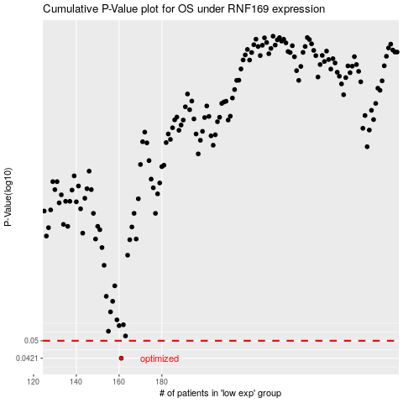

 |  |  |  |  |  | cases_OS | p_OS | rank | exp
 |  |  |  |  |  | 161 | 0.0421 | 120 | -0.33344061107
 |  |  |  |  |  |  | cases_RFS | p_RFS | rank | exp
 |  |  |  |  |  |  | 160 | 0.0421 | 222 | -0.33698585361

