RNF175 _multivariate
Reported by Tex Li-Hsing Chi. tex@gate.sinica.edu.tw 2019-08-16

Table 2. The clinicopathological features of HNSCC cohort and RNF175 expression. (Chi square test)
Cutoff at -0.279 (50.0%)
 |  | RNF175 expression |  | RNF175 expression |  | (Optimised)
 | Features | Low | (%) | High | (%) | Case no | P-value | Remark | Matthews
Gender | Female | 150 | 36.1 | 156 | 37.6 | 415 | 0.6344 | 0 | 0
2 | Male | 57 | 13.7 | 52 | 12.5
Age at diagnosis | <=65y | 145 | 34.9 | 129 | 31.1 | 415 | 0.1046 | 0 | 0
4 | >65y | 62 | 14.9 | 79 | 19
Clinical T Status | T1+T2 | 83 | 20 | 66 | 15.9 | 415 | 0.0941 | 0 | 0
6 | T3+T4 | 124 | 29.9 | 142 | 34.2
Clinical N Status | N0 | 112 | 27 | 104 | 25.1 | 415 | 0.4599 | 0 | 0
8 | N1-3 | 95 | 22.9 | 104 | 25.1
Clinical M Status | M0 | 206 | 49.6 | 206 | 49.6 | 415 | 1 | 0 | 0
10 | M1 | 1 | 0.2 | 2 | 0.5
Clinical Stage | Stage I+II | 57 | 13.7 | 45 | 10.8 | 415 | 0.1998 | 0 | 0
12 | Stage III+IV | 150 | 36.1 | 163 | 39.3
Surgical Margin status | Negative | 165 | 39.8 | 153 | 36.9 | 415 | 0.1639 | 0 | 0
14 | Positive | 42 | 10.1 | 55 | 13.3
Tobacco Exposure | Low | 90 | 21.7 | 71 | 17.1 | 415 | 0.0559 | 0 | 0
16 | High | 117 | 28.2 | 137 | 33

Table 3. Univariate/Multivariate Cox's proportional hazards regression analyses on OS time of RNF175 gene expression in HNSCC

 |  | Univariate |  |  |  | Multivariate
 | Features | HR | CI95%(L) | CI95%(H) | P-value | HR | CI95%(L) | CI95%(H) | P-value
1 | Female | 1 |  |  |  | 1
Gender | Male | 1.157 | 0.843 | 1.587 | 0.367 | 1.2 | 0.859 | 1.676 | 0.285
11 | <=65y | 1 |  |  |  | 1
Age at diagnosis | >65y | 1.329 | 0.99 | 1.784 | 0.058 | 1.427 | 1.047 | 1.945 | 0.025
12 | T1+T2 | 1 |  |  |  | 1
Clinical T Status | T3+T4 | 1.409 | 1.028 | 1.931 | 0.033 | 2.238 | 1.183 | 4.235 | 0.013
13 | N0 | 1 |  |  |  | 1
Clinical N Status | N1-3 | 1.185 | 0.89 | 1.577 | 0.246 | 1.236 | 0.867 | 1.763 | 0.242
14 | M0 | 1 |  |  |  | 1
Clinical M Status | M1 | 4.097 | 1.009 | 16.644 | 0.049 | 9.755 | 2.126 | 44.764 | 0.003
15 | Stage I+II | 1 |  |  |  | 1
Clinical Stage | Stage III+IV | 1.245 | 0.882 | 1.759 | 0.213 | 0.508 | 0.236 | 1.091 | 0.082
16 | Negative | 1 |  |  |  | 1
Surgical Margin status | Positive | 1.591 | 1.155 | 2.191 | 0.004 | 1.692 | 1.224 | 2.339 | 0.001
17 | Low | 1 |  |  |  | 1
Tobacco Exposure | High | 1.364 | 1.008 | 1.844 | 0.044 | 1.499 | 1.084 | 2.073 | 0.014
18 | Low | 1 |  |  |  | 1
RNAseq(z-score) | High | 0.958 | 0.719 | 1.277 | 0.77 | 0.835 | 0.621 | 1.121 | 0.23

Table 4. Univariate/Multivariate Cox's proportional hazards regression analyses on RFS time of RNF175 gene expression in HNSCC

 |  | Univariate |  |  |  | Multivariate
 | Features | HR | CI95%(L) | CI95%(H) | P-value | HR | CI95%(L) | CI95%(H) | P-value
1 | Female | 1 |  |  |  | 1
Gender | Male | 1.157 | 0.843 | 1.587 | 0.367 | 1.2 | 0.859 | 1.676 | 0.285
11 | <=65y | 1 |  |  |  | 1
Age at diagnosis | >65y | 1.329 | 0.99 | 1.784 | 0.058 | 1.427 | 1.047 | 1.945 | 0.025
12 | T1+T2 | 1 |  |  |  | 1
Clinical T Status | T3+T4 | 1.409 | 1.028 | 1.931 | 0.033 | 2.238 | 1.183 | 4.235 | 0.013
13 | N0 | 1 |  |  |  | 1
Clinical N Status | N1-3 | 1.185 | 0.89 | 1.577 | 0.246 | 1.236 | 0.867 | 1.763 | 0.242
14 | M0 | 1 |  |  |  | 1
Clinical M Status | M1 | 4.097 | 1.009 | 16.644 | 0.049 | 9.755 | 2.126 | 44.764 | 0.003
15 | Stage I+II | 1 |  |  |  | 1
Clinical Stage | Stage III+IV | 1.245 | 0.882 | 1.759 | 0.213 | 0.508 | 0.236 | 1.091 | 0.082
16 | Negative | 1 |  |  |  | 1
Surgical Margin status | Positive | 1.591 | 1.155 | 2.191 | 0.004 | 1.692 | 1.224 | 2.339 | 0.001
17 | Low | 1 |  |  |  | 1
Tobacco Exposure | High | 1.364 | 1.008 | 1.844 | 0.044 | 1.499 | 1.084 | 2.073 | 0.014
18 | Low | 1 |  |  |  | 1
RNAseq(z-score) | High | 0.958 | 0.719 | 1.277 | 0.77 | 0.835 | 0.621 | 1.121 | 0.23

Kaplan-Meier survival estimate: Cutoff at -0.279 (50.0%)



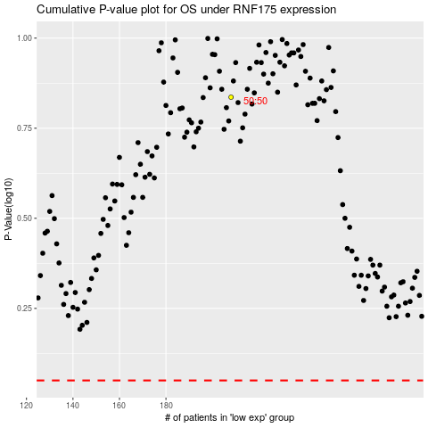

 |  |  |  |  |  | cases_OS | p_OS | rank | exp
 |  |  |  |  |  |  | cases_RFS | p_RFS | rank | exp

