RNF182 _multivariate
Reported by Tex Li-Hsing Chi. tex@gate.sinica.edu.tw 2019-08-16

Table 2. The clinicopathological features of HNSCC cohort and RNF182 expression. (Chi square test)
Cutoff at -0.172 (49.8%)
 |  | RNF182 expression |  | RNF182 expression |  | (Optimised)
 | Features | Low | (%) | High | (%) | Case no | P-value | Remark | Matthews
Gender | Female | 160 | 38.6 | 146 | 35.2 | 415 | 0.1254 | 0 | 0
2 | Male | 47 | 11.3 | 62 | 14.9
Age at diagnosis | <=65y | 143 | 34.5 | 131 | 31.6 | 415 | 0.2269 | 0 | 0
4 | >65y | 64 | 15.4 | 77 | 18.6
Clinical T Status | T1+T2 | 75 | 18.1 | 74 | 17.8 | 415 | 0.9707 | 0 | 0
6 | T3+T4 | 132 | 31.8 | 134 | 32.3
Clinical N Status | N0 | 101 | 24.3 | 115 | 27.7 | 415 | 0.2201 | 0 | 0
8 | N1-3 | 106 | 25.5 | 93 | 22.4
Clinical M Status | M0 | 204 | 49.2 | 208 | 50.1 | 415 | 0.1232 | 0 | 0
10 | M1 | 3 | 0.7 | 0 | 0
Clinical Stage | Stage I+II | 47 | 11.3 | 55 | 13.3 | 415 | 0.4413 | 0 | 0
12 | Stage III+IV | 160 | 38.6 | 153 | 36.9
Surgical Margin status | Negative | 163 | 39.3 | 155 | 37.3 | 415 | 0.3537 | 0 | 0
14 | Positive | 44 | 10.6 | 53 | 12.8
Tobacco Exposure | Low | 78 | 18.8 | 83 | 20 | 415 | 0.6873 | 0 | 0
16 | High | 129 | 31.1 | 125 | 30.1

Table 3. Univariate/Multivariate Cox's proportional hazards regression analyses on OS time of RNF182 gene expression in HNSCC

 |  | Univariate |  |  |  | Multivariate
 | Features | HR | CI95%(L) | CI95%(H) | P-value | HR | CI95%(L) | CI95%(H) | P-value
1 | Female | 1 |  |  |  | 1
Gender | Male | 1.157 | 0.843 | 1.587 | 0.367 | 1.21 | 0.866 | 1.69 | 0.264
11 | <=65y | 1 |  |  |  | 1
Age at diagnosis | >65y | 1.329 | 0.99 | 1.784 | 0.058 | 1.409 | 1.036 | 1.916 | 0.029
12 | T1+T2 | 1 |  |  |  | 1
Clinical T Status | T3+T4 | 1.409 | 1.028 | 1.931 | 0.033 | 2.222 | 1.175 | 4.201 | 0.014
13 | N0 | 1 |  |  |  | 1
Clinical N Status | N1-3 | 1.185 | 0.89 | 1.577 | 0.246 | 1.235 | 0.865 | 1.761 | 0.245
14 | M0 | 1 |  |  |  | 1
Clinical M Status | M1 | 4.097 | 1.009 | 16.644 | 0.049 | 8.843 | 1.922 | 40.691 | 0.005
15 | Stage I+II | 1 |  |  |  | 1
Clinical Stage | Stage III+IV | 1.245 | 0.882 | 1.759 | 0.213 | 0.501 | 0.233 | 1.075 | 0.076
16 | Negative | 1 |  |  |  | 1
Surgical Margin status | Positive | 1.591 | 1.155 | 2.191 | 0.004 | 1.672 | 1.21 | 2.309 | 0.002
17 | Low | 1 |  |  |  | 1
Tobacco Exposure | High | 1.364 | 1.008 | 1.844 | 0.044 | 1.45 | 1.053 | 1.997 | 0.023
18 | Low | 1 |  |  |  | 1
RNAseq(z-score) | High | 0.865 | 0.649 | 1.154 | 0.324 | 0.854 | 0.639 | 1.143 | 0.289

Table 4. Univariate/Multivariate Cox's proportional hazards regression analyses on RFS time of RNF182 gene expression in HNSCC

 |  | Univariate |  |  |  | Multivariate
 | Features | HR | CI95%(L) | CI95%(H) | P-value | HR | CI95%(L) | CI95%(H) | P-value
1 | Female | 1 |  |  |  | 1
Gender | Male | 1.157 | 0.843 | 1.587 | 0.367 | 1.21 | 0.866 | 1.69 | 0.264
11 | <=65y | 1 |  |  |  | 1
Age at diagnosis | >65y | 1.329 | 0.99 | 1.784 | 0.058 | 1.409 | 1.036 | 1.916 | 0.029
12 | T1+T2 | 1 |  |  |  | 1
Clinical T Status | T3+T4 | 1.409 | 1.028 | 1.931 | 0.033 | 2.222 | 1.175 | 4.201 | 0.014
13 | N0 | 1 |  |  |  | 1
Clinical N Status | N1-3 | 1.185 | 0.89 | 1.577 | 0.246 | 1.235 | 0.865 | 1.761 | 0.245
14 | M0 | 1 |  |  |  | 1
Clinical M Status | M1 | 4.097 | 1.009 | 16.644 | 0.049 | 8.843 | 1.922 | 40.691 | 0.005
15 | Stage I+II | 1 |  |  |  | 1
Clinical Stage | Stage III+IV | 1.245 | 0.882 | 1.759 | 0.213 | 0.501 | 0.233 | 1.075 | 0.076
16 | Negative | 1 |  |  |  | 1
Surgical Margin status | Positive | 1.591 | 1.155 | 2.191 | 0.004 | 1.672 | 1.21 | 2.309 | 0.002
17 | Low | 1 |  |  |  | 1
Tobacco Exposure | High | 1.364 | 1.008 | 1.844 | 0.044 | 1.45 | 1.053 | 1.997 | 0.023
18 | Low | 1 |  |  |  | 1
RNAseq(z-score) | High | 0.865 | 0.649 | 1.154 | 0.324 | 0.854 | 0.639 | 1.143 | 0.289

Kaplan-Meier survival estimate: Cutoff at -0.172 (49.8%)



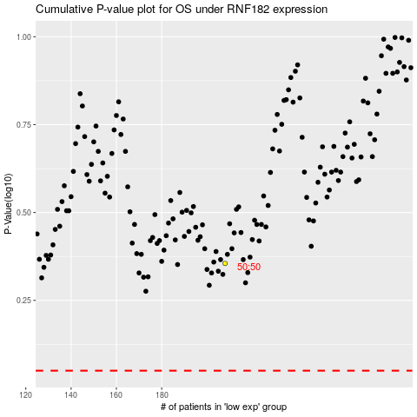

 |  |  |  |  |  | cases_OS | p_OS | rank | exp
 |  |  |  |  |  |  | cases_RFS | p_RFS | rank | exp

