RNF185 _multivariate
Reported by Tex Li-Hsing Chi. tex@gate.sinica.edu.tw 2019-08-16

Table 2. The clinicopathological features of HNSCC cohort and RNF185 expression. (Chi square test)
Cutoff at -0.221 (50.0%)
 |  | RNF185 expression |  | RNF185 expression |  | (Optimised)
 | Features | Low | (%) | High | (%) | Case no | P-value | Remark | Matthews
Gender | Female | 160 | 38.6 | 146 | 35.2 | 415 | 0.1254 | 0 | 0
2 | Male | 47 | 11.3 | 62 | 14.9
Age at diagnosis | <=65y | 138 | 33.3 | 136 | 32.8 | 415 | 0.8634 | 0 | 0
4 | >65y | 69 | 16.6 | 72 | 17.3
Clinical T Status | T1+T2 | 80 | 19.3 | 69 | 16.6 | 415 | 0.2891 | 0 | 0
6 | T3+T4 | 127 | 30.6 | 139 | 33.5
Clinical N Status | N0 | 110 | 26.5 | 106 | 25.5 | 415 | 0.7294 | 0 | 0
8 | N1-3 | 97 | 23.4 | 102 | 24.6
Clinical M Status | M0 | 206 | 49.6 | 206 | 49.6 | 415 | 1 | 0 | 0
10 | M1 | 1 | 0.2 | 2 | 0.5
Clinical Stage | Stage I+II | 56 | 13.5 | 46 | 11.1 | 415 | 0.2918 | 0 | 0
12 | Stage III+IV | 151 | 36.4 | 162 | 39
Surgical Margin status | Negative | 153 | 36.9 | 165 | 39.8 | 415 | 0.2036 | 0 | 0
14 | Positive | 54 | 13 | 43 | 10.4
Tobacco Exposure | Low | 81 | 19.5 | 80 | 19.3 | 415 | 0.9199 | 0 | 0
16 | High | 126 | 30.4 | 128 | 30.8

Table 3. Univariate/Multivariate Cox's proportional hazards regression analyses on OS time of RNF185 gene expression in HNSCC

 |  | Univariate |  |  |  | Multivariate
 | Features | HR | CI95%(L) | CI95%(H) | P-value | HR | CI95%(L) | CI95%(H) | P-value
1 | Female | 1 |  |  |  | 1
Gender | Male | 1.157 | 0.843 | 1.587 | 0.367 | 1.163 | 0.832 | 1.626 | 0.378
11 | <=65y | 1 |  |  |  | 1
Age at diagnosis | >65y | 1.329 | 0.99 | 1.784 | 0.058 | 1.366 | 1.004 | 1.858 | 0.047
12 | T1+T2 | 1 |  |  |  | 1
Clinical T Status | T3+T4 | 1.409 | 1.028 | 1.931 | 0.033 | 2.239 | 1.182 | 4.239 | 0.013
13 | N0 | 1 |  |  |  | 1
Clinical N Status | N1-3 | 1.185 | 0.89 | 1.577 | 0.246 | 1.247 | 0.874 | 1.779 | 0.223
14 | M0 | 1 |  |  |  | 1
Clinical M Status | M1 | 4.097 | 1.009 | 16.644 | 0.049 | 8.772 | 1.908 | 40.321 | 0.005
15 | Stage I+II | 1 |  |  |  | 1
Clinical Stage | Stage III+IV | 1.245 | 0.882 | 1.759 | 0.213 | 0.481 | 0.223 | 1.034 | 0.061
16 | Negative | 1 |  |  |  | 1
Surgical Margin status | Positive | 1.591 | 1.155 | 2.191 | 0.004 | 1.719 | 1.241 | 2.381 | 0.001
17 | Low | 1 |  |  |  | 1
Tobacco Exposure | High | 1.364 | 1.008 | 1.844 | 0.044 | 1.462 | 1.061 | 2.015 | 0.02
18 | Low | 1 |  |  |  | 1
RNAseq(z-score) | High | 1.34 | 1.004 | 1.789 | 0.047 | 1.329 | 0.99 | 1.783 | 0.058

Table 4. Univariate/Multivariate Cox's proportional hazards regression analyses on RFS time of RNF185 gene expression in HNSCC

 |  | Univariate |  |  |  | Multivariate
 | Features | HR | CI95%(L) | CI95%(H) | P-value | HR | CI95%(L) | CI95%(H) | P-value
1 | Female | 1 |  |  |  | 1
Gender | Male | 1.157 | 0.843 | 1.587 | 0.367 | 1.163 | 0.832 | 1.626 | 0.378
11 | <=65y | 1 |  |  |  | 1
Age at diagnosis | >65y | 1.329 | 0.99 | 1.784 | 0.058 | 1.366 | 1.004 | 1.858 | 0.047
12 | T1+T2 | 1 |  |  |  | 1
Clinical T Status | T3+T4 | 1.409 | 1.028 | 1.931 | 0.033 | 2.239 | 1.182 | 4.239 | 0.013
13 | N0 | 1 |  |  |  | 1
Clinical N Status | N1-3 | 1.185 | 0.89 | 1.577 | 0.246 | 1.247 | 0.874 | 1.779 | 0.223
14 | M0 | 1 |  |  |  | 1
Clinical M Status | M1 | 4.097 | 1.009 | 16.644 | 0.049 | 8.772 | 1.908 | 40.321 | 0.005
15 | Stage I+II | 1 |  |  |  | 1
Clinical Stage | Stage III+IV | 1.245 | 0.882 | 1.759 | 0.213 | 0.481 | 0.223 | 1.034 | 0.061
16 | Negative | 1 |  |  |  | 1
Surgical Margin status | Positive | 1.591 | 1.155 | 2.191 | 0.004 | 1.719 | 1.241 | 2.381 | 0.001
17 | Low | 1 |  |  |  | 1
Tobacco Exposure | High | 1.364 | 1.008 | 1.844 | 0.044 | 1.462 | 1.061 | 2.015 | 0.02
18 | Low | 1 |  |  |  | 1
RNAseq(z-score) | High | 1.34 | 1.004 | 1.789 | 0.047 | 1.329 | 0.99 | 1.783 | 0.058

Kaplan-Meier survival estimate: Cutoff at -0.221 (50.0%)



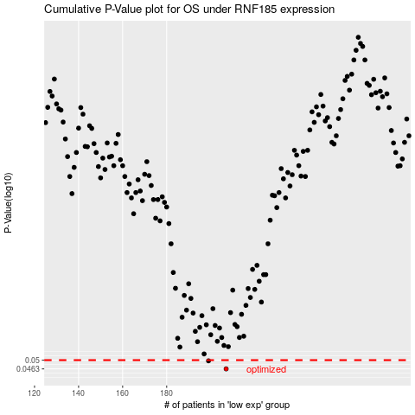

 |  |  |  |  |  | cases_OS | p_OS | rank | exp
 |  |  |  |  |  | 207 | 0.0463 | 248 | -0.22105877577
 |  |  |  |  |  | 199 | 0.0497 | 176 | -0.27047929885
 |  |  |  |  |  |  | cases_RFS | p_RFS | rank | exp
 |  |  |  |  |  |  | 206 | 0.0463 | 152 | -0.22282664563
 |  |  |  |  |  |  | 198 | 0.0497 | 63 | -0.27473947264

