RNF20 _multivariate
Reported by Tex Li-Hsing Chi. tex@gate.sinica.edu.tw 2019-08-16

Table 2. The clinicopathological features of HNSCC cohort and RNF20 expression. (Chi square test)
Cutoff at -0.11 (49.8%)
 |  | RNF20 expression |  | RNF20 expression |  | (Optimised)
 | Features | Low | (%) | High | (%) | Case no | P-value | Remark | Matthews
Gender | Female | 143 | 34.5 | 163 | 39.3 | 415 | 0.0416 | 1 | 0
2 | Male | 64 | 15.4 | 45 | 10.8
Age at diagnosis | <=65y | 129 | 31.1 | 145 | 34.9 | 415 | 0.1372 | 0 | 0
4 | >65y | 78 | 18.8 | 63 | 15.2
Clinical T Status | T1+T2 | 61 | 14.7 | 88 | 21.2 | 415 | 0.0087 | 1 | 0
6 | T3+T4 | 146 | 35.2 | 120 | 28.9
Clinical N Status | N0 | 106 | 25.5 | 110 | 26.5 | 415 | 0.8075 | 0 | 0
8 | N1-3 | 101 | 24.3 | 98 | 23.6
Clinical M Status | M0 | 206 | 49.6 | 206 | 49.6 | 415 | 1 | 0 | 0
10 | M1 | 1 | 0.2 | 2 | 0.5
Clinical Stage | Stage I+II | 47 | 11.3 | 55 | 13.3 | 415 | 0.4413 | 0 | 0
12 | Stage III+IV | 160 | 38.6 | 153 | 36.9
Surgical Margin status | Negative | 158 | 38.1 | 160 | 38.6 | 415 | 0.9081 | 0 | 0
14 | Positive | 49 | 11.8 | 48 | 11.6
Tobacco Exposure | Low | 87 | 21 | 74 | 17.8 | 415 | 0.1911 | 0 | 0
16 | High | 120 | 28.9 | 134 | 32.3

Table 3. Univariate/Multivariate Cox's proportional hazards regression analyses on OS time of RNF20 gene expression in HNSCC

 |  | Univariate |  |  |  | Multivariate
 | Features | HR | CI95%(L) | CI95%(H) | P-value | HR | CI95%(L) | CI95%(H) | P-value
1 | Female | 1 |  |  |  | 1
Gender | Male | 1.157 | 0.843 | 1.587 | 0.367 | 1.242 | 0.887 | 1.739 | 0.208
11 | <=65y | 1 |  |  |  | 1
Age at diagnosis | >65y | 1.329 | 0.99 | 1.784 | 0.058 | 1.399 | 1.029 | 1.903 | 0.032
12 | T1+T2 | 1 |  |  |  | 1
Clinical T Status | T3+T4 | 1.409 | 1.028 | 1.931 | 0.033 | 2.365 | 1.244 | 4.496 | 0.009
13 | N0 | 1 |  |  |  | 1
Clinical N Status | N1-3 | 1.185 | 0.89 | 1.577 | 0.246 | 1.242 | 0.87 | 1.772 | 0.233
14 | M0 | 1 |  |  |  | 1
Clinical M Status | M1 | 4.097 | 1.009 | 16.644 | 0.049 | 9.873 | 2.151 | 45.318 | 0.003
15 | Stage I+II | 1 |  |  |  | 1
Clinical Stage | Stage III+IV | 1.245 | 0.882 | 1.759 | 0.213 | 0.481 | 0.223 | 1.034 | 0.061
16 | Negative | 1 |  |  |  | 1
Surgical Margin status | Positive | 1.591 | 1.155 | 2.191 | 0.004 | 1.686 | 1.22 | 2.332 | 0.002
17 | Low | 1 |  |  |  | 1
Tobacco Exposure | High | 1.364 | 1.008 | 1.844 | 0.044 | 1.445 | 1.048 | 1.991 | 0.025
18 | Low | 1 |  |  |  | 1
RNAseq(z-score) | High | 1.151 | 0.863 | 1.535 | 0.339 | 1.276 | 0.95 | 1.713 | 0.105

Table 4. Univariate/Multivariate Cox's proportional hazards regression analyses on RFS time of RNF20 gene expression in HNSCC

 |  | Univariate |  |  |  | Multivariate
 | Features | HR | CI95%(L) | CI95%(H) | P-value | HR | CI95%(L) | CI95%(H) | P-value
1 | Female | 1 |  |  |  | 1
Gender | Male | 1.157 | 0.843 | 1.587 | 0.367 | 1.242 | 0.887 | 1.739 | 0.208
11 | <=65y | 1 |  |  |  | 1
Age at diagnosis | >65y | 1.329 | 0.99 | 1.784 | 0.058 | 1.399 | 1.029 | 1.903 | 0.032
12 | T1+T2 | 1 |  |  |  | 1
Clinical T Status | T3+T4 | 1.409 | 1.028 | 1.931 | 0.033 | 2.365 | 1.244 | 4.496 | 0.009
13 | N0 | 1 |  |  |  | 1
Clinical N Status | N1-3 | 1.185 | 0.89 | 1.577 | 0.246 | 1.242 | 0.87 | 1.772 | 0.233
14 | M0 | 1 |  |  |  | 1
Clinical M Status | M1 | 4.097 | 1.009 | 16.644 | 0.049 | 9.873 | 2.151 | 45.318 | 0.003
15 | Stage I+II | 1 |  |  |  | 1
Clinical Stage | Stage III+IV | 1.245 | 0.882 | 1.759 | 0.213 | 0.481 | 0.223 | 1.034 | 0.061
16 | Negative | 1 |  |  |  | 1
Surgical Margin status | Positive | 1.591 | 1.155 | 2.191 | 0.004 | 1.686 | 1.22 | 2.332 | 0.002
17 | Low | 1 |  |  |  | 1
Tobacco Exposure | High | 1.364 | 1.008 | 1.844 | 0.044 | 1.445 | 1.048 | 1.991 | 0.025
18 | Low | 1 |  |  |  | 1
RNAseq(z-score) | High | 1.151 | 0.863 | 1.535 | 0.339 | 1.276 | 0.95 | 1.713 | 0.105

Kaplan-Meier survival estimate: Cutoff at -0.11 (49.8%)



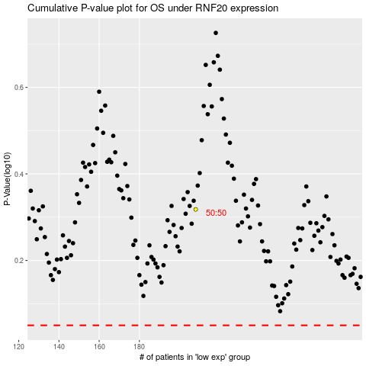

 |  |  |  |  |  | cases_OS | p_OS | rank | exp
 |  |  |  |  |  |  | cases_RFS | p_RFS | rank | exp

