RNF214 _multivariate
Reported by Tex Li-Hsing Chi. tex@gate.sinica.edu.tw 2019-08-16

Table 2. The clinicopathological features of HNSCC cohort and RNF214 expression. (Chi square test)
Cutoff at -0.122 (49.8%)
 |  | RNF214 expression |  | RNF214 expression |  | (Optimised)
 | Features | Low | (%) | High | (%) | Case no | P-value | Remark | Matthews
Gender | Female | 165 | 39.8 | 141 | 34 | 415 | 0.0081 | 1 | 0
2 | Male | 42 | 10.1 | 67 | 16.1
Age at diagnosis | <=65y | 146 | 35.2 | 128 | 30.8 | 415 | 0.0672 | 0 | 0
4 | >65y | 61 | 14.7 | 80 | 19.3
Clinical T Status | T1+T2 | 75 | 18.1 | 74 | 17.8 | 415 | 0.9707 | 0 | 0
6 | T3+T4 | 132 | 31.8 | 134 | 32.3
Clinical N Status | N0 | 84 | 20.2 | 132 | 31.8 | 415 | 0 | 1 | 0
8 | N1-3 | 123 | 29.6 | 76 | 18.3
Clinical M Status | M0 | 204 | 49.2 | 208 | 50.1 | 415 | 0.1232 | 0 | 0
10 | M1 | 3 | 0.7 | 0 | 0
Clinical Stage | Stage I+II | 43 | 10.4 | 59 | 14.2 | 415 | 0.0925 | 0 | 0
12 | Stage III+IV | 164 | 39.5 | 149 | 35.9
Surgical Margin status | Negative | 157 | 37.8 | 161 | 38.8 | 415 | 0.729 | 0 | 0
14 | Positive | 50 | 12 | 47 | 11.3
Tobacco Exposure | Low | 72 | 17.3 | 89 | 21.4 | 415 | 0.1071 | 0 | 0
16 | High | 135 | 32.5 | 119 | 28.7

Table 3. Univariate/Multivariate Cox's proportional hazards regression analyses on OS time of RNF214 gene expression in HNSCC

 |  | Univariate |  |  |  | Multivariate
 | Features | HR | CI95%(L) | CI95%(H) | P-value | HR | CI95%(L) | CI95%(H) | P-value
1 | Female | 1 |  |  |  | 1
Gender | Male | 1.157 | 0.843 | 1.587 | 0.367 | 1.189 | 0.849 | 1.663 | 0.314
11 | <=65y | 1 |  |  |  | 1
Age at diagnosis | >65y | 1.329 | 0.99 | 1.784 | 0.058 | 1.389 | 1.022 | 1.888 | 0.036
12 | T1+T2 | 1 |  |  |  | 1
Clinical T Status | T3+T4 | 1.409 | 1.028 | 1.931 | 0.033 | 2.195 | 1.161 | 4.151 | 0.016
13 | N0 | 1 |  |  |  | 1
Clinical N Status | N1-3 | 1.185 | 0.89 | 1.577 | 0.246 | 1.267 | 0.882 | 1.82 | 0.2
14 | M0 | 1 |  |  |  | 1
Clinical M Status | M1 | 4.097 | 1.009 | 16.644 | 0.049 | 9.689 | 2.106 | 44.566 | 0.004
15 | Stage I+II | 1 |  |  |  | 1
Clinical Stage | Stage III+IV | 1.245 | 0.882 | 1.759 | 0.213 | 0.504 | 0.235 | 1.083 | 0.079
16 | Negative | 1 |  |  |  | 1
Surgical Margin status | Positive | 1.591 | 1.155 | 2.191 | 0.004 | 1.668 | 1.207 | 2.306 | 0.002
17 | Low | 1 |  |  |  | 1
Tobacco Exposure | High | 1.364 | 1.008 | 1.844 | 0.044 | 1.459 | 1.059 | 2.011 | 0.021
18 | Low | 1 |  |  |  | 1
RNAseq(z-score) | High | 1.058 | 0.795 | 1.409 | 0.699 | 1.094 | 0.811 | 1.476 | 0.558

Table 4. Univariate/Multivariate Cox's proportional hazards regression analyses on RFS time of RNF214 gene expression in HNSCC

 |  | Univariate |  |  |  | Multivariate
 | Features | HR | CI95%(L) | CI95%(H) | P-value | HR | CI95%(L) | CI95%(H) | P-value
1 | Female | 1 |  |  |  | 1
Gender | Male | 1.157 | 0.843 | 1.587 | 0.367 | 1.189 | 0.849 | 1.663 | 0.314
11 | <=65y | 1 |  |  |  | 1
Age at diagnosis | >65y | 1.329 | 0.99 | 1.784 | 0.058 | 1.389 | 1.022 | 1.888 | 0.036
12 | T1+T2 | 1 |  |  |  | 1
Clinical T Status | T3+T4 | 1.409 | 1.028 | 1.931 | 0.033 | 2.195 | 1.161 | 4.151 | 0.016
13 | N0 | 1 |  |  |  | 1
Clinical N Status | N1-3 | 1.185 | 0.89 | 1.577 | 0.246 | 1.267 | 0.882 | 1.82 | 0.2
14 | M0 | 1 |  |  |  | 1
Clinical M Status | M1 | 4.097 | 1.009 | 16.644 | 0.049 | 9.689 | 2.106 | 44.566 | 0.004
15 | Stage I+II | 1 |  |  |  | 1
Clinical Stage | Stage III+IV | 1.245 | 0.882 | 1.759 | 0.213 | 0.504 | 0.235 | 1.083 | 0.079
16 | Negative | 1 |  |  |  | 1
Surgical Margin status | Positive | 1.591 | 1.155 | 2.191 | 0.004 | 1.668 | 1.207 | 2.306 | 0.002
17 | Low | 1 |  |  |  | 1
Tobacco Exposure | High | 1.364 | 1.008 | 1.844 | 0.044 | 1.459 | 1.059 | 2.011 | 0.021
18 | Low | 1 |  |  |  | 1
RNAseq(z-score) | High | 1.058 | 0.795 | 1.409 | 0.699 | 1.094 | 0.811 | 1.476 | 0.558

Kaplan-Meier survival estimate: Cutoff at -0.122 (49.8%)



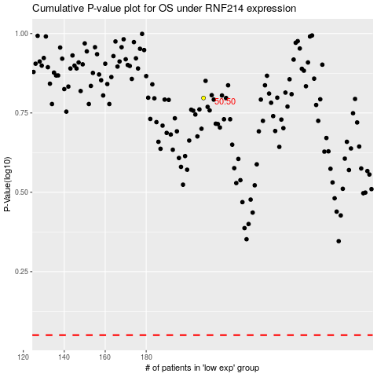

 |  |  |  |  |  | cases_OS | p_OS | rank | exp
 |  |  |  |  |  |  | cases_RFS | p_RFS | rank | exp

