RNF216 _multivariate
Reported by Tex Li-Hsing Chi. tex@gate.sinica.edu.tw 2019-08-16

Table 2. The clinicopathological features of HNSCC cohort and RNF216 expression. (Chi square test)
Cutoff at -0.153 (49.8%)
 |  | RNF216 expression |  | RNF216 expression |  | (Optimised)
 | Features | Low | (%) | High | (%) | Case no | P-value | Remark | Matthews
Gender | Female | 151 | 36.4 | 155 | 37.3 | 415 | 0.8007 | 0 | 0
2 | Male | 56 | 13.5 | 53 | 12.8
Age at diagnosis | <=65y | 137 | 33 | 137 | 33 | 415 | 1 | 0 | 0
4 | >65y | 70 | 16.9 | 71 | 17.1
Clinical T Status | T1+T2 | 69 | 16.6 | 80 | 19.3 | 415 | 0.3239 | 0 | 0
6 | T3+T4 | 138 | 33.3 | 128 | 30.8
Clinical N Status | N0 | 105 | 25.3 | 111 | 26.7 | 415 | 0.6598 | 0 | 0
8 | N1-3 | 102 | 24.6 | 97 | 23.4
Clinical M Status | M0 | 207 | 49.9 | 205 | 49.4 | 415 | 0.2482 | 0 | 0
10 | M1 | 0 | 0 | 3 | 0.7
Clinical Stage | Stage I+II | 46 | 11.1 | 56 | 13.5 | 415 | 0.3182 | 0 | 0
12 | Stage III+IV | 161 | 38.8 | 152 | 36.6
Surgical Margin status | Negative | 152 | 36.6 | 166 | 40 | 415 | 0.1329 | 0 | 0
14 | Positive | 55 | 13.3 | 42 | 10.1
Tobacco Exposure | Low | 87 | 21 | 74 | 17.8 | 415 | 0.1911 | 0 | 0
16 | High | 120 | 28.9 | 134 | 32.3

Table 3. Univariate/Multivariate Cox's proportional hazards regression analyses on OS time of RNF216 gene expression in HNSCC

 |  | Univariate |  |  |  | Multivariate
 | Features | HR | CI95%(L) | CI95%(H) | P-value | HR | CI95%(L) | CI95%(H) | P-value
1 | Female | 1 |  |  |  | 1
Gender | Male | 1.157 | 0.843 | 1.587 | 0.367 | 1.211 | 0.866 | 1.694 | 0.262
11 | <=65y | 1 |  |  |  | 1
Age at diagnosis | >65y | 1.329 | 0.99 | 1.784 | 0.058 | 1.384 | 1.018 | 1.883 | 0.038
12 | T1+T2 | 1 |  |  |  | 1
Clinical T Status | T3+T4 | 1.409 | 1.028 | 1.931 | 0.033 | 2.2 | 1.164 | 4.16 | 0.015
13 | N0 | 1 |  |  |  | 1
Clinical N Status | N1-3 | 1.185 | 0.89 | 1.577 | 0.246 | 1.238 | 0.867 | 1.768 | 0.239
14 | M0 | 1 |  |  |  | 1
Clinical M Status | M1 | 4.097 | 1.009 | 16.644 | 0.049 | 8.837 | 1.916 | 40.758 | 0.005
15 | Stage I+II | 1 |  |  |  | 1
Clinical Stage | Stage III+IV | 1.245 | 0.882 | 1.759 | 0.213 | 0.511 | 0.238 | 1.097 | 0.085
16 | Negative | 1 |  |  |  | 1
Surgical Margin status | Positive | 1.591 | 1.155 | 2.191 | 0.004 | 1.689 | 1.222 | 2.337 | 0.002
17 | Low | 1 |  |  |  | 1
Tobacco Exposure | High | 1.364 | 1.008 | 1.844 | 0.044 | 1.449 | 1.052 | 1.997 | 0.023
18 | Low | 1 |  |  |  | 1
RNAseq(z-score) | High | 1.114 | 0.836 | 1.484 | 0.463 | 1.136 | 0.849 | 1.52 | 0.392

Table 4. Univariate/Multivariate Cox's proportional hazards regression analyses on RFS time of RNF216 gene expression in HNSCC

 |  | Univariate |  |  |  | Multivariate
 | Features | HR | CI95%(L) | CI95%(H) | P-value | HR | CI95%(L) | CI95%(H) | P-value
1 | Female | 1 |  |  |  | 1
Gender | Male | 1.157 | 0.843 | 1.587 | 0.367 | 1.211 | 0.866 | 1.694 | 0.262
11 | <=65y | 1 |  |  |  | 1
Age at diagnosis | >65y | 1.329 | 0.99 | 1.784 | 0.058 | 1.384 | 1.018 | 1.883 | 0.038
12 | T1+T2 | 1 |  |  |  | 1
Clinical T Status | T3+T4 | 1.409 | 1.028 | 1.931 | 0.033 | 2.2 | 1.164 | 4.16 | 0.015
13 | N0 | 1 |  |  |  | 1
Clinical N Status | N1-3 | 1.185 | 0.89 | 1.577 | 0.246 | 1.238 | 0.867 | 1.768 | 0.239
14 | M0 | 1 |  |  |  | 1
Clinical M Status | M1 | 4.097 | 1.009 | 16.644 | 0.049 | 8.837 | 1.916 | 40.758 | 0.005
15 | Stage I+II | 1 |  |  |  | 1
Clinical Stage | Stage III+IV | 1.245 | 0.882 | 1.759 | 0.213 | 0.511 | 0.238 | 1.097 | 0.085
16 | Negative | 1 |  |  |  | 1
Surgical Margin status | Positive | 1.591 | 1.155 | 2.191 | 0.004 | 1.689 | 1.222 | 2.337 | 0.002
17 | Low | 1 |  |  |  | 1
Tobacco Exposure | High | 1.364 | 1.008 | 1.844 | 0.044 | 1.449 | 1.052 | 1.997 | 0.023
18 | Low | 1 |  |  |  | 1
RNAseq(z-score) | High | 1.114 | 0.836 | 1.484 | 0.463 | 1.136 | 0.849 | 1.52 | 0.392

Kaplan-Meier survival estimate: Cutoff at -0.153 (49.8%)



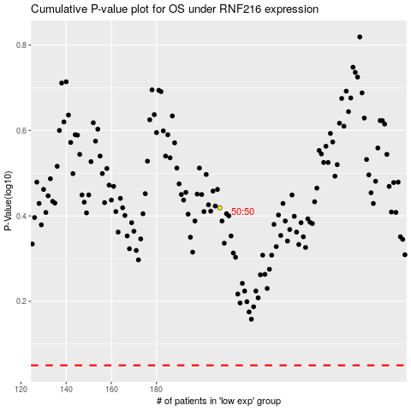

 |  |  |  |  |  | cases_OS | p_OS | rank | exp
 |  |  |  |  |  |  | cases_RFS | p_RFS | rank | exp

