RNF217 _multivariate
Reported by Tex Li-Hsing Chi. tex@gate.sinica.edu.tw 2019-08-16

Table 2. The clinicopathological features of HNSCC cohort and RNF217 expression. (Chi square test)
Cutoff at -0.04 (50.0%)
 |  | RNF217 expression |  | RNF217 expression |  | (Optimised)
 | Features | Low | (%) | High | (%) | Case no | P-value | Remark | Matthews
Gender | Female | 162 | 39 | 144 | 34.7 | 415 | 0.0479 | 1 | 0
2 | Male | 45 | 10.8 | 64 | 15.4
Age at diagnosis | <=65y | 143 | 34.5 | 131 | 31.6 | 415 | 0.2269 | 0 | 0
4 | >65y | 64 | 15.4 | 77 | 18.6
Clinical T Status | T1+T2 | 82 | 19.8 | 67 | 16.1 | 415 | 0.1417 | 0 | 0
6 | T3+T4 | 125 | 30.1 | 141 | 34
Clinical N Status | N0 | 102 | 24.6 | 114 | 27.5 | 415 | 0.3031 | 0 | 0
8 | N1-3 | 105 | 25.3 | 94 | 22.7
Clinical M Status | M0 | 204 | 49.2 | 208 | 50.1 | 415 | 0.1232 | 0 | 0
10 | M1 | 3 | 0.7 | 0 | 0
Clinical Stage | Stage I+II | 51 | 12.3 | 51 | 12.3 | 415 | 1 | 0 | 0
12 | Stage III+IV | 156 | 37.6 | 157 | 37.8
Surgical Margin status | Negative | 155 | 37.3 | 163 | 39.3 | 415 | 0.4187 | 0 | 0
14 | Positive | 52 | 12.5 | 45 | 10.8
Tobacco Exposure | Low | 82 | 19.8 | 79 | 19 | 415 | 0.763 | 0 | 0
16 | High | 125 | 30.1 | 129 | 31.1

Table 3. Univariate/Multivariate Cox's proportional hazards regression analyses on OS time of RNF217 gene expression in HNSCC

 |  | Univariate |  |  |  | Multivariate
 | Features | HR | CI95%(L) | CI95%(H) | P-value | HR | CI95%(L) | CI95%(H) | P-value
1 | Female | 1 |  |  |  | 1
Gender | Male | 1.157 | 0.843 | 1.587 | 0.367 | 1.197 | 0.856 | 1.673 | 0.293
11 | <=65y | 1 |  |  |  | 1
Age at diagnosis | >65y | 1.329 | 0.99 | 1.784 | 0.058 | 1.388 | 1.021 | 1.888 | 0.036
12 | T1+T2 | 1 |  |  |  | 1
Clinical T Status | T3+T4 | 1.409 | 1.028 | 1.931 | 0.033 | 2.185 | 1.154 | 4.136 | 0.016
13 | N0 | 1 |  |  |  | 1
Clinical N Status | N1-3 | 1.185 | 0.89 | 1.577 | 0.246 | 1.243 | 0.871 | 1.773 | 0.231
14 | M0 | 1 |  |  |  | 1
Clinical M Status | M1 | 4.097 | 1.009 | 16.644 | 0.049 | 9.644 | 2.095 | 44.405 | 0.004
15 | Stage I+II | 1 |  |  |  | 1
Clinical Stage | Stage III+IV | 1.245 | 0.882 | 1.759 | 0.213 | 0.507 | 0.236 | 1.089 | 0.082
16 | Negative | 1 |  |  |  | 1
Surgical Margin status | Positive | 1.591 | 1.155 | 2.191 | 0.004 | 1.686 | 1.217 | 2.335 | 0.002
17 | Low | 1 |  |  |  | 1
Tobacco Exposure | High | 1.364 | 1.008 | 1.844 | 0.044 | 1.446 | 1.049 | 1.994 | 0.025
18 | Low | 1 |  |  |  | 1
RNAseq(z-score) | High | 1.06 | 0.796 | 1.412 | 0.689 | 1.066 | 0.796 | 1.429 | 0.667

Table 4. Univariate/Multivariate Cox's proportional hazards regression analyses on RFS time of RNF217 gene expression in HNSCC

 |  | Univariate |  |  |  | Multivariate
 | Features | HR | CI95%(L) | CI95%(H) | P-value | HR | CI95%(L) | CI95%(H) | P-value
1 | Female | 1 |  |  |  | 1
Gender | Male | 1.157 | 0.843 | 1.587 | 0.367 | 1.197 | 0.856 | 1.673 | 0.293
11 | <=65y | 1 |  |  |  | 1
Age at diagnosis | >65y | 1.329 | 0.99 | 1.784 | 0.058 | 1.388 | 1.021 | 1.888 | 0.036
12 | T1+T2 | 1 |  |  |  | 1
Clinical T Status | T3+T4 | 1.409 | 1.028 | 1.931 | 0.033 | 2.185 | 1.154 | 4.136 | 0.016
13 | N0 | 1 |  |  |  | 1
Clinical N Status | N1-3 | 1.185 | 0.89 | 1.577 | 0.246 | 1.243 | 0.871 | 1.773 | 0.231
14 | M0 | 1 |  |  |  | 1
Clinical M Status | M1 | 4.097 | 1.009 | 16.644 | 0.049 | 9.644 | 2.095 | 44.405 | 0.004
15 | Stage I+II | 1 |  |  |  | 1
Clinical Stage | Stage III+IV | 1.245 | 0.882 | 1.759 | 0.213 | 0.507 | 0.236 | 1.089 | 0.082
16 | Negative | 1 |  |  |  | 1
Surgical Margin status | Positive | 1.591 | 1.155 | 2.191 | 0.004 | 1.686 | 1.217 | 2.335 | 0.002
17 | Low | 1 |  |  |  | 1
Tobacco Exposure | High | 1.364 | 1.008 | 1.844 | 0.044 | 1.446 | 1.049 | 1.994 | 0.025
18 | Low | 1 |  |  |  | 1
RNAseq(z-score) | High | 1.06 | 0.796 | 1.412 | 0.689 | 1.066 | 0.796 | 1.429 | 0.667

Kaplan-Meier survival estimate: Cutoff at -0.04 (50.0%)



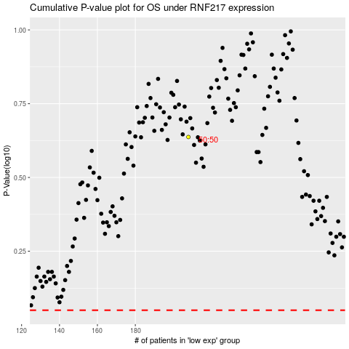

 |  |  |  |  |  | cases_OS | p_OS | rank | exp
 |  |  |  |  |  |  | cases_RFS | p_RFS | rank | exp

