RNF220 _multivariate
Reported by Tex Li-Hsing Chi. tex@gate.sinica.edu.tw 2019-08-16

Table 2. The clinicopathological features of HNSCC cohort and RNF220 expression. (Chi square test)
Cutoff at -0.152 (50.0%)
 |  | RNF220 expression |  | RNF220 expression |  | (Optimised)
 | Features | Low | (%) | High | (%) | Case no | P-value | Remark | Matthews
Gender | Female | 144 | 34.7 | 162 | 39 | 415 | 0.0697 | 0 | 0
2 | Male | 63 | 15.2 | 46 | 11.1
Age at diagnosis | <=65y | 126 | 30.4 | 148 | 35.7 | 415 | 0.035 | 1 | 0
4 | >65y | 81 | 19.5 | 60 | 14.5
Clinical T Status | T1+T2 | 67 | 16.1 | 82 | 19.8 | 415 | 0.1628 | 0 | 0
6 | T3+T4 | 140 | 33.7 | 126 | 30.4
Clinical N Status | N0 | 116 | 28 | 100 | 24.1 | 415 | 0.1273 | 1 | 0
8 | N1-3 | 91 | 21.9 | 108 | 26
Clinical M Status | M0 | 206 | 49.6 | 206 | 49.6 | 415 | 1 | 0 | 0
10 | M1 | 1 | 0.2 | 2 | 0.5
Clinical Stage | Stage I+II | 52 | 12.5 | 50 | 12 | 415 | 0.8871 | 0 | 0
12 | Stage III+IV | 155 | 37.3 | 158 | 38.1
Surgical Margin status | Negative | 162 | 39 | 156 | 37.6 | 415 | 0.4867 | 0 | 0
14 | Positive | 45 | 10.8 | 52 | 12.5
Tobacco Exposure | Low | 83 | 20 | 78 | 18.8 | 415 | 0.6152 | 0 | 0
16 | High | 124 | 29.9 | 130 | 31.3

Table 3. Univariate/Multivariate Cox's proportional hazards regression analyses on OS time of RNF220 gene expression in HNSCC

 |  | Univariate |  |  |  | Multivariate
 | Features | HR | CI95%(L) | CI95%(H) | P-value | HR | CI95%(L) | CI95%(H) | P-value
1 | Female | 1 |  |  |  | 1
Gender | Male | 1.157 | 0.843 | 1.587 | 0.367 | 1.189 | 0.852 | 1.661 | 0.309
11 | <=65y | 1 |  |  |  | 1
Age at diagnosis | >65y | 1.329 | 0.99 | 1.784 | 0.058 | 1.389 | 1.022 | 1.888 | 0.036
12 | T1+T2 | 1 |  |  |  | 1
Clinical T Status | T3+T4 | 1.409 | 1.028 | 1.931 | 0.033 | 2.123 | 1.12 | 4.027 | 0.021
13 | N0 | 1 |  |  |  | 1
Clinical N Status | N1-3 | 1.185 | 0.89 | 1.577 | 0.246 | 1.249 | 0.876 | 1.782 | 0.22
14 | M0 | 1 |  |  |  | 1
Clinical M Status | M1 | 4.097 | 1.009 | 16.644 | 0.049 | 9.199 | 2.006 | 42.191 | 0.004
15 | Stage I+II | 1 |  |  |  | 1
Clinical Stage | Stage III+IV | 1.245 | 0.882 | 1.759 | 0.213 | 0.524 | 0.244 | 1.129 | 0.099
16 | Negative | 1 |  |  |  | 1
Surgical Margin status | Positive | 1.591 | 1.155 | 2.191 | 0.004 | 1.689 | 1.221 | 2.335 | 0.002
17 | Low | 1 |  |  |  | 1
Tobacco Exposure | High | 1.364 | 1.008 | 1.844 | 0.044 | 1.467 | 1.064 | 2.023 | 0.019
18 | Low | 1 |  |  |  | 1
RNAseq(z-score) | High | 0.844 | 0.633 | 1.125 | 0.247 | 0.841 | 0.628 | 1.126 | 0.245

Table 4. Univariate/Multivariate Cox's proportional hazards regression analyses on RFS time of RNF220 gene expression in HNSCC

 |  | Univariate |  |  |  | Multivariate
 | Features | HR | CI95%(L) | CI95%(H) | P-value | HR | CI95%(L) | CI95%(H) | P-value
1 | Female | 1 |  |  |  | 1
Gender | Male | 1.157 | 0.843 | 1.587 | 0.367 | 1.189 | 0.852 | 1.661 | 0.309
11 | <=65y | 1 |  |  |  | 1
Age at diagnosis | >65y | 1.329 | 0.99 | 1.784 | 0.058 | 1.389 | 1.022 | 1.888 | 0.036
12 | T1+T2 | 1 |  |  |  | 1
Clinical T Status | T3+T4 | 1.409 | 1.028 | 1.931 | 0.033 | 2.123 | 1.12 | 4.027 | 0.021
13 | N0 | 1 |  |  |  | 1
Clinical N Status | N1-3 | 1.185 | 0.89 | 1.577 | 0.246 | 1.249 | 0.876 | 1.782 | 0.22
14 | M0 | 1 |  |  |  | 1
Clinical M Status | M1 | 4.097 | 1.009 | 16.644 | 0.049 | 9.199 | 2.006 | 42.191 | 0.004
15 | Stage I+II | 1 |  |  |  | 1
Clinical Stage | Stage III+IV | 1.245 | 0.882 | 1.759 | 0.213 | 0.524 | 0.244 | 1.129 | 0.099
16 | Negative | 1 |  |  |  | 1
Surgical Margin status | Positive | 1.591 | 1.155 | 2.191 | 0.004 | 1.689 | 1.221 | 2.335 | 0.002
17 | Low | 1 |  |  |  | 1
Tobacco Exposure | High | 1.364 | 1.008 | 1.844 | 0.044 | 1.467 | 1.064 | 2.023 | 0.019
18 | Low | 1 |  |  |  | 1
RNAseq(z-score) | High | 0.844 | 0.633 | 1.125 | 0.247 | 0.841 | 0.628 | 1.126 | 0.245

Kaplan-Meier survival estimate: Cutoff at -0.152 (50.0%)



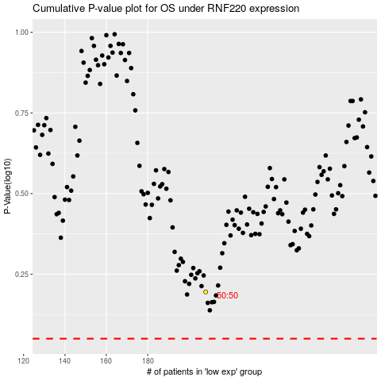

 |  |  |  |  |  | cases_OS | p_OS | rank | exp
 |  |  |  |  |  |  | cases_RFS | p_RFS | rank | exp

