RNF32 _multivariate
Reported by Tex Li-Hsing Chi. tex@gate.sinica.edu.tw 2019-08-16

Table 2. The clinicopathological features of HNSCC cohort and RNF32 expression. (Chi square test)
Cutoff at -0.324 (49.8%)
 |  | RNF32 expression |  | RNF32 expression |  | (Optimised)
 | Features | Low | (%) | High | (%) | Case no | P-value | Remark | Matthews
Gender | Female | 144 | 34.7 | 162 | 39 | 415 | 0.0697 | 0 | 0
2 | Male | 63 | 15.2 | 46 | 11.1
Age at diagnosis | <=65y | 128 | 30.8 | 146 | 35.2 | 415 | 0.0904 | 0 | 0
4 | >65y | 79 | 19 | 62 | 14.9
Clinical T Status | T1+T2 | 75 | 18.1 | 74 | 17.8 | 415 | 0.9707 | 0 | 0
6 | T3+T4 | 132 | 31.8 | 134 | 32.3
Clinical N Status | N0 | 120 | 28.9 | 96 | 23.1 | 415 | 0.0208 | 1 | 0
8 | N1-3 | 87 | 21 | 112 | 27
Clinical M Status | M0 | 207 | 49.9 | 205 | 49.4 | 415 | 0.2482 | 0 | 0
10 | M1 | 0 | 0 | 3 | 0.7
Clinical Stage | Stage I+II | 57 | 13.7 | 45 | 10.8 | 415 | 0.1998 | 0 | 0
12 | Stage III+IV | 150 | 36.1 | 163 | 39.3
Surgical Margin status | Negative | 167 | 40.2 | 151 | 36.4 | 415 | 0.0632 | 0 | 0
14 | Positive | 40 | 9.6 | 57 | 13.7
Tobacco Exposure | Low | 95 | 22.9 | 66 | 15.9 | 415 | 0.0035 | 1 | 0
16 | High | 112 | 27 | 142 | 34.2

Table 3. Univariate/Multivariate Cox's proportional hazards regression analyses on OS time of RNF32 gene expression in HNSCC

 |  | Univariate |  |  |  | Multivariate
 | Features | HR | CI95%(L) | CI95%(H) | P-value | HR | CI95%(L) | CI95%(H) | P-value
1 | Female | 1 |  |  |  | 1
Gender | Male | 1.157 | 0.843 | 1.587 | 0.367 | 1.246 | 0.889 | 1.745 | 0.201
11 | <=65y | 1 |  |  |  | 1
Age at diagnosis | >65y | 1.329 | 0.99 | 1.784 | 0.058 | 1.398 | 1.029 | 1.9 | 0.032
12 | T1+T2 | 1 |  |  |  | 1
Clinical T Status | T3+T4 | 1.409 | 1.028 | 1.931 | 0.033 | 2.289 | 1.21 | 4.334 | 0.011
13 | N0 | 1 |  |  |  | 1
Clinical N Status | N1-3 | 1.185 | 0.89 | 1.577 | 0.246 | 1.227 | 0.859 | 1.753 | 0.262
14 | M0 | 1 |  |  |  | 1
Clinical M Status | M1 | 4.097 | 1.009 | 16.644 | 0.049 | 8.794 | 1.914 | 40.401 | 0.005
15 | Stage I+II | 1 |  |  |  | 1
Clinical Stage | Stage III+IV | 1.245 | 0.882 | 1.759 | 0.213 | 0.482 | 0.224 | 1.037 | 0.062
16 | Negative | 1 |  |  |  | 1
Surgical Margin status | Positive | 1.591 | 1.155 | 2.191 | 0.004 | 1.653 | 1.195 | 2.285 | 0.002
17 | Low | 1 |  |  |  | 1
Tobacco Exposure | High | 1.364 | 1.008 | 1.844 | 0.044 | 1.427 | 1.036 | 1.966 | 0.03
18 | Low | 1 |  |  |  | 1
RNAseq(z-score) | High | 1.292 | 0.968 | 1.724 | 0.082 | 1.29 | 0.958 | 1.738 | 0.094

Table 4. Univariate/Multivariate Cox's proportional hazards regression analyses on RFS time of RNF32 gene expression in HNSCC

 |  | Univariate |  |  |  | Multivariate
 | Features | HR | CI95%(L) | CI95%(H) | P-value | HR | CI95%(L) | CI95%(H) | P-value
1 | Female | 1 |  |  |  | 1
Gender | Male | 1.157 | 0.843 | 1.587 | 0.367 | 1.246 | 0.889 | 1.745 | 0.201
11 | <=65y | 1 |  |  |  | 1
Age at diagnosis | >65y | 1.329 | 0.99 | 1.784 | 0.058 | 1.398 | 1.029 | 1.9 | 0.032
12 | T1+T2 | 1 |  |  |  | 1
Clinical T Status | T3+T4 | 1.409 | 1.028 | 1.931 | 0.033 | 2.289 | 1.21 | 4.334 | 0.011
13 | N0 | 1 |  |  |  | 1
Clinical N Status | N1-3 | 1.185 | 0.89 | 1.577 | 0.246 | 1.227 | 0.859 | 1.753 | 0.262
14 | M0 | 1 |  |  |  | 1
Clinical M Status | M1 | 4.097 | 1.009 | 16.644 | 0.049 | 8.794 | 1.914 | 40.401 | 0.005
15 | Stage I+II | 1 |  |  |  | 1
Clinical Stage | Stage III+IV | 1.245 | 0.882 | 1.759 | 0.213 | 0.482 | 0.224 | 1.037 | 0.062
16 | Negative | 1 |  |  |  | 1
Surgical Margin status | Positive | 1.591 | 1.155 | 2.191 | 0.004 | 1.653 | 1.195 | 2.285 | 0.002
17 | Low | 1 |  |  |  | 1
Tobacco Exposure | High | 1.364 | 1.008 | 1.844 | 0.044 | 1.427 | 1.036 | 1.966 | 0.03
18 | Low | 1 |  |  |  | 1
RNAseq(z-score) | High | 1.292 | 0.968 | 1.724 | 0.082 | 1.29 | 0.958 | 1.738 | 0.094

Kaplan-Meier survival estimate: Cutoff at -0.324 (49.8%)



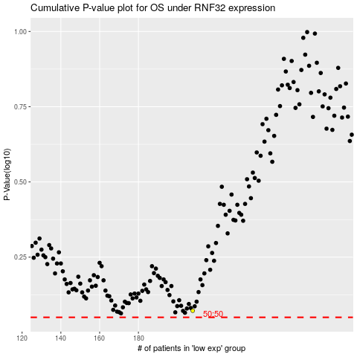

 |  |  |  |  |  | cases_OS | p_OS | rank | exp
 |  |  |  |  |  |  | cases_RFS | p_RFS | rank | exp

