RNF38 _multivariate
Reported by Tex Li-Hsing Chi. tex@gate.sinica.edu.tw 2019-08-16

Table 2. The clinicopathological features of HNSCC cohort and RNF38 expression. (Chi square test)
Cutoff at -0.232 (50.0%)
 |  | RNF38 expression |  | RNF38 expression |  | (Optimised)
 | Features | Low | (%) | High | (%) | Case no | P-value | Remark | Matthews
Gender | Female | 157 | 37.8 | 149 | 35.9 | 415 | 0.3881 | 0 | 0
2 | Male | 50 | 12 | 59 | 14.2
Age at diagnosis | <=65y | 139 | 33.5 | 135 | 32.5 | 415 | 0.7044 | 0 | 0
4 | >65y | 68 | 16.4 | 73 | 17.6
Clinical T Status | T1+T2 | 65 | 15.7 | 84 | 20.2 | 415 | 0.0711 | 0 | 0
6 | T3+T4 | 142 | 34.2 | 124 | 29.9
Clinical N Status | N0 | 111 | 26.7 | 105 | 25.3 | 415 | 0.5875 | 0 | 0
8 | N1-3 | 96 | 23.1 | 103 | 24.8
Clinical M Status | M0 | 204 | 49.2 | 208 | 50.1 | 415 | 0.1232 | 0 | 0
10 | M1 | 3 | 0.7 | 0 | 0
Clinical Stage | Stage I+II | 42 | 10.1 | 60 | 14.5 | 415 | 0.0561 | 0 | 0
12 | Stage III+IV | 165 | 39.8 | 148 | 35.7
Surgical Margin status | Negative | 160 | 38.6 | 158 | 38.1 | 415 | 0.8167 | 0 | 0
14 | Positive | 47 | 11.3 | 50 | 12
Tobacco Exposure | Low | 76 | 18.3 | 85 | 20.5 | 415 | 0.4207 | 0 | 0
16 | High | 131 | 31.6 | 123 | 29.6

Table 3. Univariate/Multivariate Cox's proportional hazards regression analyses on OS time of RNF38 gene expression in HNSCC

 |  | Univariate |  |  |  | Multivariate
 | Features | HR | CI95%(L) | CI95%(H) | P-value | HR | CI95%(L) | CI95%(H) | P-value
1 | Female | 1 |  |  |  | 1
Gender | Male | 1.157 | 0.843 | 1.587 | 0.367 | 1.233 | 0.883 | 1.722 | 0.22
11 | <=65y | 1 |  |  |  | 1
Age at diagnosis | >65y | 1.329 | 0.99 | 1.784 | 0.058 | 1.394 | 1.023 | 1.9 | 0.036
12 | T1+T2 | 1 |  |  |  | 1
Clinical T Status | T3+T4 | 1.409 | 1.028 | 1.931 | 0.033 | 2.223 | 1.175 | 4.206 | 0.014
13 | N0 | 1 |  |  |  | 1
Clinical N Status | N1-3 | 1.185 | 0.89 | 1.577 | 0.246 | 1.215 | 0.85 | 1.736 | 0.286
14 | M0 | 1 |  |  |  | 1
Clinical M Status | M1 | 4.097 | 1.009 | 16.644 | 0.049 | 11.29 | 2.434 | 52.362 | 0.002
15 | Stage I+II | 1 |  |  |  | 1
Clinical Stage | Stage III+IV | 1.245 | 0.882 | 1.759 | 0.213 | 0.52 | 0.242 | 1.118 | 0.094
16 | Negative | 1 |  |  |  | 1
Surgical Margin status | Positive | 1.591 | 1.155 | 2.191 | 0.004 | 1.674 | 1.211 | 2.314 | 0.002
17 | Low | 1 |  |  |  | 1
Tobacco Exposure | High | 1.364 | 1.008 | 1.844 | 0.044 | 1.489 | 1.078 | 2.055 | 0.016
18 | Low | 1 |  |  |  | 1
RNAseq(z-score) | High | 1.275 | 0.956 | 1.7 | 0.098 | 1.36 | 1.016 | 1.821 | 0.039

Table 4. Univariate/Multivariate Cox's proportional hazards regression analyses on RFS time of RNF38 gene expression in HNSCC

 |  | Univariate |  |  |  | Multivariate
 | Features | HR | CI95%(L) | CI95%(H) | P-value | HR | CI95%(L) | CI95%(H) | P-value
1 | Female | 1 |  |  |  | 1
Gender | Male | 1.157 | 0.843 | 1.587 | 0.367 | 1.233 | 0.883 | 1.722 | 0.22
11 | <=65y | 1 |  |  |  | 1
Age at diagnosis | >65y | 1.329 | 0.99 | 1.784 | 0.058 | 1.394 | 1.023 | 1.9 | 0.036
12 | T1+T2 | 1 |  |  |  | 1
Clinical T Status | T3+T4 | 1.409 | 1.028 | 1.931 | 0.033 | 2.223 | 1.175 | 4.206 | 0.014
13 | N0 | 1 |  |  |  | 1
Clinical N Status | N1-3 | 1.185 | 0.89 | 1.577 | 0.246 | 1.215 | 0.85 | 1.736 | 0.286
14 | M0 | 1 |  |  |  | 1
Clinical M Status | M1 | 4.097 | 1.009 | 16.644 | 0.049 | 11.29 | 2.434 | 52.362 | 0.002
15 | Stage I+II | 1 |  |  |  | 1
Clinical Stage | Stage III+IV | 1.245 | 0.882 | 1.759 | 0.213 | 0.52 | 0.242 | 1.118 | 0.094
16 | Negative | 1 |  |  |  | 1
Surgical Margin status | Positive | 1.591 | 1.155 | 2.191 | 0.004 | 1.674 | 1.211 | 2.314 | 0.002
17 | Low | 1 |  |  |  | 1
Tobacco Exposure | High | 1.364 | 1.008 | 1.844 | 0.044 | 1.489 | 1.078 | 2.055 | 0.016
18 | Low | 1 |  |  |  | 1
RNAseq(z-score) | High | 1.275 | 0.956 | 1.7 | 0.098 | 1.36 | 1.016 | 1.821 | 0.039

Kaplan-Meier survival estimate: Cutoff at -0.232 (50.0%)



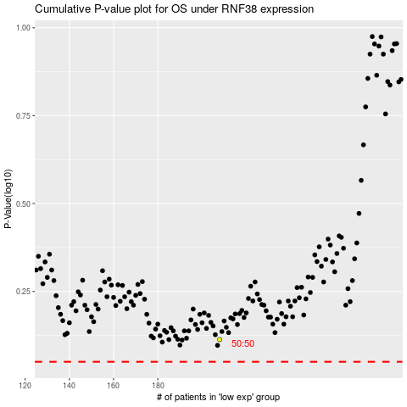

 |  |  |  |  |  | cases_OS | p_OS | rank | exp
 |  |  |  |  |  |  | cases_RFS | p_RFS | rank | exp

