RNF39 _multivariate
Reported by Tex Li-Hsing Chi. tex@gate.sinica.edu.tw 2019-08-16

Table 2. The clinicopathological features of HNSCC cohort and RNF39 expression. (Chi square test)
Cutoff at -0.018 (69.3%)
 |  | RNF39 expression |  | RNF39 expression |  | (Optimised)
 | Features | Low | (%) | High | (%) | Case no | P-value | Remark | Matthews
Gender | Female | 219 | 52.8 | 87 | 21 | 415 | 0.0965 | 0 | 0
2 | Male | 68 | 16.4 | 41 | 9.9
Age at diagnosis | <=65y | 197 | 47.5 | 77 | 18.6 | 415 | 0.1156 | 0 | 0
4 | >65y | 90 | 21.7 | 51 | 12.3
Clinical T Status | T1+T2 | 109 | 26.3 | 40 | 9.6 | 415 | 0.2267 | 0 | 0
6 | T3+T4 | 178 | 42.9 | 88 | 21.2
Clinical N Status | N0 | 143 | 34.5 | 73 | 17.6 | 415 | 0.2111 | 0 | 0
8 | N1-3 | 144 | 34.7 | 55 | 13.3
Clinical M Status | M0 | 285 | 68.7 | 127 | 30.6 | 415 | 1 | 0 | 0
10 | M1 | 2 | 0.5 | 1 | 0.2
Clinical Stage | Stage I+II | 73 | 17.6 | 29 | 7 | 415 | 0.6285 | 0 | 0
12 | Stage III+IV | 214 | 51.6 | 99 | 23.9
Surgical Margin status | Negative | 224 | 54 | 94 | 22.7 | 415 | 0.3168 | 0 | 0
14 | Positive | 63 | 15.2 | 34 | 8.2
Tobacco Exposure | Low | 100 | 24.1 | 61 | 14.7 | 415 | 0.0163 | 1 | 0
16 | High | 187 | 45.1 | 67 | 16.1

Table 3. Univariate/Multivariate Cox's proportional hazards regression analyses on OS time of RNF39 gene expression in HNSCC

 |  | Univariate |  |  |  | Multivariate
 | Features | HR | CI95%(L) | CI95%(H) | P-value | HR | CI95%(L) | CI95%(H) | P-value
1 | Female | 1 |  |  |  | 1
Gender | Male | 1.157 | 0.843 | 1.587 | 0.367 | 1.289 | 0.922 | 1.803 | 0.138
11 | <=65y | 1 |  |  |  | 1
Age at diagnosis | >65y | 1.329 | 0.99 | 1.784 | 0.058 | 1.467 | 1.075 | 2.001 | 0.016
12 | T1+T2 | 1 |  |  |  | 1
Clinical T Status | T3+T4 | 1.409 | 1.028 | 1.931 | 0.033 | 2.26 | 1.195 | 4.277 | 0.012
13 | N0 | 1 |  |  |  | 1
Clinical N Status | N1-3 | 1.185 | 0.89 | 1.577 | 0.246 | 1.193 | 0.835 | 1.704 | 0.333
14 | M0 | 1 |  |  |  | 1
Clinical M Status | M1 | 4.097 | 1.009 | 16.644 | 0.049 | 10.437 | 2.271 | 47.957 | 0.003
15 | Stage I+II | 1 |  |  |  | 1
Clinical Stage | Stage III+IV | 1.245 | 0.882 | 1.759 | 0.213 | 0.527 | 0.246 | 1.13 | 0.1
16 | Negative | 1 |  |  |  | 1
Surgical Margin status | Positive | 1.591 | 1.155 | 2.191 | 0.004 | 1.776 | 1.283 | 2.46 | 0.001
17 | Low | 1 |  |  |  | 1
Tobacco Exposure | High | 1.364 | 1.008 | 1.844 | 0.044 | 1.423 | 1.031 | 1.964 | 0.032
18 | Low | 1 |  |  |  | 1
RNAseq(z-score) | High | 0.676 | 0.485 | 0.941 | 0.02 | 0.591 | 0.42 | 0.831 | 0.003

Table 4. Univariate/Multivariate Cox's proportional hazards regression analyses on RFS time of RNF39 gene expression in HNSCC

 |  | Univariate |  |  |  | Multivariate
 | Features | HR | CI95%(L) | CI95%(H) | P-value | HR | CI95%(L) | CI95%(H) | P-value
1 | Female | 1 |  |  |  | 1
Gender | Male | 1.157 | 0.843 | 1.587 | 0.367 | 1.289 | 0.922 | 1.803 | 0.138
11 | <=65y | 1 |  |  |  | 1
Age at diagnosis | >65y | 1.329 | 0.99 | 1.784 | 0.058 | 1.467 | 1.075 | 2.001 | 0.016
12 | T1+T2 | 1 |  |  |  | 1
Clinical T Status | T3+T4 | 1.409 | 1.028 | 1.931 | 0.033 | 2.26 | 1.195 | 4.277 | 0.012
13 | N0 | 1 |  |  |  | 1
Clinical N Status | N1-3 | 1.185 | 0.89 | 1.577 | 0.246 | 1.193 | 0.835 | 1.704 | 0.333
14 | M0 | 1 |  |  |  | 1
Clinical M Status | M1 | 4.097 | 1.009 | 16.644 | 0.049 | 10.437 | 2.271 | 47.957 | 0.003
15 | Stage I+II | 1 |  |  |  | 1
Clinical Stage | Stage III+IV | 1.245 | 0.882 | 1.759 | 0.213 | 0.527 | 0.246 | 1.13 | 0.1
16 | Negative | 1 |  |  |  | 1
Surgical Margin status | Positive | 1.591 | 1.155 | 2.191 | 0.004 | 1.776 | 1.283 | 2.46 | 0.001
17 | Low | 1 |  |  |  | 1
Tobacco Exposure | High | 1.364 | 1.008 | 1.844 | 0.044 | 1.423 | 1.031 | 1.964 | 0.032
18 | Low | 1 |  |  |  | 1
RNAseq(z-score) | High | 0.676 | 0.485 | 0.941 | 0.02 | 0.591 | 0.42 | 0.831 | 0.003

Kaplan-Meier survival estimate: Cutoff at -0.018 (69.3%)

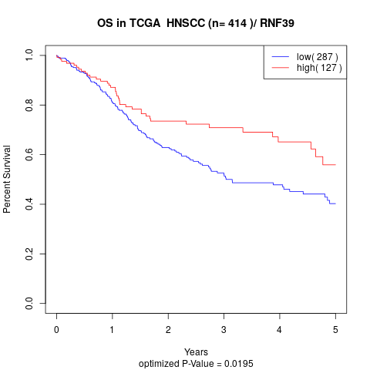

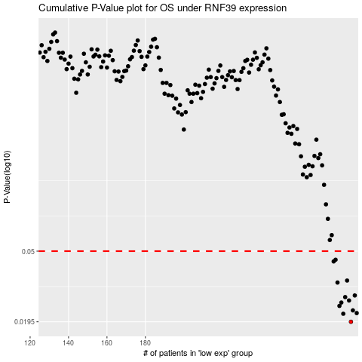

 |  |  |  |  |  | cases_OS | p_OS | rank | exp
 |  |  |  |  |  | 287 | 0.0195 | 382 | -0.01752052403
 |  |  |  |  |  | 283 | 0.0217 | 34 | -0.038475762722
 |  |  |  |  |  | 290 | 0.0219 | 181 | -0.011778257746
 |  |  |  |  |  | 288 | 0.0227 | 168 | -0.01512681962
 |  |  |  |  |  | 281 | 0.0241 | 27 | -0.0615130166
 |  |  |  |  |  | 282 | 0.0252 | 278 | -0.045161916044
 |  |  |  |  |  | 286 | 0.0259 | 92 | -0.020207633617
 |  |  |  |  |  | 284 | 0.0271 | 84 | -0.031940183905
 |  |  |  |  |  | 289 | 0.0277 | 338 | -0.012608568585
 |  |  |  |  |  | 280 | 0.0329 | 227 | -0.063926725908
 |  |  |  |  |  | 285 | 0.0338 | 220 | -0.030206426039
 |  |  |  |  |  | 278 | 0.0436 | 172 | -0.0710297555
 |  |  |  |  |  | 279 | 0.0446 | 97 | -0.069329339131
 |  |  |  |  |  |  | cases_RFS | p_RFS | rank | exp
 |  |  |  |  |  |  | 286 | 0.0195 | 92 | -0.020207633617
 |  |  |  |  |  |  | 282 | 0.0217 | 278 | -0.045161916044
 |  |  |  |  |  |  | 289 | 0.0219 | 338 | -0.012608568585
 |  |  |  |  |  |  | 287 | 0.0227 | 382 | -0.01752052403
 |  |  |  |  |  |  | 280 | 0.0241 | 227 | -0.063926725908
 |  |  |  |  |  |  | 281 | 0.0252 | 27 | -0.0615130166
 |  |  |  |  |  |  | 285 | 0.0259 | 220 | -0.030206426039
 |  |  |  |  |  |  | 283 | 0.0271 | 34 | -0.038475762722
 |  |  |  |  |  |  | 288 | 0.0277 | 168 | -0.01512681962
 |  |  |  |  |  |  | 279 | 0.0329 | 97 | -0.069329339131
 |  |  |  |  |  |  | 284 | 0.0338 | 84 | -0.031940183905
 |  |  |  |  |  |  | 277 | 0.0436 | 370 | -0.072831271894
 |  |  |  |  |  |  | 278 | 0.0446 | 172 | -0.0710297555

