RNF40 _multivariate
Reported by Tex Li-Hsing Chi. tex@gate.sinica.edu.tw 2019-08-16

Table 2. The clinicopathological features of HNSCC cohort and RNF40 expression. (Chi square test)
Cutoff at 0.353 (66.7%)
 |  | RNF40 expression |  | RNF40 expression |  | (Optimised)
 | Features | Low | (%) | High | (%) | Case no | P-value | Remark | Matthews
Gender | Female | 193 | 46.5 | 113 | 27.2 | 415 | 0.011 | 1 | 0
2 | Male | 84 | 20.2 | 25 | 6
Age at diagnosis | <=65y | 172 | 41.4 | 102 | 24.6 | 415 | 0.0223 | 1 | 0
4 | >65y | 105 | 25.3 | 36 | 8.7
Clinical T Status | T1+T2 | 101 | 24.3 | 48 | 11.6 | 415 | 0.8201 | 0 | 0
6 | T3+T4 | 176 | 42.4 | 90 | 21.7
Clinical N Status | N0 | 145 | 34.9 | 71 | 17.1 | 415 | 0.9457 | 0 | 0
8 | N1-3 | 132 | 31.8 | 67 | 16.1
Clinical M Status | M0 | 276 | 66.5 | 136 | 32.8 | 415 | 0.2576 | 0 | 0
10 | M1 | 1 | 0.2 | 2 | 0.5
Clinical Stage | Stage I+II | 68 | 16.4 | 34 | 8.2 | 415 | 1 | 0 | 0
12 | Stage III+IV | 209 | 50.4 | 104 | 25.1
Surgical Margin status | Negative | 205 | 49.4 | 113 | 27.2 | 415 | 0.0849 | 0 | 0
14 | Positive | 72 | 17.3 | 25 | 6
Tobacco Exposure | Low | 111 | 26.7 | 50 | 12 | 415 | 0.4568 | 0 | 0
16 | High | 166 | 40 | 88 | 21.2

Table 3. Univariate/Multivariate Cox's proportional hazards regression analyses on OS time of RNF40 gene expression in HNSCC

 |  | Univariate |  |  |  | Multivariate
 | Features | HR | CI95%(L) | CI95%(H) | P-value | HR | CI95%(L) | CI95%(H) | P-value
1 | Female | 1 |  |  |  | 1
Gender | Male | 1.157 | 0.843 | 1.587 | 0.367 | 1.266 | 0.905 | 1.772 | 0.168
11 | <=65y | 1 |  |  |  | 1
Age at diagnosis | >65y | 1.329 | 0.99 | 1.784 | 0.058 | 1.47 | 1.078 | 2.002 | 0.015
12 | T1+T2 | 1 |  |  |  | 1
Clinical T Status | T3+T4 | 1.409 | 1.028 | 1.931 | 0.033 | 2.182 | 1.154 | 4.125 | 0.016
13 | N0 | 1 |  |  |  | 1
Clinical N Status | N1-3 | 1.185 | 0.89 | 1.577 | 0.246 | 1.295 | 0.907 | 1.85 | 0.155
14 | M0 | 1 |  |  |  | 1
Clinical M Status | M1 | 4.097 | 1.009 | 16.644 | 0.049 | 7.827 | 1.698 | 36.081 | 0.008
15 | Stage I+II | 1 |  |  |  | 1
Clinical Stage | Stage III+IV | 1.245 | 0.882 | 1.759 | 0.213 | 0.499 | 0.232 | 1.072 | 0.075
16 | Negative | 1 |  |  |  | 1
Surgical Margin status | Positive | 1.591 | 1.155 | 2.191 | 0.004 | 1.795 | 1.292 | 2.494 | 0
17 | Low | 1 |  |  |  | 1
Tobacco Exposure | High | 1.364 | 1.008 | 1.844 | 0.044 | 1.464 | 1.062 | 2.019 | 0.02
18 | Low | 1 |  |  |  | 1
RNAseq(z-score) | High | 1.344 | 1.004 | 1.8 | 0.047 | 1.527 | 1.125 | 2.072 | 0.007

Table 4. Univariate/Multivariate Cox's proportional hazards regression analyses on RFS time of RNF40 gene expression in HNSCC

 |  | Univariate |  |  |  | Multivariate
 | Features | HR | CI95%(L) | CI95%(H) | P-value | HR | CI95%(L) | CI95%(H) | P-value
1 | Female | 1 |  |  |  | 1
Gender | Male | 1.157 | 0.843 | 1.587 | 0.367 | 1.266 | 0.905 | 1.772 | 0.168
11 | <=65y | 1 |  |  |  | 1
Age at diagnosis | >65y | 1.329 | 0.99 | 1.784 | 0.058 | 1.47 | 1.078 | 2.002 | 0.015
12 | T1+T2 | 1 |  |  |  | 1
Clinical T Status | T3+T4 | 1.409 | 1.028 | 1.931 | 0.033 | 2.182 | 1.154 | 4.125 | 0.016
13 | N0 | 1 |  |  |  | 1
Clinical N Status | N1-3 | 1.185 | 0.89 | 1.577 | 0.246 | 1.295 | 0.907 | 1.85 | 0.155
14 | M0 | 1 |  |  |  | 1
Clinical M Status | M1 | 4.097 | 1.009 | 16.644 | 0.049 | 7.827 | 1.698 | 36.081 | 0.008
15 | Stage I+II | 1 |  |  |  | 1
Clinical Stage | Stage III+IV | 1.245 | 0.882 | 1.759 | 0.213 | 0.499 | 0.232 | 1.072 | 0.075
16 | Negative | 1 |  |  |  | 1
Surgical Margin status | Positive | 1.591 | 1.155 | 2.191 | 0.004 | 1.795 | 1.292 | 2.494 | 0
17 | Low | 1 |  |  |  | 1
Tobacco Exposure | High | 1.364 | 1.008 | 1.844 | 0.044 | 1.464 | 1.062 | 2.019 | 0.02
18 | Low | 1 |  |  |  | 1
RNAseq(z-score) | High | 1.344 | 1.004 | 1.8 | 0.047 | 1.527 | 1.125 | 2.072 | 0.007

Kaplan-Meier survival estimate: Cutoff at 0.353 (66.7%)



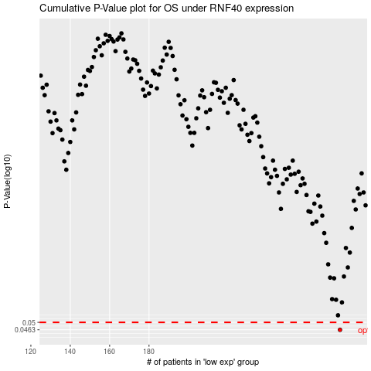

 |  |  |  |  |  | cases_OS | p_OS | rank | exp
 |  |  |  |  |  | 277 | 0.0463 | 62 | 0.35294909416
 |  |  |  |  |  |  | cases_RFS | p_RFS | rank | exp
 |  |  |  |  |  |  | 276 | 0.0463 | 382 | 0.3504480818

